EVC _multivariate
Reported by Tex Li-Hsing Chi. tex@gate.sinica.edu.tw 2019-08-20

Table 2. The clinicopathological features of HNSCC cohort and EVC expression. (Chi square test)
Cutoff at -0.11 (49.8%)
 |  | EVC expression |  | EVC expression |  | (Optimised)
 | Features | Low | (%) | High | (%) | Case no | P-value | Remark | Matthews
Gender | Female | 156 | 37.6 | 150 | 36.1 | 415 | 0.5222 | 0 | 0
2 | Male | 51 | 12.3 | 58 | 14
Age at diagnosis | <=65y | 135 | 32.5 | 139 | 33.5 | 415 | 0.8084 | 0 | 0
4 | >65y | 72 | 17.3 | 69 | 16.6
Clinical T Status | T1+T2 | 76 | 18.3 | 73 | 17.6 | 415 | 0.8092 | 0 | 0
6 | T3+T4 | 131 | 31.6 | 135 | 32.5
Clinical N Status | N0 | 110 | 26.5 | 106 | 25.5 | 415 | 0.7294 | 0 | 0
8 | N1-3 | 97 | 23.4 | 102 | 24.6
Clinical M Status | M0 | 205 | 49.4 | 207 | 49.9 | 415 | 0.6232 | 0 | 0
10 | M1 | 2 | 0.5 | 1 | 0.2
Clinical Stage | Stage I+II | 46 | 11.1 | 56 | 13.5 | 415 | 0.3182 | 0 | 0
12 | Stage III+IV | 161 | 38.8 | 152 | 36.6
Surgical Margin status | Negative | 154 | 37.1 | 164 | 39.5 | 415 | 0.2984 | 0 | 0
14 | Positive | 53 | 12.8 | 44 | 10.6
Tobacco Exposure | Low | 82 | 19.8 | 79 | 19 | 415 | 0.763 | 0 | 0
16 | High | 125 | 30.1 | 129 | 31.1

Table 3. Univariate/Multivariate Cox's proportional hazards regression analyses on OS time of EVC gene expression in HNSCC

 |  | Univariate |  |  |  | Multivariate
 | Features | HR | CI95%(L) | CI95%(H) | P-value | HR | CI95%(L) | CI95%(H) | P-value
1 | Female | 1 |  |  |  | 1
Gender | Male | 1.157 | 0.843 | 1.587 | 0.367 | 1.215 | 0.87 | 1.698 | 0.253
11 | <=65y | 1 |  |  |  | 1
Age at diagnosis | >65y | 1.329 | 0.99 | 1.784 | 0.058 | 1.401 | 1.03 | 1.905 | 0.032
12 | T1+T2 | 1 |  |  |  | 1
Clinical T Status | T3+T4 | 1.409 | 1.028 | 1.931 | 0.033 | 2.112 | 1.112 | 4.008 | 0.022
13 | N0 | 1 |  |  |  | 1
Clinical N Status | N1-3 | 1.185 | 0.89 | 1.577 | 0.246 | 1.216 | 0.851 | 1.737 | 0.284
14 | M0 | 1 |  |  |  | 1
Clinical M Status | M1 | 4.097 | 1.009 | 16.644 | 0.049 | 9.38 | 2.046 | 43 | 0.004
15 | Stage I+II | 1 |  |  |  | 1
Clinical Stage | Stage III+IV | 1.245 | 0.882 | 1.759 | 0.213 | 0.534 | 0.247 | 1.152 | 0.11
16 | Negative | 1 |  |  |  | 1
Surgical Margin status | Positive | 1.591 | 1.155 | 2.191 | 0.004 | 1.682 | 1.217 | 2.325 | 0.002
17 | Low | 1 |  |  |  | 1
Tobacco Exposure | High | 1.364 | 1.008 | 1.844 | 0.044 | 1.451 | 1.053 | 1.999 | 0.023
18 | Low | 1 |  |  |  | 1
RNAseq(z-score) | High | 1.209 | 0.906 | 1.613 | 0.197 | 1.196 | 0.893 | 1.602 | 0.23

Table 4. Univariate/Multivariate Cox's proportional hazards regression analyses on RFS time of EVC gene expression in HNSCC

 |  | Univariate |  |  |  | Multivariate
 | Features | HR | CI95%(L) | CI95%(H) | P-value | HR | CI95%(L) | CI95%(H) | P-value
1 | Female | 1 |  |  |  | 1
Gender | Male | 1.157 | 0.843 | 1.587 | 0.367 | 1.215 | 0.87 | 1.698 | 0.253
11 | <=65y | 1 |  |  |  | 1
Age at diagnosis | >65y | 1.329 | 0.99 | 1.784 | 0.058 | 1.401 | 1.03 | 1.905 | 0.032
12 | T1+T2 | 1 |  |  |  | 1
Clinical T Status | T3+T4 | 1.409 | 1.028 | 1.931 | 0.033 | 2.112 | 1.112 | 4.008 | 0.022
13 | N0 | 1 |  |  |  | 1
Clinical N Status | N1-3 | 1.185 | 0.89 | 1.577 | 0.246 | 1.216 | 0.851 | 1.737 | 0.284
14 | M0 | 1 |  |  |  | 1
Clinical M Status | M1 | 4.097 | 1.009 | 16.644 | 0.049 | 9.38 | 2.046 | 43 | 0.004
15 | Stage I+II | 1 |  |  |  | 1
Clinical Stage | Stage III+IV | 1.245 | 0.882 | 1.759 | 0.213 | 0.534 | 0.247 | 1.152 | 0.11
16 | Negative | 1 |  |  |  | 1
Surgical Margin status | Positive | 1.591 | 1.155 | 2.191 | 0.004 | 1.682 | 1.217 | 2.325 | 0.002
17 | Low | 1 |  |  |  | 1
Tobacco Exposure | High | 1.364 | 1.008 | 1.844 | 0.044 | 1.451 | 1.053 | 1.999 | 0.023
18 | Low | 1 |  |  |  | 1
RNAseq(z-score) | High | 1.209 | 0.906 | 1.613 | 0.197 | 1.196 | 0.893 | 1.602 | 0.23

Kaplan-Meier survival estimate: Cutoff at -0.11 (49.8%)



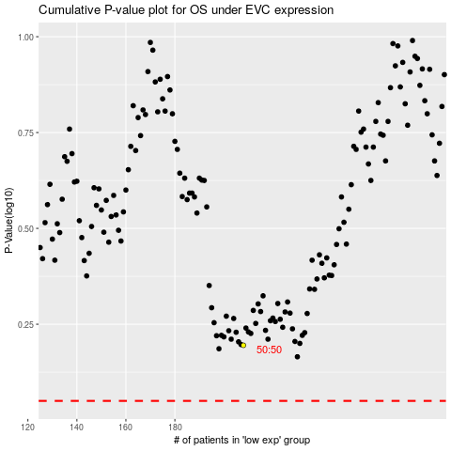

 |  |  |  |  |  | cases_OS | p_OS | rank | exp
 |  |  |  |  |  |  | cases_RFS | p_RFS | rank | exp

