EVC2 _multivariate
Reported by Tex Li-Hsing Chi. tex@gate.sinica.edu.tw 2019-08-20

Table 2. The clinicopathological features of HNSCC cohort and EVC2 expression. (Chi square test)
Cutoff at -0.146 (49.8%)
 |  | EVC2 expression |  | EVC2 expression |  | (Optimised)
 | Features | Low | (%) | High | (%) | Case no | P-value | Remark | Matthews
Gender | Female | 144 | 34.7 | 162 | 39 | 415 | 0.0697 | 0 | 0
2 | Male | 63 | 15.2 | 46 | 11.1
Age at diagnosis | <=65y | 127 | 30.6 | 147 | 35.4 | 415 | 0.0573 | 0 | 0
4 | >65y | 80 | 19.3 | 61 | 14.7
Clinical T Status | T1+T2 | 75 | 18.1 | 74 | 17.8 | 415 | 0.9707 | 0 | 0
6 | T3+T4 | 132 | 31.8 | 134 | 32.3
Clinical N Status | N0 | 99 | 23.9 | 117 | 28.2 | 415 | 0.1054 | 0 | 0
8 | N1-3 | 108 | 26 | 91 | 21.9
Clinical M Status | M0 | 204 | 49.2 | 208 | 50.1 | 415 | 0.1232 | 0 | 0
10 | M1 | 3 | 0.7 | 0 | 0
Clinical Stage | Stage I+II | 49 | 11.8 | 53 | 12.8 | 415 | 0.7535 | 0 | 0
12 | Stage III+IV | 158 | 38.1 | 155 | 37.3
Surgical Margin status | Negative | 152 | 36.6 | 166 | 40 | 415 | 0.1329 | 0 | 0
14 | Positive | 55 | 13.3 | 42 | 10.1
Tobacco Exposure | Low | 91 | 21.9 | 70 | 16.9 | 415 | 0.0346 | 1 | 0
16 | High | 116 | 28 | 138 | 33.3

Table 3. Univariate/Multivariate Cox's proportional hazards regression analyses on OS time of EVC2 gene expression in HNSCC

 |  | Univariate |  |  |  | Multivariate
 | Features | HR | CI95%(L) | CI95%(H) | P-value | HR | CI95%(L) | CI95%(H) | P-value
1 | Female | 1 |  |  |  | 1
Gender | Male | 1.157 | 0.843 | 1.587 | 0.367 | 1.166 | 0.832 | 1.633 | 0.373
11 | <=65y | 1 |  |  |  | 1
Age at diagnosis | >65y | 1.329 | 0.99 | 1.784 | 0.058 | 1.378 | 1.013 | 1.874 | 0.041
12 | T1+T2 | 1 |  |  |  | 1
Clinical T Status | T3+T4 | 1.409 | 1.028 | 1.931 | 0.033 | 2.2 | 1.164 | 4.16 | 0.015
13 | N0 | 1 |  |  |  | 1
Clinical N Status | N1-3 | 1.185 | 0.89 | 1.577 | 0.246 | 1.207 | 0.844 | 1.725 | 0.303
14 | M0 | 1 |  |  |  | 1
Clinical M Status | M1 | 4.097 | 1.009 | 16.644 | 0.049 | 8.5 | 1.842 | 39.225 | 0.006
15 | Stage I+II | 1 |  |  |  | 1
Clinical Stage | Stage III+IV | 1.245 | 0.882 | 1.759 | 0.213 | 0.523 | 0.243 | 1.125 | 0.097
16 | Negative | 1 |  |  |  | 1
Surgical Margin status | Positive | 1.591 | 1.155 | 2.191 | 0.004 | 1.633 | 1.18 | 2.26 | 0.003
17 | Low | 1 |  |  |  | 1
Tobacco Exposure | High | 1.364 | 1.008 | 1.844 | 0.044 | 1.492 | 1.08 | 2.061 | 0.015
18 | Low | 1 |  |  |  | 1
RNAseq(z-score) | High | 0.79 | 0.592 | 1.054 | 0.109 | 0.816 | 0.603 | 1.104 | 0.187

Table 4. Univariate/Multivariate Cox's proportional hazards regression analyses on RFS time of EVC2 gene expression in HNSCC

 |  | Univariate |  |  |  | Multivariate
 | Features | HR | CI95%(L) | CI95%(H) | P-value | HR | CI95%(L) | CI95%(H) | P-value
1 | Female | 1 |  |  |  | 1
Gender | Male | 1.157 | 0.843 | 1.587 | 0.367 | 1.166 | 0.832 | 1.633 | 0.373
11 | <=65y | 1 |  |  |  | 1
Age at diagnosis | >65y | 1.329 | 0.99 | 1.784 | 0.058 | 1.378 | 1.013 | 1.874 | 0.041
12 | T1+T2 | 1 |  |  |  | 1
Clinical T Status | T3+T4 | 1.409 | 1.028 | 1.931 | 0.033 | 2.2 | 1.164 | 4.16 | 0.015
13 | N0 | 1 |  |  |  | 1
Clinical N Status | N1-3 | 1.185 | 0.89 | 1.577 | 0.246 | 1.207 | 0.844 | 1.725 | 0.303
14 | M0 | 1 |  |  |  | 1
Clinical M Status | M1 | 4.097 | 1.009 | 16.644 | 0.049 | 8.5 | 1.842 | 39.225 | 0.006
15 | Stage I+II | 1 |  |  |  | 1
Clinical Stage | Stage III+IV | 1.245 | 0.882 | 1.759 | 0.213 | 0.523 | 0.243 | 1.125 | 0.097
16 | Negative | 1 |  |  |  | 1
Surgical Margin status | Positive | 1.591 | 1.155 | 2.191 | 0.004 | 1.633 | 1.18 | 2.26 | 0.003
17 | Low | 1 |  |  |  | 1
Tobacco Exposure | High | 1.364 | 1.008 | 1.844 | 0.044 | 1.492 | 1.08 | 2.061 | 0.015
18 | Low | 1 |  |  |  | 1
RNAseq(z-score) | High | 0.79 | 0.592 | 1.054 | 0.109 | 0.816 | 0.603 | 1.104 | 0.187

Kaplan-Meier survival estimate: Cutoff at -0.146 (49.8%)



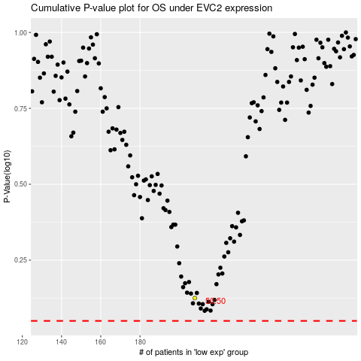

 |  |  |  |  |  | cases_OS | p_OS | rank | exp
 |  |  |  |  |  |  | cases_RFS | p_RFS | rank | exp

