EVI2B _multivariate
Reported by Tex Li-Hsing Chi. tex@gate.sinica.edu.tw 2019-08-20

Table 2. The clinicopathological features of HNSCC cohort and EVI2B expression. (Chi square test)
Cutoff at -0.364 (49.8%)
 |  | EVI2B expression |  | EVI2B expression |  | (Optimised)
 | Features | Low | (%) | High | (%) | Case no | P-value | Remark | Matthews
Gender | Female | 165 | 39.8 | 141 | 34 | 415 | 0.0081 | 1 | 0
2 | Male | 42 | 10.1 | 67 | 16.1
Age at diagnosis | <=65y | 140 | 33.7 | 134 | 32.3 | 415 | 0.5574 | 0 | 0
4 | >65y | 67 | 16.1 | 74 | 17.8
Clinical T Status | T1+T2 | 74 | 17.8 | 75 | 18.1 | 415 | 1 | 0 | 0
6 | T3+T4 | 133 | 32 | 133 | 32
Clinical N Status | N0 | 114 | 27.5 | 102 | 24.6 | 415 | 0.2576 | 1 | 0
8 | N1-3 | 93 | 22.4 | 106 | 25.5
Clinical M Status | M0 | 205 | 49.4 | 207 | 49.9 | 415 | 0.6232 | 0 | 0
10 | M1 | 2 | 0.5 | 1 | 0.2
Clinical Stage | Stage I+II | 51 | 12.3 | 51 | 12.3 | 415 | 1 | 0 | 0
12 | Stage III+IV | 156 | 37.6 | 157 | 37.8
Surgical Margin status | Negative | 154 | 37.1 | 164 | 39.5 | 415 | 0.2984 | 0 | 0
14 | Positive | 53 | 12.8 | 44 | 10.6
Tobacco Exposure | Low | 75 | 18.1 | 86 | 20.7 | 415 | 0.3141 | 0 | 0
16 | High | 132 | 31.8 | 122 | 29.4

Table 3. Univariate/Multivariate Cox's proportional hazards regression analyses on OS time of EVI2B gene expression in HNSCC

 |  | Univariate |  |  |  | Multivariate
 | Features | HR | CI95%(L) | CI95%(H) | P-value | HR | CI95%(L) | CI95%(H) | P-value
1 | Female | 1 |  |  |  | 1
Gender | Male | 1.157 | 0.843 | 1.587 | 0.367 | 1.223 | 0.873 | 1.714 | 0.241
11 | <=65y | 1 |  |  |  | 1
Age at diagnosis | >65y | 1.329 | 0.99 | 1.784 | 0.058 | 1.385 | 1.02 | 1.882 | 0.037
12 | T1+T2 | 1 |  |  |  | 1
Clinical T Status | T3+T4 | 1.409 | 1.028 | 1.931 | 0.033 | 2.205 | 1.167 | 4.169 | 0.015
13 | N0 | 1 |  |  |  | 1
Clinical N Status | N1-3 | 1.185 | 0.89 | 1.577 | 0.246 | 1.249 | 0.876 | 1.783 | 0.22
14 | M0 | 1 |  |  |  | 1
Clinical M Status | M1 | 4.097 | 1.009 | 16.644 | 0.049 | 9.263 | 2.02 | 42.476 | 0.004
15 | Stage I+II | 1 |  |  |  | 1
Clinical Stage | Stage III+IV | 1.245 | 0.882 | 1.759 | 0.213 | 0.504 | 0.235 | 1.081 | 0.078
16 | Negative | 1 |  |  |  | 1
Surgical Margin status | Positive | 1.591 | 1.155 | 2.191 | 0.004 | 1.667 | 1.207 | 2.304 | 0.002
17 | Low | 1 |  |  |  | 1
Tobacco Exposure | High | 1.364 | 1.008 | 1.844 | 0.044 | 1.435 | 1.04 | 1.98 | 0.028
18 | Low | 1 |  |  |  | 1
RNAseq(z-score) | High | 0.873 | 0.655 | 1.163 | 0.352 | 0.881 | 0.658 | 1.179 | 0.393

Table 4. Univariate/Multivariate Cox's proportional hazards regression analyses on RFS time of EVI2B gene expression in HNSCC

 |  | Univariate |  |  |  | Multivariate
 | Features | HR | CI95%(L) | CI95%(H) | P-value | HR | CI95%(L) | CI95%(H) | P-value
1 | Female | 1 |  |  |  | 1
Gender | Male | 1.157 | 0.843 | 1.587 | 0.367 | 1.223 | 0.873 | 1.714 | 0.241
11 | <=65y | 1 |  |  |  | 1
Age at diagnosis | >65y | 1.329 | 0.99 | 1.784 | 0.058 | 1.385 | 1.02 | 1.882 | 0.037
12 | T1+T2 | 1 |  |  |  | 1
Clinical T Status | T3+T4 | 1.409 | 1.028 | 1.931 | 0.033 | 2.205 | 1.167 | 4.169 | 0.015
13 | N0 | 1 |  |  |  | 1
Clinical N Status | N1-3 | 1.185 | 0.89 | 1.577 | 0.246 | 1.249 | 0.876 | 1.783 | 0.22
14 | M0 | 1 |  |  |  | 1
Clinical M Status | M1 | 4.097 | 1.009 | 16.644 | 0.049 | 9.263 | 2.02 | 42.476 | 0.004
15 | Stage I+II | 1 |  |  |  | 1
Clinical Stage | Stage III+IV | 1.245 | 0.882 | 1.759 | 0.213 | 0.504 | 0.235 | 1.081 | 0.078
16 | Negative | 1 |  |  |  | 1
Surgical Margin status | Positive | 1.591 | 1.155 | 2.191 | 0.004 | 1.667 | 1.207 | 2.304 | 0.002
17 | Low | 1 |  |  |  | 1
Tobacco Exposure | High | 1.364 | 1.008 | 1.844 | 0.044 | 1.435 | 1.04 | 1.98 | 0.028
18 | Low | 1 |  |  |  | 1
RNAseq(z-score) | High | 0.873 | 0.655 | 1.163 | 0.352 | 0.881 | 0.658 | 1.179 | 0.393

Kaplan-Meier survival estimate: Cutoff at -0.364 (49.8%)



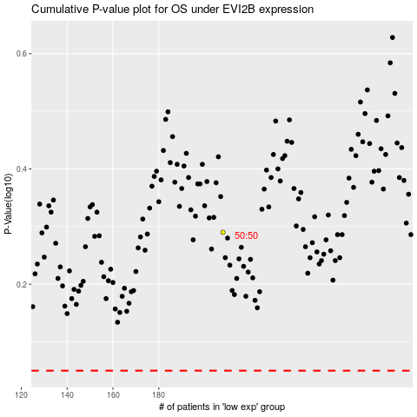

 |  |  |  |  |  | cases_OS | p_OS | rank | exp
 |  |  |  |  |  |  | cases_RFS | p_RFS | rank | exp

