EVL _multivariate
Reported by Tex Li-Hsing Chi. tex@gate.sinica.edu.tw 2019-08-20

Table 2. The clinicopathological features of HNSCC cohort and EVL expression. (Chi square test)
Cutoff at 0.223 (69.6%)
 |  | EVL expression |  | EVL expression |  | (Optimised)
 | Features | Low | (%) | High | (%) | Case no | P-value | Remark | Matthews
Gender | Female | 207 | 49.9 | 99 | 23.9 | 415 | 0.1748 | 0 | 0
2 | Male | 82 | 19.8 | 27 | 6.5
Age at diagnosis | <=65y | 188 | 45.3 | 86 | 20.7 | 415 | 0.6027 | 0 | 0
4 | >65y | 101 | 24.3 | 40 | 9.6
Clinical T Status | T1+T2 | 105 | 25.3 | 44 | 10.6 | 415 | 0.8695 | 0 | 0
6 | T3+T4 | 184 | 44.3 | 82 | 19.8
Clinical N Status | N0 | 154 | 37.1 | 62 | 14.9 | 415 | 0.5103 | 0 | 0
8 | N1-3 | 135 | 32.5 | 64 | 15.4
Clinical M Status | M0 | 287 | 69.2 | 125 | 30.1 | 415 | 1 | 0 | 0
10 | M1 | 2 | 0.5 | 1 | 0.2
Clinical Stage | Stage I+II | 75 | 18.1 | 27 | 6.5 | 415 | 0.3898 | 0 | 0
12 | Stage III+IV | 214 | 51.6 | 99 | 23.9
Surgical Margin status | Negative | 222 | 53.5 | 96 | 23.1 | 415 | 0.9001 | 0 | 0
14 | Positive | 67 | 16.1 | 30 | 7.2
Tobacco Exposure | Low | 108 | 26 | 53 | 12.8 | 415 | 0.3823 | 0 | 0
16 | High | 181 | 43.6 | 73 | 17.6

Table 3. Univariate/Multivariate Cox's proportional hazards regression analyses on OS time of EVL gene expression in HNSCC

 |  | Univariate |  |  |  | Multivariate
 | Features | HR | CI95%(L) | CI95%(H) | P-value | HR | CI95%(L) | CI95%(H) | P-value
1 | Female | 1 |  |  |  | 1
Gender | Male | 1.157 | 0.843 | 1.587 | 0.367 | 1.19 | 0.852 | 1.662 | 0.307
11 | <=65y | 1 |  |  |  | 1
Age at diagnosis | >65y | 1.329 | 0.99 | 1.784 | 0.058 | 1.4 | 1.03 | 1.902 | 0.032
12 | T1+T2 | 1 |  |  |  | 1
Clinical T Status | T3+T4 | 1.409 | 1.028 | 1.931 | 0.033 | 2.203 | 1.165 | 4.166 | 0.015
13 | N0 | 1 |  |  |  | 1
Clinical N Status | N1-3 | 1.185 | 0.89 | 1.577 | 0.246 | 1.27 | 0.89 | 1.813 | 0.187
14 | M0 | 1 |  |  |  | 1
Clinical M Status | M1 | 4.097 | 1.009 | 16.644 | 0.049 | 9.533 | 2.08 | 43.685 | 0.004
15 | Stage I+II | 1 |  |  |  | 1
Clinical Stage | Stage III+IV | 1.245 | 0.882 | 1.759 | 0.213 | 0.509 | 0.237 | 1.093 | 0.083
16 | Negative | 1 |  |  |  | 1
Surgical Margin status | Positive | 1.591 | 1.155 | 2.191 | 0.004 | 1.707 | 1.234 | 2.361 | 0.001
17 | Low | 1 |  |  |  | 1
Tobacco Exposure | High | 1.364 | 1.008 | 1.844 | 0.044 | 1.409 | 1.02 | 1.946 | 0.038
18 | Low | 1 |  |  |  | 1
RNAseq(z-score) | High | 0.608 | 0.437 | 0.845 | 0.003 | 0.595 | 0.427 | 0.83 | 0.002

Table 4. Univariate/Multivariate Cox's proportional hazards regression analyses on RFS time of EVL gene expression in HNSCC

 |  | Univariate |  |  |  | Multivariate
 | Features | HR | CI95%(L) | CI95%(H) | P-value | HR | CI95%(L) | CI95%(H) | P-value
1 | Female | 1 |  |  |  | 1
Gender | Male | 1.157 | 0.843 | 1.587 | 0.367 | 1.19 | 0.852 | 1.662 | 0.307
11 | <=65y | 1 |  |  |  | 1
Age at diagnosis | >65y | 1.329 | 0.99 | 1.784 | 0.058 | 1.4 | 1.03 | 1.902 | 0.032
12 | T1+T2 | 1 |  |  |  | 1
Clinical T Status | T3+T4 | 1.409 | 1.028 | 1.931 | 0.033 | 2.203 | 1.165 | 4.166 | 0.015
13 | N0 | 1 |  |  |  | 1
Clinical N Status | N1-3 | 1.185 | 0.89 | 1.577 | 0.246 | 1.27 | 0.89 | 1.813 | 0.187
14 | M0 | 1 |  |  |  | 1
Clinical M Status | M1 | 4.097 | 1.009 | 16.644 | 0.049 | 9.533 | 2.08 | 43.685 | 0.004
15 | Stage I+II | 1 |  |  |  | 1
Clinical Stage | Stage III+IV | 1.245 | 0.882 | 1.759 | 0.213 | 0.509 | 0.237 | 1.093 | 0.083
16 | Negative | 1 |  |  |  | 1
Surgical Margin status | Positive | 1.591 | 1.155 | 2.191 | 0.004 | 1.707 | 1.234 | 2.361 | 0.001
17 | Low | 1 |  |  |  | 1
Tobacco Exposure | High | 1.364 | 1.008 | 1.844 | 0.044 | 1.409 | 1.02 | 1.946 | 0.038
18 | Low | 1 |  |  |  | 1
RNAseq(z-score) | High | 0.608 | 0.437 | 0.845 | 0.003 | 0.595 | 0.427 | 0.83 | 0.002

Kaplan-Meier survival estimate: Cutoff at 0.223 (69.6%)

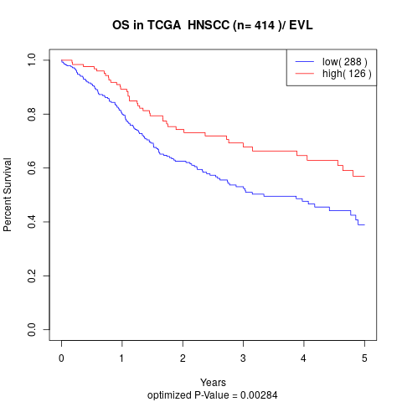

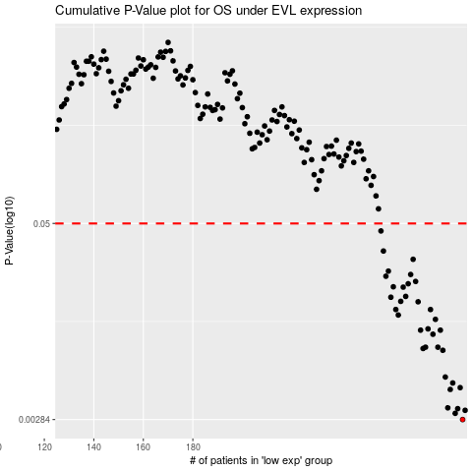

 |  |  |  |  |  | cases_OS | p_OS | rank | exp
 |  |  |  |  |  | 289 | 0.00284 | 307 | 0.2225470023
 |  |  |  |  |  | 286 | 0.00311 | 298 | 0.21257132047
 |  |  |  |  |  | 290 | 0.00325 | 334 | 0.22414438944
 |  |  |  |  |  | 287 | 0.00333 | 141 | 0.2169968047
 |  |  |  |  |  | 283 | 0.00337 | 347 | 0.18964072584
 |  |  |  |  |  | 284 | 0.00441 | 384 | 0.19141392869
 |  |  |  |  |  | 288 | 0.00453 | 115 | 0.21811577025
 |  |  |  |  |  | 285 | 0.00485 | 191 | 0.1960047473
 |  |  |  |  |  | 282 | 0.00529 | 21 | 0.18418536729
 |  |  |  |  |  | 281 | 0.00782 | 80 | 0.17754291461
 |  |  |  |  |  | 273 | 0.00803 | 345 | 0.14696518196
 |  |  |  |  |  | 274 | 0.00818 | 165 | 0.16244135963
 |  |  |  |  |  | 279 | 0.00818 | 169 | 0.17581383475
 |  |  |  |  |  | 277 | 0.00989 | 350 | 0.16827607438
 |  |  |  |  |  | 280 | 0.0105 | 77 | 0.17592050754
 |  |  |  |  |  | 272 | 0.0105 | 405 | 0.13848815998
 |  |  |  |  |  | 275 | 0.0107 | 109 | 0.16301259163
 |  |  |  |  |  | 278 | 0.0123 | 285 | 0.16980803779
 |  |  |  |  |  | 263 | 0.0131 | 392 | 0.075695749006
 |  |  |  |  |  | 276 | 0.0142 | 114 | 0.16303727345
 |  |  |  |  |  | 262 | 0.0142 | 279 | 0.060645586313
 |  |  |  |  |  | 271 | 0.0159 | 247 | 0.13171807186
 |  |  |  |  |  | 264 | 0.016 | 119 | 0.075735645647
 |  |  |  |  |  | 260 | 0.017 | 378 | 0.057932783753
 |  |  |  |  |  | 266 | 0.0172 | 167 | 0.079964689634
 |  |  |  |  |  | 265 | 0.0197 | 226 | 0.075801576538
 |  |  |  |  |  | 261 | 0.0198 | 97 | 0.058522611642
 |  |  |  |  |  | 267 | 0.0207 | 351 | 0.09056198142
 |  |  |  |  |  | 270 | 0.0214 | 361 | 0.12323969746
 |  |  |  |  |  | 258 | 0.0231 | 146 | 0.057256569492
 |  |  |  |  |  | 268 | 0.0237 | 132 | 0.10582853268
 |  |  |  |  |  | 259 | 0.0249 | 398 | 0.057747331992
 |  |  |  |  |  | 269 | 0.0296 | 68 | 0.10831750832
 |  |  |  |  |  | 257 | 0.0334 | 99 | 0.057220561083
 |  |  |  |  |  | 256 | 0.0448 | 62 | 0.056186460425
 |  |  |  |  |  |  | cases_RFS | p_RFS | rank | exp
 |  |  |  |  |  |  | 288 | 0.00284 | 115 | 0.21811577025
 |  |  |  |  |  |  | 285 | 0.00311 | 191 | 0.1960047473
 |  |  |  |  |  |  | 289 | 0.00325 | 307 | 0.2225470023
 |  |  |  |  |  |  | 286 | 0.00333 | 298 | 0.21257132047
 |  |  |  |  |  |  | 282 | 0.00337 | 21 | 0.18418536729
 |  |  |  |  |  |  | 283 | 0.00441 | 347 | 0.18964072584
 |  |  |  |  |  |  | 287 | 0.00453 | 141 | 0.2169968047
 |  |  |  |  |  |  | 284 | 0.00485 | 384 | 0.19141392869
 |  |  |  |  |  |  | 281 | 0.00529 | 80 | 0.17754291461
 |  |  |  |  |  |  | 280 | 0.00782 | 77 | 0.17592050754
 |  |  |  |  |  |  | 272 | 0.00803 | 405 | 0.13848815998
 |  |  |  |  |  |  | 278 | 0.00818 | 285 | 0.16980803779
 |  |  |  |  |  |  | 273 | 0.00818 | 345 | 0.14696518196
 |  |  |  |  |  |  | 276 | 0.00989 | 114 | 0.16303727345
 |  |  |  |  |  |  | 279 | 0.0105 | 169 | 0.17581383475
 |  |  |  |  |  |  | 271 | 0.0105 | 247 | 0.13171807186
 |  |  |  |  |  |  | 274 | 0.0107 | 165 | 0.16244135963
 |  |  |  |  |  |  | 277 | 0.0123 | 350 | 0.16827607438
 |  |  |  |  |  |  | 262 | 0.0131 | 279 | 0.060645586313
 |  |  |  |  |  |  | 261 | 0.0142 | 97 | 0.058522611642
 |  |  |  |  |  |  | 275 | 0.0142 | 109 | 0.16301259163
 |  |  |  |  |  |  | 270 | 0.0159 | 361 | 0.12323969746
 |  |  |  |  |  |  | 263 | 0.016 | 392 | 0.075695749006
 |  |  |  |  |  |  | 259 | 0.017 | 398 | 0.057747331992
 |  |  |  |  |  |  | 265 | 0.0172 | 226 | 0.075801576538
 |  |  |  |  |  |  | 264 | 0.0197 | 119 | 0.075735645647
 |  |  |  |  |  |  | 260 | 0.0198 | 378 | 0.057932783753
 |  |  |  |  |  |  | 266 | 0.0207 | 167 | 0.079964689634
 |  |  |  |  |  |  | 269 | 0.0214 | 68 | 0.10831750832
 |  |  |  |  |  |  | 257 | 0.0231 | 99 | 0.057220561083
 |  |  |  |  |  |  | 267 | 0.0237 | 351 | 0.09056198142
 |  |  |  |  |  |  | 258 | 0.0249 | 146 | 0.057256569492
 |  |  |  |  |  |  | 268 | 0.0296 | 132 | 0.10582853268
 |  |  |  |  |  |  | 256 | 0.0334 | 62 | 0.056186460425
 |  |  |  |  |  |  | 255 | 0.0448 | 201 | 0.043262484421

