EXO1 _multivariate
Reported by Tex Li-Hsing Chi. tex@gate.sinica.edu.tw 2019-08-20

Table 2. The clinicopathological features of HNSCC cohort and EXO1 expression. (Chi square test)
Cutoff at -0.124 (49.8%)
 |  | EXO1 expression |  | EXO1 expression |  | (Optimised)
 | Features | Low | (%) | High | (%) | Case no | P-value | Remark | Matthews
Gender | Female | 143 | 34.5 | 163 | 39.3 | 415 | 0.0416 | 1 | 0
2 | Male | 64 | 15.4 | 45 | 10.8
Age at diagnosis | <=65y | 132 | 31.8 | 142 | 34.2 | 415 | 0.3874 | 0 | 0
4 | >65y | 75 | 18.1 | 66 | 15.9
Clinical T Status | T1+T2 | 78 | 18.8 | 71 | 17.1 | 415 | 0.5152 | 0 | 0
6 | T3+T4 | 129 | 31.1 | 137 | 33
Clinical N Status | N0 | 112 | 27 | 104 | 25.1 | 415 | 0.4599 | 0 | 0
8 | N1-3 | 95 | 22.9 | 104 | 25.1
Clinical M Status | M0 | 207 | 49.9 | 205 | 49.4 | 415 | 0.2482 | 0 | 0
10 | M1 | 0 | 0 | 3 | 0.7
Clinical Stage | Stage I+II | 59 | 14.2 | 43 | 10.4 | 415 | 0.0822 | 0 | 0
12 | Stage III+IV | 148 | 35.7 | 165 | 39.8
Surgical Margin status | Negative | 162 | 39 | 156 | 37.6 | 415 | 0.4867 | 0 | 0
14 | Positive | 45 | 10.8 | 52 | 12.5
Tobacco Exposure | Low | 98 | 23.6 | 63 | 15.2 | 415 | 4e-04 | 1 | 0
16 | High | 109 | 26.3 | 145 | 34.9

Table 3. Univariate/Multivariate Cox's proportional hazards regression analyses on OS time of EXO1 gene expression in HNSCC

 |  | Univariate |  |  |  | Multivariate
 | Features | HR | CI95%(L) | CI95%(H) | P-value | HR | CI95%(L) | CI95%(H) | P-value
1 | Female | 1 |  |  |  | 1
Gender | Male | 1.157 | 0.843 | 1.587 | 0.367 | 1.205 | 0.863 | 1.684 | 0.274
11 | <=65y | 1 |  |  |  | 1
Age at diagnosis | >65y | 1.329 | 0.99 | 1.784 | 0.058 | 1.398 | 1.028 | 1.902 | 0.033
12 | T1+T2 | 1 |  |  |  | 1
Clinical T Status | T3+T4 | 1.409 | 1.028 | 1.931 | 0.033 | 2.218 | 1.173 | 4.197 | 0.014
13 | N0 | 1 |  |  |  | 1
Clinical N Status | N1-3 | 1.185 | 0.89 | 1.577 | 0.246 | 1.251 | 0.875 | 1.788 | 0.219
14 | M0 | 1 |  |  |  | 1
Clinical M Status | M1 | 4.097 | 1.009 | 16.644 | 0.049 | 9.121 | 1.981 | 42.007 | 0.005
15 | Stage I+II | 1 |  |  |  | 1
Clinical Stage | Stage III+IV | 1.245 | 0.882 | 1.759 | 0.213 | 0.494 | 0.229 | 1.066 | 0.072
16 | Negative | 1 |  |  |  | 1
Surgical Margin status | Positive | 1.591 | 1.155 | 2.191 | 0.004 | 1.657 | 1.197 | 2.293 | 0.002
17 | Low | 1 |  |  |  | 1
Tobacco Exposure | High | 1.364 | 1.008 | 1.844 | 0.044 | 1.437 | 1.041 | 1.985 | 0.028
18 | Low | 1 |  |  |  | 1
RNAseq(z-score) | High | 1.151 | 0.863 | 1.536 | 0.338 | 1.079 | 0.8 | 1.454 | 0.619

Table 4. Univariate/Multivariate Cox's proportional hazards regression analyses on RFS time of EXO1 gene expression in HNSCC

 |  | Univariate |  |  |  | Multivariate
 | Features | HR | CI95%(L) | CI95%(H) | P-value | HR | CI95%(L) | CI95%(H) | P-value
1 | Female | 1 |  |  |  | 1
Gender | Male | 1.157 | 0.843 | 1.587 | 0.367 | 1.205 | 0.863 | 1.684 | 0.274
11 | <=65y | 1 |  |  |  | 1
Age at diagnosis | >65y | 1.329 | 0.99 | 1.784 | 0.058 | 1.398 | 1.028 | 1.902 | 0.033
12 | T1+T2 | 1 |  |  |  | 1
Clinical T Status | T3+T4 | 1.409 | 1.028 | 1.931 | 0.033 | 2.218 | 1.173 | 4.197 | 0.014
13 | N0 | 1 |  |  |  | 1
Clinical N Status | N1-3 | 1.185 | 0.89 | 1.577 | 0.246 | 1.251 | 0.875 | 1.788 | 0.219
14 | M0 | 1 |  |  |  | 1
Clinical M Status | M1 | 4.097 | 1.009 | 16.644 | 0.049 | 9.121 | 1.981 | 42.007 | 0.005
15 | Stage I+II | 1 |  |  |  | 1
Clinical Stage | Stage III+IV | 1.245 | 0.882 | 1.759 | 0.213 | 0.494 | 0.229 | 1.066 | 0.072
16 | Negative | 1 |  |  |  | 1
Surgical Margin status | Positive | 1.591 | 1.155 | 2.191 | 0.004 | 1.657 | 1.197 | 2.293 | 0.002
17 | Low | 1 |  |  |  | 1
Tobacco Exposure | High | 1.364 | 1.008 | 1.844 | 0.044 | 1.437 | 1.041 | 1.985 | 0.028
18 | Low | 1 |  |  |  | 1
RNAseq(z-score) | High | 1.151 | 0.863 | 1.536 | 0.338 | 1.079 | 0.8 | 1.454 | 0.619

Kaplan-Meier survival estimate: Cutoff at -0.124 (49.8%)



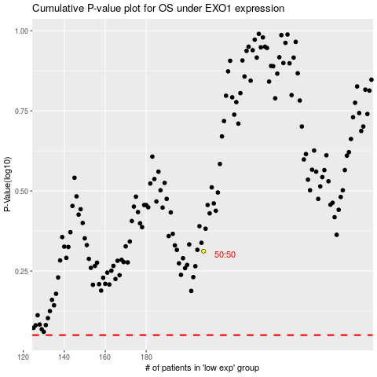

 |  |  |  |  |  | cases_OS | p_OS | rank | exp
 |  |  |  |  |  |  | cases_RFS | p_RFS | rank | exp

