EXOC1 _multivariate
Reported by Tex Li-Hsing Chi. tex@gate.sinica.edu.tw 2019-08-20

Table 2. The clinicopathological features of HNSCC cohort and EXOC1 expression. (Chi square test)
Cutoff at -0.122 (50.0%)
 |  | EXOC1 expression |  | EXOC1 expression |  | (Optimised)
 | Features | Low | (%) | High | (%) | Case no | P-value | Remark | Matthews
Gender | Female | 161 | 38.8 | 145 | 34.9 | 415 | 0.0792 | 0 | 0
2 | Male | 46 | 11.1 | 63 | 15.2
Age at diagnosis | <=65y | 130 | 31.3 | 144 | 34.7 | 415 | 0.2009 | 0 | 0
4 | >65y | 77 | 18.6 | 64 | 15.4
Clinical T Status | T1+T2 | 71 | 17.1 | 78 | 18.8 | 415 | 0.5638 | 0 | 0
6 | T3+T4 | 136 | 32.8 | 130 | 31.3
Clinical N Status | N0 | 103 | 24.8 | 113 | 27.2 | 415 | 0.4047 | 0 | 0
8 | N1-3 | 104 | 25.1 | 95 | 22.9
Clinical M Status | M0 | 207 | 49.9 | 205 | 49.4 | 415 | 0.2482 | 0 | 0
10 | M1 | 0 | 0 | 3 | 0.7
Clinical Stage | Stage I+II | 48 | 11.6 | 54 | 13 | 415 | 0.5878 | 0 | 0
12 | Stage III+IV | 159 | 38.3 | 154 | 37.1
Surgical Margin status | Negative | 156 | 37.6 | 162 | 39 | 415 | 0.5636 | 0 | 0
14 | Positive | 51 | 12.3 | 46 | 11.1
Tobacco Exposure | Low | 71 | 17.1 | 90 | 21.7 | 415 | 0.0698 | 0 | 0
16 | High | 136 | 32.8 | 118 | 28.4

Table 3. Univariate/Multivariate Cox's proportional hazards regression analyses on OS time of EXOC1 gene expression in HNSCC

 |  | Univariate |  |  |  | Multivariate
 | Features | HR | CI95%(L) | CI95%(H) | P-value | HR | CI95%(L) | CI95%(H) | P-value
1 | Female | 1 |  |  |  | 1
Gender | Male | 1.157 | 0.843 | 1.587 | 0.367 | 1.184 | 0.846 | 1.659 | 0.325
11 | <=65y | 1 |  |  |  | 1
Age at diagnosis | >65y | 1.329 | 0.99 | 1.784 | 0.058 | 1.403 | 1.031 | 1.908 | 0.031
12 | T1+T2 | 1 |  |  |  | 1
Clinical T Status | T3+T4 | 1.409 | 1.028 | 1.931 | 0.033 | 2.229 | 1.177 | 4.22 | 0.014
13 | N0 | 1 |  |  |  | 1
Clinical N Status | N1-3 | 1.185 | 0.89 | 1.577 | 0.246 | 1.252 | 0.877 | 1.788 | 0.217
14 | M0 | 1 |  |  |  | 1
Clinical M Status | M1 | 4.097 | 1.009 | 16.644 | 0.049 | 8.974 | 1.946 | 41.393 | 0.005
15 | Stage I+II | 1 |  |  |  | 1
Clinical Stage | Stage III+IV | 1.245 | 0.882 | 1.759 | 0.213 | 0.502 | 0.234 | 1.078 | 0.077
16 | Negative | 1 |  |  |  | 1
Surgical Margin status | Positive | 1.591 | 1.155 | 2.191 | 0.004 | 1.676 | 1.212 | 2.316 | 0.002
17 | Low | 1 |  |  |  | 1
Tobacco Exposure | High | 1.364 | 1.008 | 1.844 | 0.044 | 1.455 | 1.056 | 2.004 | 0.022
18 | Low | 1 |  |  |  | 1
RNAseq(z-score) | High | 1.069 | 0.803 | 1.425 | 0.647 | 1.104 | 0.823 | 1.481 | 0.51

Table 4. Univariate/Multivariate Cox's proportional hazards regression analyses on RFS time of EXOC1 gene expression in HNSCC

 |  | Univariate |  |  |  | Multivariate
 | Features | HR | CI95%(L) | CI95%(H) | P-value | HR | CI95%(L) | CI95%(H) | P-value
1 | Female | 1 |  |  |  | 1
Gender | Male | 1.157 | 0.843 | 1.587 | 0.367 | 1.184 | 0.846 | 1.659 | 0.325
11 | <=65y | 1 |  |  |  | 1
Age at diagnosis | >65y | 1.329 | 0.99 | 1.784 | 0.058 | 1.403 | 1.031 | 1.908 | 0.031
12 | T1+T2 | 1 |  |  |  | 1
Clinical T Status | T3+T4 | 1.409 | 1.028 | 1.931 | 0.033 | 2.229 | 1.177 | 4.22 | 0.014
13 | N0 | 1 |  |  |  | 1
Clinical N Status | N1-3 | 1.185 | 0.89 | 1.577 | 0.246 | 1.252 | 0.877 | 1.788 | 0.217
14 | M0 | 1 |  |  |  | 1
Clinical M Status | M1 | 4.097 | 1.009 | 16.644 | 0.049 | 8.974 | 1.946 | 41.393 | 0.005
15 | Stage I+II | 1 |  |  |  | 1
Clinical Stage | Stage III+IV | 1.245 | 0.882 | 1.759 | 0.213 | 0.502 | 0.234 | 1.078 | 0.077
16 | Negative | 1 |  |  |  | 1
Surgical Margin status | Positive | 1.591 | 1.155 | 2.191 | 0.004 | 1.676 | 1.212 | 2.316 | 0.002
17 | Low | 1 |  |  |  | 1
Tobacco Exposure | High | 1.364 | 1.008 | 1.844 | 0.044 | 1.455 | 1.056 | 2.004 | 0.022
18 | Low | 1 |  |  |  | 1
RNAseq(z-score) | High | 1.069 | 0.803 | 1.425 | 0.647 | 1.104 | 0.823 | 1.481 | 0.51

Kaplan-Meier survival estimate: Cutoff at -0.122 (50.0%)



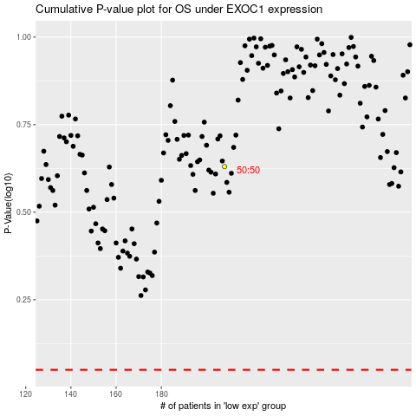

 |  |  |  |  |  | cases_OS | p_OS | rank | exp
 |  |  |  |  |  |  | cases_RFS | p_RFS | rank | exp

