EXOC2 _multivariate
Reported by Tex Li-Hsing Chi. tex@gate.sinica.edu.tw 2019-08-20

Table 2. The clinicopathological features of HNSCC cohort and EXOC2 expression. (Chi square test)
Cutoff at 0.011 (49.8%)
 |  | EXOC2 expression |  | EXOC2 expression |  | (Optimised)
 | Features | Low | (%) | High | (%) | Case no | P-value | Remark | Matthews
Gender | Female | 163 | 39.3 | 143 | 34.5 | 415 | 0.0277 | 1 | 0
2 | Male | 44 | 10.6 | 65 | 15.7
Age at diagnosis | <=65y | 142 | 34.2 | 132 | 31.8 | 415 | 0.3167 | 0 | 0
4 | >65y | 65 | 15.7 | 76 | 18.3
Clinical T Status | T1+T2 | 64 | 15.4 | 85 | 20.5 | 415 | 0.0445 | 1 | 0
6 | T3+T4 | 143 | 34.5 | 123 | 29.6
Clinical N Status | N0 | 100 | 24.1 | 116 | 28 | 415 | 0.1548 | 0 | 0
8 | N1-3 | 107 | 25.8 | 92 | 22.2
Clinical M Status | M0 | 206 | 49.6 | 206 | 49.6 | 415 | 1 | 0 | 0
10 | M1 | 1 | 0.2 | 2 | 0.5
Clinical Stage | Stage I+II | 40 | 9.6 | 62 | 14.9 | 415 | 0.018 | 1 | 0
12 | Stage III+IV | 167 | 40.2 | 146 | 35.2
Surgical Margin status | Negative | 154 | 37.1 | 164 | 39.5 | 415 | 0.2984 | 0 | 0
14 | Positive | 53 | 12.8 | 44 | 10.6
Tobacco Exposure | Low | 60 | 14.5 | 101 | 24.3 | 415 | 1e-04 | 1 | 0
16 | High | 147 | 35.4 | 107 | 25.8

Table 3. Univariate/Multivariate Cox's proportional hazards regression analyses on OS time of EXOC2 gene expression in HNSCC

 |  | Univariate |  |  |  | Multivariate
 | Features | HR | CI95%(L) | CI95%(H) | P-value | HR | CI95%(L) | CI95%(H) | P-value
1 | Female | 1 |  |  |  | 1
Gender | Male | 1.157 | 0.843 | 1.587 | 0.367 | 1.196 | 0.856 | 1.67 | 0.294
11 | <=65y | 1 |  |  |  | 1
Age at diagnosis | >65y | 1.329 | 0.99 | 1.784 | 0.058 | 1.395 | 1.026 | 1.897 | 0.034
12 | T1+T2 | 1 |  |  |  | 1
Clinical T Status | T3+T4 | 1.409 | 1.028 | 1.931 | 0.033 | 2.236 | 1.182 | 4.229 | 0.013
13 | N0 | 1 |  |  |  | 1
Clinical N Status | N1-3 | 1.185 | 0.89 | 1.577 | 0.246 | 1.262 | 0.884 | 1.8 | 0.2
14 | M0 | 1 |  |  |  | 1
Clinical M Status | M1 | 4.097 | 1.009 | 16.644 | 0.049 | 8.766 | 1.907 | 40.288 | 0.005
15 | Stage I+II | 1 |  |  |  | 1
Clinical Stage | Stage III+IV | 1.245 | 0.882 | 1.759 | 0.213 | 0.513 | 0.239 | 1.102 | 0.087
16 | Negative | 1 |  |  |  | 1
Surgical Margin status | Positive | 1.591 | 1.155 | 2.191 | 0.004 | 1.688 | 1.221 | 2.332 | 0.002
17 | Low | 1 |  |  |  | 1
Tobacco Exposure | High | 1.364 | 1.008 | 1.844 | 0.044 | 1.516 | 1.096 | 2.097 | 0.012
18 | Low | 1 |  |  |  | 1
RNAseq(z-score) | High | 1.124 | 0.842 | 1.499 | 0.428 | 1.26 | 0.935 | 1.699 | 0.129

Table 4. Univariate/Multivariate Cox's proportional hazards regression analyses on RFS time of EXOC2 gene expression in HNSCC

 |  | Univariate |  |  |  | Multivariate
 | Features | HR | CI95%(L) | CI95%(H) | P-value | HR | CI95%(L) | CI95%(H) | P-value
1 | Female | 1 |  |  |  | 1
Gender | Male | 1.157 | 0.843 | 1.587 | 0.367 | 1.196 | 0.856 | 1.67 | 0.294
11 | <=65y | 1 |  |  |  | 1
Age at diagnosis | >65y | 1.329 | 0.99 | 1.784 | 0.058 | 1.395 | 1.026 | 1.897 | 0.034
12 | T1+T2 | 1 |  |  |  | 1
Clinical T Status | T3+T4 | 1.409 | 1.028 | 1.931 | 0.033 | 2.236 | 1.182 | 4.229 | 0.013
13 | N0 | 1 |  |  |  | 1
Clinical N Status | N1-3 | 1.185 | 0.89 | 1.577 | 0.246 | 1.262 | 0.884 | 1.8 | 0.2
14 | M0 | 1 |  |  |  | 1
Clinical M Status | M1 | 4.097 | 1.009 | 16.644 | 0.049 | 8.766 | 1.907 | 40.288 | 0.005
15 | Stage I+II | 1 |  |  |  | 1
Clinical Stage | Stage III+IV | 1.245 | 0.882 | 1.759 | 0.213 | 0.513 | 0.239 | 1.102 | 0.087
16 | Negative | 1 |  |  |  | 1
Surgical Margin status | Positive | 1.591 | 1.155 | 2.191 | 0.004 | 1.688 | 1.221 | 2.332 | 0.002
17 | Low | 1 |  |  |  | 1
Tobacco Exposure | High | 1.364 | 1.008 | 1.844 | 0.044 | 1.516 | 1.096 | 2.097 | 0.012
18 | Low | 1 |  |  |  | 1
RNAseq(z-score) | High | 1.124 | 0.842 | 1.499 | 0.428 | 1.26 | 0.935 | 1.699 | 0.129

Kaplan-Meier survival estimate: Cutoff at 0.011 (49.8%)



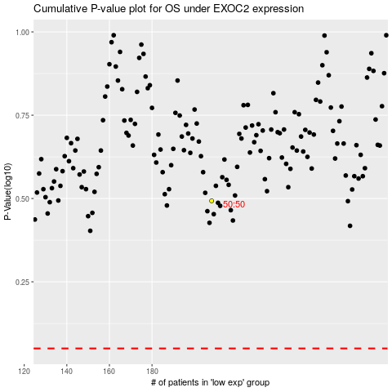

 |  |  |  |  |  | cases_OS | p_OS | rank | exp
 |  |  |  |  |  |  | cases_RFS | p_RFS | rank | exp

