EXOC8 _multivariate
Reported by Tex Li-Hsing Chi. tex@gate.sinica.edu.tw 2019-08-20

Table 2. The clinicopathological features of HNSCC cohort and EXOC8 expression. (Chi square test)
Cutoff at -0.197 (46.9%)
 |  | EXOC8 expression |  | EXOC8 expression |  | (Optimised)
 | Features | Low | (%) | High | (%) | Case no | P-value | Remark | Matthews
Gender | Female | 151 | 36.4 | 155 | 37.3 | 415 | 0.0956 | 0 | 0
2 | Male | 43 | 10.4 | 66 | 15.9
Age at diagnosis | <=65y | 129 | 31.1 | 145 | 34.9 | 415 | 0.9316 | 0 | 0
4 | >65y | 65 | 15.7 | 76 | 18.3
Clinical T Status | T1+T2 | 67 | 16.1 | 82 | 19.8 | 415 | 0.6588 | 0 | 0
6 | T3+T4 | 127 | 30.6 | 139 | 33.5
Clinical N Status | N0 | 90 | 21.7 | 126 | 30.4 | 415 | 0.0392 | 1 | 0
8 | N1-3 | 104 | 25.1 | 95 | 22.9
Clinical M Status | M0 | 191 | 46 | 221 | 53.3 | 415 | 0.1013 | 0 | 0
10 | M1 | 3 | 0.7 | 0 | 0
Clinical Stage | Stage I+II | 42 | 10.1 | 60 | 14.5 | 415 | 0.2364 | 0 | 0
12 | Stage III+IV | 152 | 36.6 | 161 | 38.8
Surgical Margin status | Negative | 144 | 34.7 | 174 | 41.9 | 415 | 0.2969 | 0 | 0
14 | Positive | 50 | 12 | 47 | 11.3
Tobacco Exposure | Low | 76 | 18.3 | 85 | 20.5 | 415 | 0.9197 | 0 | 0
16 | High | 118 | 28.4 | 136 | 32.8

Table 3. Univariate/Multivariate Cox's proportional hazards regression analyses on OS time of EXOC8 gene expression in HNSCC

 |  | Univariate |  |  |  | Multivariate
 | Features | HR | CI95%(L) | CI95%(H) | P-value | HR | CI95%(L) | CI95%(H) | P-value
1 | Female | 1 |  |  |  | 1
Gender | Male | 1.157 | 0.843 | 1.587 | 0.367 | 1.223 | 0.873 | 1.714 | 0.241
11 | <=65y | 1 |  |  |  | 1
Age at diagnosis | >65y | 1.329 | 0.99 | 1.784 | 0.058 | 1.367 | 1.004 | 1.86 | 0.047
12 | T1+T2 | 1 |  |  |  | 1
Clinical T Status | T3+T4 | 1.409 | 1.028 | 1.931 | 0.033 | 2.157 | 1.14 | 4.082 | 0.018
13 | N0 | 1 |  |  |  | 1
Clinical N Status | N1-3 | 1.185 | 0.89 | 1.577 | 0.246 | 1.211 | 0.848 | 1.73 | 0.292
14 | M0 | 1 |  |  |  | 1
Clinical M Status | M1 | 4.097 | 1.009 | 16.644 | 0.049 | 8.343 | 1.808 | 38.507 | 0.007
15 | Stage I+II | 1 |  |  |  | 1
Clinical Stage | Stage III+IV | 1.245 | 0.882 | 1.759 | 0.213 | 0.508 | 0.237 | 1.091 | 0.082
16 | Negative | 1 |  |  |  | 1
Surgical Margin status | Positive | 1.591 | 1.155 | 2.191 | 0.004 | 1.662 | 1.203 | 2.298 | 0.002
17 | Low | 1 |  |  |  | 1
Tobacco Exposure | High | 1.364 | 1.008 | 1.844 | 0.044 | 1.463 | 1.06 | 2.019 | 0.021
18 | Low | 1 |  |  |  | 1
RNAseq(z-score) | High | 0.748 | 0.561 | 0.996 | 0.047 | 0.795 | 0.593 | 1.065 | 0.124

Table 4. Univariate/Multivariate Cox's proportional hazards regression analyses on RFS time of EXOC8 gene expression in HNSCC

 |  | Univariate |  |  |  | Multivariate
 | Features | HR | CI95%(L) | CI95%(H) | P-value | HR | CI95%(L) | CI95%(H) | P-value
1 | Female | 1 |  |  |  | 1
Gender | Male | 1.157 | 0.843 | 1.587 | 0.367 | 1.223 | 0.873 | 1.714 | 0.241
11 | <=65y | 1 |  |  |  | 1
Age at diagnosis | >65y | 1.329 | 0.99 | 1.784 | 0.058 | 1.367 | 1.004 | 1.86 | 0.047
12 | T1+T2 | 1 |  |  |  | 1
Clinical T Status | T3+T4 | 1.409 | 1.028 | 1.931 | 0.033 | 2.157 | 1.14 | 4.082 | 0.018
13 | N0 | 1 |  |  |  | 1
Clinical N Status | N1-3 | 1.185 | 0.89 | 1.577 | 0.246 | 1.211 | 0.848 | 1.73 | 0.292
14 | M0 | 1 |  |  |  | 1
Clinical M Status | M1 | 4.097 | 1.009 | 16.644 | 0.049 | 8.343 | 1.808 | 38.507 | 0.007
15 | Stage I+II | 1 |  |  |  | 1
Clinical Stage | Stage III+IV | 1.245 | 0.882 | 1.759 | 0.213 | 0.508 | 0.237 | 1.091 | 0.082
16 | Negative | 1 |  |  |  | 1
Surgical Margin status | Positive | 1.591 | 1.155 | 2.191 | 0.004 | 1.662 | 1.203 | 2.298 | 0.002
17 | Low | 1 |  |  |  | 1
Tobacco Exposure | High | 1.364 | 1.008 | 1.844 | 0.044 | 1.463 | 1.06 | 2.019 | 0.021
18 | Low | 1 |  |  |  | 1
RNAseq(z-score) | High | 0.748 | 0.561 | 0.996 | 0.047 | 0.795 | 0.593 | 1.065 | 0.124

Kaplan-Meier survival estimate: Cutoff at -0.197 (46.9%)



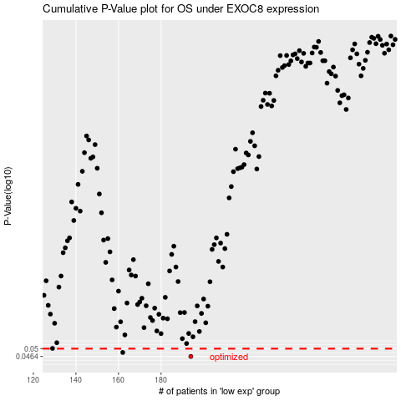

 |  |  |  |  |  | cases_OS | p_OS | rank | exp
 |  |  |  |  |  | 194 | 0.0464 | 135 | -0.19673152602
 |  |  |  |  |  | 162 | 0.0482 | 381 | -0.38031340612
 |  |  |  |  |  |  | cases_RFS | p_RFS | rank | exp
 |  |  |  |  |  |  | 193 | 0.0464 | 236 | -0.21008356202
 |  |  |  |  |  |  | 161 | 0.0482 | 364 | -0.38460935495

