EXOSC4 _multivariate
Reported by Tex Li-Hsing Chi. tex@gate.sinica.edu.tw 2019-08-20

Table 2. The clinicopathological features of HNSCC cohort and EXOSC4 expression. (Chi square test)
Cutoff at -0.291 (33.8%)
 |  | EXOSC4 expression |  | EXOSC4 expression |  | (Optimised)
 | Features | Low | (%) | High | (%) | Case no | P-value | Remark | Matthews
Gender | Female | 107 | 25.8 | 199 | 48 | 415 | 0.4403 | 0 | 0
2 | Male | 33 | 8 | 76 | 18.3
Age at diagnosis | <=65y | 94 | 22.7 | 180 | 43.4 | 415 | 0.8152 | 0 | 0
4 | >65y | 46 | 11.1 | 95 | 22.9
Clinical T Status | T1+T2 | 56 | 13.5 | 93 | 22.4 | 415 | 0.2572 | 0 | 0
6 | T3+T4 | 84 | 20.2 | 182 | 43.9
Clinical N Status | N0 | 72 | 17.3 | 144 | 34.7 | 415 | 0.9391 | 0 | 0
8 | N1-3 | 68 | 16.4 | 131 | 31.6
Clinical M Status | M0 | 140 | 33.7 | 272 | 65.5 | 415 | 0.554 | 0 | 0
10 | M1 | 0 | 0 | 3 | 0.7
Clinical Stage | Stage I+II | 36 | 8.7 | 66 | 15.9 | 415 | 0.7926 | 0 | 0
12 | Stage III+IV | 104 | 25.1 | 209 | 50.4
Surgical Margin status | Negative | 109 | 26.3 | 209 | 50.4 | 415 | 0.7141 | 0 | 0
14 | Positive | 31 | 7.5 | 66 | 15.9
Tobacco Exposure | Low | 57 | 13.7 | 104 | 25.1 | 415 | 0.595 | 0 | 0
16 | High | 83 | 20 | 171 | 41.2

Table 3. Univariate/Multivariate Cox's proportional hazards regression analyses on OS time of EXOSC4 gene expression in HNSCC

 |  | Univariate |  |  |  | Multivariate
 | Features | HR | CI95%(L) | CI95%(H) | P-value | HR | CI95%(L) | CI95%(H) | P-value
1 | Female | 1 |  |  |  | 1
Gender | Male | 1.157 | 0.843 | 1.587 | 0.367 | 1.18 | 0.842 | 1.653 | 0.336
11 | <=65y | 1 |  |  |  | 1
Age at diagnosis | >65y | 1.329 | 0.99 | 1.784 | 0.058 | 1.405 | 1.033 | 1.91 | 0.03
12 | T1+T2 | 1 |  |  |  | 1
Clinical T Status | T3+T4 | 1.409 | 1.028 | 1.931 | 0.033 | 2.106 | 1.112 | 3.988 | 0.022
13 | N0 | 1 |  |  |  | 1
Clinical N Status | N1-3 | 1.185 | 0.89 | 1.577 | 0.246 | 1.23 | 0.862 | 1.755 | 0.254
14 | M0 | 1 |  |  |  | 1
Clinical M Status | M1 | 4.097 | 1.009 | 16.644 | 0.049 | 8.362 | 1.812 | 38.595 | 0.006
15 | Stage I+II | 1 |  |  |  | 1
Clinical Stage | Stage III+IV | 1.245 | 0.882 | 1.759 | 0.213 | 0.529 | 0.246 | 1.138 | 0.103
16 | Negative | 1 |  |  |  | 1
Surgical Margin status | Positive | 1.591 | 1.155 | 2.191 | 0.004 | 1.641 | 1.187 | 2.268 | 0.003
17 | Low | 1 |  |  |  | 1
Tobacco Exposure | High | 1.364 | 1.008 | 1.844 | 0.044 | 1.442 | 1.045 | 1.988 | 0.026
18 | Low | 1 |  |  |  | 1
RNAseq(z-score) | High | 1.377 | 1.01 | 1.878 | 0.043 | 1.263 | 0.922 | 1.73 | 0.146

Table 4. Univariate/Multivariate Cox's proportional hazards regression analyses on RFS time of EXOSC4 gene expression in HNSCC

 |  | Univariate |  |  |  | Multivariate
 | Features | HR | CI95%(L) | CI95%(H) | P-value | HR | CI95%(L) | CI95%(H) | P-value
1 | Female | 1 |  |  |  | 1
Gender | Male | 1.157 | 0.843 | 1.587 | 0.367 | 1.18 | 0.842 | 1.653 | 0.336
11 | <=65y | 1 |  |  |  | 1
Age at diagnosis | >65y | 1.329 | 0.99 | 1.784 | 0.058 | 1.405 | 1.033 | 1.91 | 0.03
12 | T1+T2 | 1 |  |  |  | 1
Clinical T Status | T3+T4 | 1.409 | 1.028 | 1.931 | 0.033 | 2.106 | 1.112 | 3.988 | 0.022
13 | N0 | 1 |  |  |  | 1
Clinical N Status | N1-3 | 1.185 | 0.89 | 1.577 | 0.246 | 1.23 | 0.862 | 1.755 | 0.254
14 | M0 | 1 |  |  |  | 1
Clinical M Status | M1 | 4.097 | 1.009 | 16.644 | 0.049 | 8.362 | 1.812 | 38.595 | 0.006
15 | Stage I+II | 1 |  |  |  | 1
Clinical Stage | Stage III+IV | 1.245 | 0.882 | 1.759 | 0.213 | 0.529 | 0.246 | 1.138 | 0.103
16 | Negative | 1 |  |  |  | 1
Surgical Margin status | Positive | 1.591 | 1.155 | 2.191 | 0.004 | 1.641 | 1.187 | 2.268 | 0.003
17 | Low | 1 |  |  |  | 1
Tobacco Exposure | High | 1.364 | 1.008 | 1.844 | 0.044 | 1.442 | 1.045 | 1.988 | 0.026
18 | Low | 1 |  |  |  | 1
RNAseq(z-score) | High | 1.377 | 1.01 | 1.878 | 0.043 | 1.263 | 0.922 | 1.73 | 0.146

Kaplan-Meier survival estimate: Cutoff at -0.291 (33.8%)



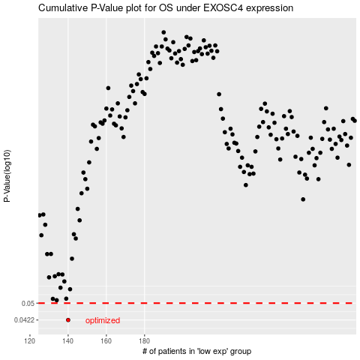

 |  |  |  |  |  | cases_OS | p_OS | rank | exp
 |  |  |  |  |  | 140 | 0.0422 | 79 | -0.29079269381
 |  |  |  |  |  |  | cases_RFS | p_RFS | rank | exp
 |  |  |  |  |  |  | 139 | 0.0422 | 60 | -0.29192275146

