EXOSC7 _multivariate
Reported by Tex Li-Hsing Chi. tex@gate.sinica.edu.tw 2019-08-20

Table 2. The clinicopathological features of HNSCC cohort and EXOSC7 expression. (Chi square test)
Cutoff at -0.254 (49.8%)
 |  | EXOSC7 expression |  | EXOSC7 expression |  | (Optimised)
 | Features | Low | (%) | High | (%) | Case no | P-value | Remark | Matthews
Gender | Female | 149 | 35.9 | 157 | 37.8 | 415 | 0.4848 | 0 | 0
2 | Male | 58 | 14 | 51 | 12.3
Age at diagnosis | <=65y | 136 | 32.8 | 138 | 33.3 | 415 | 0.9719 | 0 | 0
4 | >65y | 71 | 17.1 | 70 | 16.9
Clinical T Status | T1+T2 | 80 | 19.3 | 69 | 16.6 | 415 | 0.2891 | 0 | 0
6 | T3+T4 | 127 | 30.6 | 139 | 33.5
Clinical N Status | N0 | 107 | 25.8 | 109 | 26.3 | 415 | 0.9624 | 0 | 0
8 | N1-3 | 100 | 24.1 | 99 | 23.9
Clinical M Status | M0 | 206 | 49.6 | 206 | 49.6 | 415 | 1 | 0 | 0
10 | M1 | 1 | 0.2 | 2 | 0.5
Clinical Stage | Stage I+II | 57 | 13.7 | 45 | 10.8 | 415 | 0.1998 | 0 | 0
12 | Stage III+IV | 150 | 36.1 | 163 | 39.3
Surgical Margin status | Negative | 169 | 40.7 | 149 | 35.9 | 415 | 0.0201 | 1 | 0
14 | Positive | 38 | 9.2 | 59 | 14.2
Tobacco Exposure | Low | 91 | 21.9 | 70 | 16.9 | 415 | 0.0346 | 1 | 0
16 | High | 116 | 28 | 138 | 33.3

Table 3. Univariate/Multivariate Cox's proportional hazards regression analyses on OS time of EXOSC7 gene expression in HNSCC

 |  | Univariate |  |  |  | Multivariate
 | Features | HR | CI95%(L) | CI95%(H) | P-value | HR | CI95%(L) | CI95%(H) | P-value
1 | Female | 1 |  |  |  | 1
Gender | Male | 1.157 | 0.843 | 1.587 | 0.367 | 1.196 | 0.855 | 1.673 | 0.295
11 | <=65y | 1 |  |  |  | 1
Age at diagnosis | >65y | 1.329 | 0.99 | 1.784 | 0.058 | 1.389 | 1.021 | 1.888 | 0.036
12 | T1+T2 | 1 |  |  |  | 1
Clinical T Status | T3+T4 | 1.409 | 1.028 | 1.931 | 0.033 | 2.199 | 1.163 | 4.158 | 0.015
13 | N0 | 1 |  |  |  | 1
Clinical N Status | N1-3 | 1.185 | 0.89 | 1.577 | 0.246 | 1.246 | 0.873 | 1.779 | 0.225
14 | M0 | 1 |  |  |  | 1
Clinical M Status | M1 | 4.097 | 1.009 | 16.644 | 0.049 | 9.295 | 2.026 | 42.637 | 0.004
15 | Stage I+II | 1 |  |  |  | 1
Clinical Stage | Stage III+IV | 1.245 | 0.882 | 1.759 | 0.213 | 0.504 | 0.235 | 1.081 | 0.078
16 | Negative | 1 |  |  |  | 1
Surgical Margin status | Positive | 1.591 | 1.155 | 2.191 | 0.004 | 1.651 | 1.19 | 2.289 | 0.003
17 | Low | 1 |  |  |  | 1
Tobacco Exposure | High | 1.364 | 1.008 | 1.844 | 0.044 | 1.434 | 1.037 | 1.984 | 0.029
18 | Low | 1 |  |  |  | 1
RNAseq(z-score) | High | 1.206 | 0.905 | 1.606 | 0.201 | 1.077 | 0.803 | 1.445 | 0.619

Table 4. Univariate/Multivariate Cox's proportional hazards regression analyses on RFS time of EXOSC7 gene expression in HNSCC

 |  | Univariate |  |  |  | Multivariate
 | Features | HR | CI95%(L) | CI95%(H) | P-value | HR | CI95%(L) | CI95%(H) | P-value
1 | Female | 1 |  |  |  | 1
Gender | Male | 1.157 | 0.843 | 1.587 | 0.367 | 1.196 | 0.855 | 1.673 | 0.295
11 | <=65y | 1 |  |  |  | 1
Age at diagnosis | >65y | 1.329 | 0.99 | 1.784 | 0.058 | 1.389 | 1.021 | 1.888 | 0.036
12 | T1+T2 | 1 |  |  |  | 1
Clinical T Status | T3+T4 | 1.409 | 1.028 | 1.931 | 0.033 | 2.199 | 1.163 | 4.158 | 0.015
13 | N0 | 1 |  |  |  | 1
Clinical N Status | N1-3 | 1.185 | 0.89 | 1.577 | 0.246 | 1.246 | 0.873 | 1.779 | 0.225
14 | M0 | 1 |  |  |  | 1
Clinical M Status | M1 | 4.097 | 1.009 | 16.644 | 0.049 | 9.295 | 2.026 | 42.637 | 0.004
15 | Stage I+II | 1 |  |  |  | 1
Clinical Stage | Stage III+IV | 1.245 | 0.882 | 1.759 | 0.213 | 0.504 | 0.235 | 1.081 | 0.078
16 | Negative | 1 |  |  |  | 1
Surgical Margin status | Positive | 1.591 | 1.155 | 2.191 | 0.004 | 1.651 | 1.19 | 2.289 | 0.003
17 | Low | 1 |  |  |  | 1
Tobacco Exposure | High | 1.364 | 1.008 | 1.844 | 0.044 | 1.434 | 1.037 | 1.984 | 0.029
18 | Low | 1 |  |  |  | 1
RNAseq(z-score) | High | 1.206 | 0.905 | 1.606 | 0.201 | 1.077 | 0.803 | 1.445 | 0.619

Kaplan-Meier survival estimate: Cutoff at -0.254 (49.8%)



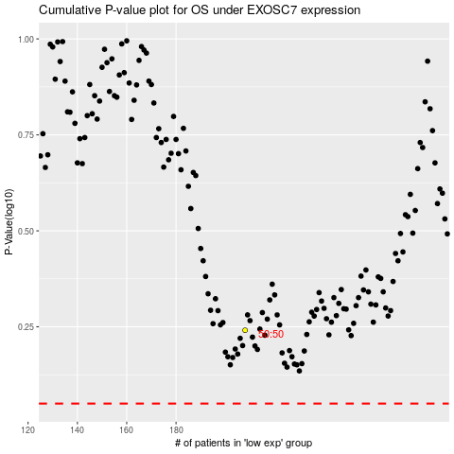

 |  |  |  |  |  | cases_OS | p_OS | rank | exp
 |  |  |  |  |  |  | cases_RFS | p_RFS | rank | exp

