EYA3 _multivariate
Reported by Tex Li-Hsing Chi. tex@gate.sinica.edu.tw 2019-08-20

Table 2. The clinicopathological features of HNSCC cohort and EYA3 expression. (Chi square test)
Cutoff at -0.069 (50.0%)
 |  | EYA3 expression |  | EYA3 expression |  | (Optimised)
 | Features | Low | (%) | High | (%) | Case no | P-value | Remark | Matthews
Gender | Female | 151 | 36.4 | 155 | 37.3 | 415 | 0.8007 | 0 | 0
2 | Male | 56 | 13.5 | 53 | 12.8
Age at diagnosis | <=65y | 134 | 32.3 | 140 | 33.7 | 415 | 0.6529 | 0 | 0
4 | >65y | 73 | 17.6 | 68 | 16.4
Clinical T Status | T1+T2 | 80 | 19.3 | 69 | 16.6 | 415 | 0.2891 | 0 | 0
6 | T3+T4 | 127 | 30.6 | 139 | 33.5
Clinical N Status | N0 | 116 | 28 | 100 | 24.1 | 415 | 0.1273 | 1 | 0
8 | N1-3 | 91 | 21.9 | 108 | 26
Clinical M Status | M0 | 204 | 49.2 | 208 | 50.1 | 415 | 0.1232 | 0 | 0
10 | M1 | 3 | 0.7 | 0 | 0
Clinical Stage | Stage I+II | 57 | 13.7 | 45 | 10.8 | 415 | 0.1998 | 0 | 0
12 | Stage III+IV | 150 | 36.1 | 163 | 39.3
Surgical Margin status | Negative | 154 | 37.1 | 164 | 39.5 | 415 | 0.2984 | 0 | 0
14 | Positive | 53 | 12.8 | 44 | 10.6
Tobacco Exposure | Low | 85 | 20.5 | 76 | 18.3 | 415 | 0.3655 | 0 | 0
16 | High | 122 | 29.4 | 132 | 31.8

Table 3. Univariate/Multivariate Cox's proportional hazards regression analyses on OS time of EYA3 gene expression in HNSCC

 |  | Univariate |  |  |  | Multivariate
 | Features | HR | CI95%(L) | CI95%(H) | P-value | HR | CI95%(L) | CI95%(H) | P-value
1 | Female | 1 |  |  |  | 1
Gender | Male | 1.157 | 0.843 | 1.587 | 0.367 | 1.196 | 0.855 | 1.672 | 0.296
11 | <=65y | 1 |  |  |  | 1
Age at diagnosis | >65y | 1.329 | 0.99 | 1.784 | 0.058 | 1.401 | 1.03 | 1.904 | 0.032
12 | T1+T2 | 1 |  |  |  | 1
Clinical T Status | T3+T4 | 1.409 | 1.028 | 1.931 | 0.033 | 2.192 | 1.159 | 4.147 | 0.016
13 | N0 | 1 |  |  |  | 1
Clinical N Status | N1-3 | 1.185 | 0.89 | 1.577 | 0.246 | 1.242 | 0.871 | 1.772 | 0.232
14 | M0 | 1 |  |  |  | 1
Clinical M Status | M1 | 4.097 | 1.009 | 16.644 | 0.049 | 8.95 | 1.935 | 41.402 | 0.005
15 | Stage I+II | 1 |  |  |  | 1
Clinical Stage | Stage III+IV | 1.245 | 0.882 | 1.759 | 0.213 | 0.509 | 0.237 | 1.094 | 0.084
16 | Negative | 1 |  |  |  | 1
Surgical Margin status | Positive | 1.591 | 1.155 | 2.191 | 0.004 | 1.655 | 1.196 | 2.291 | 0.002
17 | Low | 1 |  |  |  | 1
Tobacco Exposure | High | 1.364 | 1.008 | 1.844 | 0.044 | 1.451 | 1.053 | 2.001 | 0.023
18 | Low | 1 |  |  |  | 1
RNAseq(z-score) | High | 0.877 | 0.658 | 1.169 | 0.371 | 0.917 | 0.685 | 1.229 | 0.563

Table 4. Univariate/Multivariate Cox's proportional hazards regression analyses on RFS time of EYA3 gene expression in HNSCC

 |  | Univariate |  |  |  | Multivariate
 | Features | HR | CI95%(L) | CI95%(H) | P-value | HR | CI95%(L) | CI95%(H) | P-value
1 | Female | 1 |  |  |  | 1
Gender | Male | 1.157 | 0.843 | 1.587 | 0.367 | 1.196 | 0.855 | 1.672 | 0.296
11 | <=65y | 1 |  |  |  | 1
Age at diagnosis | >65y | 1.329 | 0.99 | 1.784 | 0.058 | 1.401 | 1.03 | 1.904 | 0.032
12 | T1+T2 | 1 |  |  |  | 1
Clinical T Status | T3+T4 | 1.409 | 1.028 | 1.931 | 0.033 | 2.192 | 1.159 | 4.147 | 0.016
13 | N0 | 1 |  |  |  | 1
Clinical N Status | N1-3 | 1.185 | 0.89 | 1.577 | 0.246 | 1.242 | 0.871 | 1.772 | 0.232
14 | M0 | 1 |  |  |  | 1
Clinical M Status | M1 | 4.097 | 1.009 | 16.644 | 0.049 | 8.95 | 1.935 | 41.402 | 0.005
15 | Stage I+II | 1 |  |  |  | 1
Clinical Stage | Stage III+IV | 1.245 | 0.882 | 1.759 | 0.213 | 0.509 | 0.237 | 1.094 | 0.084
16 | Negative | 1 |  |  |  | 1
Surgical Margin status | Positive | 1.591 | 1.155 | 2.191 | 0.004 | 1.655 | 1.196 | 2.291 | 0.002
17 | Low | 1 |  |  |  | 1
Tobacco Exposure | High | 1.364 | 1.008 | 1.844 | 0.044 | 1.451 | 1.053 | 2.001 | 0.023
18 | Low | 1 |  |  |  | 1
RNAseq(z-score) | High | 0.877 | 0.658 | 1.169 | 0.371 | 0.917 | 0.685 | 1.229 | 0.563

Kaplan-Meier survival estimate: Cutoff at -0.069 (50.0%)



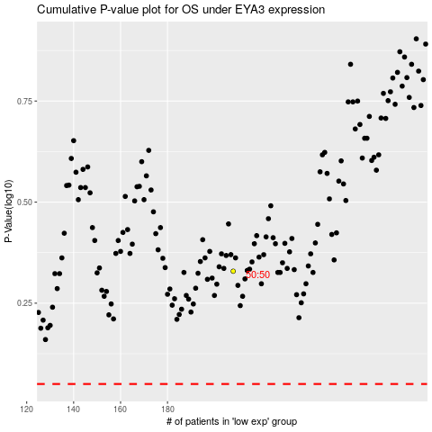

 |  |  |  |  |  | cases_OS | p_OS | rank | exp
 |  |  |  |  |  |  | cases_RFS | p_RFS | rank | exp

