F10 _multivariate
Reported by Tex Li-Hsing Chi. tex@gate.sinica.edu.tw 2019-08-20

Table 2. The clinicopathological features of HNSCC cohort and F10 expression. (Chi square test)
Cutoff at -0.274 (50.0%)
 |  | F10 expression |  | F10 expression |  | (Optimised)
 | Features | Low | (%) | High | (%) | Case no | P-value | Remark | Matthews
Gender | Female | 151 | 36.4 | 155 | 37.3 | 415 | 0.8007 | 0 | 0
2 | Male | 56 | 13.5 | 53 | 12.8
Age at diagnosis | <=65y | 132 | 31.8 | 142 | 34.2 | 415 | 0.3874 | 0 | 0
4 | >65y | 75 | 18.1 | 66 | 15.9
Clinical T Status | T1+T2 | 66 | 15.9 | 83 | 20 | 415 | 0.1095 | 0 | 0
6 | T3+T4 | 141 | 34 | 125 | 30.1
Clinical N Status | N0 | 105 | 25.3 | 111 | 26.7 | 415 | 0.6598 | 0 | 0
8 | N1-3 | 102 | 24.6 | 97 | 23.4
Clinical M Status | M0 | 204 | 49.2 | 208 | 50.1 | 415 | 0.1232 | 0 | 0
10 | M1 | 3 | 0.7 | 0 | 0
Clinical Stage | Stage I+II | 45 | 10.8 | 57 | 13.7 | 415 | 0.2202 | 0 | 0
12 | Stage III+IV | 162 | 39 | 151 | 36.4
Surgical Margin status | Negative | 163 | 39.3 | 155 | 37.3 | 415 | 0.3537 | 0 | 0
14 | Positive | 44 | 10.6 | 53 | 12.8
Tobacco Exposure | Low | 89 | 21.4 | 72 | 17.3 | 415 | 0.0872 | 0 | 0
16 | High | 118 | 28.4 | 136 | 32.8

Table 3. Univariate/Multivariate Cox's proportional hazards regression analyses on OS time of F10 gene expression in HNSCC

 |  | Univariate |  |  |  | Multivariate
 | Features | HR | CI95%(L) | CI95%(H) | P-value | HR | CI95%(L) | CI95%(H) | P-value
1 | Female | 1 |  |  |  | 1
Gender | Male | 1.157 | 0.843 | 1.587 | 0.367 | 1.198 | 0.858 | 1.675 | 0.289
11 | <=65y | 1 |  |  |  | 1
Age at diagnosis | >65y | 1.329 | 0.99 | 1.784 | 0.058 | 1.404 | 1.031 | 1.91 | 0.031
12 | T1+T2 | 1 |  |  |  | 1
Clinical T Status | T3+T4 | 1.409 | 1.028 | 1.931 | 0.033 | 2.131 | 1.125 | 4.036 | 0.02
13 | N0 | 1 |  |  |  | 1
Clinical N Status | N1-3 | 1.185 | 0.89 | 1.577 | 0.246 | 1.216 | 0.852 | 1.737 | 0.281
14 | M0 | 1 |  |  |  | 1
Clinical M Status | M1 | 4.097 | 1.009 | 16.644 | 0.049 | 8.246 | 1.787 | 38.049 | 0.007
15 | Stage I+II | 1 |  |  |  | 1
Clinical Stage | Stage III+IV | 1.245 | 0.882 | 1.759 | 0.213 | 0.506 | 0.236 | 1.087 | 0.081
16 | Negative | 1 |  |  |  | 1
Surgical Margin status | Positive | 1.591 | 1.155 | 2.191 | 0.004 | 1.728 | 1.248 | 2.395 | 0.001
17 | Low | 1 |  |  |  | 1
Tobacco Exposure | High | 1.364 | 1.008 | 1.844 | 0.044 | 1.49 | 1.078 | 2.059 | 0.016
18 | Low | 1 |  |  |  | 1
RNAseq(z-score) | High | 0.776 | 0.582 | 1.035 | 0.084 | 0.77 | 0.573 | 1.034 | 0.082

Table 4. Univariate/Multivariate Cox's proportional hazards regression analyses on RFS time of F10 gene expression in HNSCC

 |  | Univariate |  |  |  | Multivariate
 | Features | HR | CI95%(L) | CI95%(H) | P-value | HR | CI95%(L) | CI95%(H) | P-value
1 | Female | 1 |  |  |  | 1
Gender | Male | 1.157 | 0.843 | 1.587 | 0.367 | 1.198 | 0.858 | 1.675 | 0.289
11 | <=65y | 1 |  |  |  | 1
Age at diagnosis | >65y | 1.329 | 0.99 | 1.784 | 0.058 | 1.404 | 1.031 | 1.91 | 0.031
12 | T1+T2 | 1 |  |  |  | 1
Clinical T Status | T3+T4 | 1.409 | 1.028 | 1.931 | 0.033 | 2.131 | 1.125 | 4.036 | 0.02
13 | N0 | 1 |  |  |  | 1
Clinical N Status | N1-3 | 1.185 | 0.89 | 1.577 | 0.246 | 1.216 | 0.852 | 1.737 | 0.281
14 | M0 | 1 |  |  |  | 1
Clinical M Status | M1 | 4.097 | 1.009 | 16.644 | 0.049 | 8.246 | 1.787 | 38.049 | 0.007
15 | Stage I+II | 1 |  |  |  | 1
Clinical Stage | Stage III+IV | 1.245 | 0.882 | 1.759 | 0.213 | 0.506 | 0.236 | 1.087 | 0.081
16 | Negative | 1 |  |  |  | 1
Surgical Margin status | Positive | 1.591 | 1.155 | 2.191 | 0.004 | 1.728 | 1.248 | 2.395 | 0.001
17 | Low | 1 |  |  |  | 1
Tobacco Exposure | High | 1.364 | 1.008 | 1.844 | 0.044 | 1.49 | 1.078 | 2.059 | 0.016
18 | Low | 1 |  |  |  | 1
RNAseq(z-score) | High | 0.776 | 0.582 | 1.035 | 0.084 | 0.77 | 0.573 | 1.034 | 0.082

Kaplan-Meier survival estimate: Cutoff at -0.274 (50.0%)



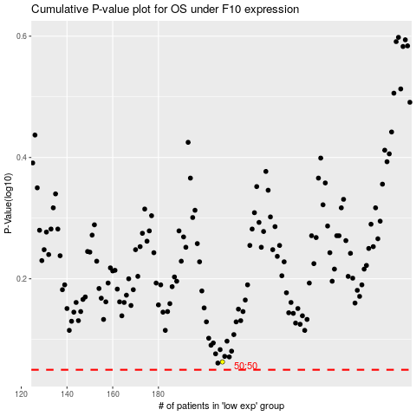

 |  |  |  |  |  | cases_OS | p_OS | rank | exp
 |  |  |  |  |  |  | cases_RFS | p_RFS | rank | exp

