F11R _multivariate
Reported by Tex Li-Hsing Chi. tex@gate.sinica.edu.tw 2019-08-20

Table 2. The clinicopathological features of HNSCC cohort and F11R expression. (Chi square test)
Cutoff at -0.172 (50.0%)
 |  | F11R expression |  | F11R expression |  | (Optimised)
 | Features | Low | (%) | High | (%) | Case no | P-value | Remark | Matthews
Gender | Female | 149 | 35.9 | 157 | 37.8 | 415 | 0.4848 | 0 | 0
2 | Male | 58 | 14 | 51 | 12.3
Age at diagnosis | <=65y | 129 | 31.1 | 145 | 34.9 | 415 | 0.1372 | 0 | 0
4 | >65y | 78 | 18.8 | 63 | 15.2
Clinical T Status | T1+T2 | 85 | 20.5 | 64 | 15.4 | 415 | 0.0372 | 1 | 0
6 | T3+T4 | 122 | 29.4 | 144 | 34.7
Clinical N Status | N0 | 113 | 27.2 | 103 | 24.8 | 415 | 0.3495 | 1 | 0
8 | N1-3 | 94 | 22.7 | 105 | 25.3
Clinical M Status | M0 | 206 | 49.6 | 206 | 49.6 | 415 | 1 | 0 | 0
10 | M1 | 1 | 0.2 | 2 | 0.5
Clinical Stage | Stage I+II | 65 | 15.7 | 37 | 8.9 | 415 | 0.0019 | 1 | 0
12 | Stage III+IV | 142 | 34.2 | 171 | 41.2
Surgical Margin status | Negative | 160 | 38.6 | 158 | 38.1 | 415 | 0.8167 | 0 | 0
14 | Positive | 47 | 11.3 | 50 | 12
Tobacco Exposure | Low | 87 | 21 | 74 | 17.8 | 415 | 0.1911 | 0 | 0
16 | High | 120 | 28.9 | 134 | 32.3

Table 3. Univariate/Multivariate Cox's proportional hazards regression analyses on OS time of F11R gene expression in HNSCC

 |  | Univariate |  |  |  | Multivariate
 | Features | HR | CI95%(L) | CI95%(H) | P-value | HR | CI95%(L) | CI95%(H) | P-value
1 | Female | 1 |  |  |  | 1
Gender | Male | 1.157 | 0.843 | 1.587 | 0.367 | 1.204 | 0.861 | 1.683 | 0.278
11 | <=65y | 1 |  |  |  | 1
Age at diagnosis | >65y | 1.329 | 0.99 | 1.784 | 0.058 | 1.394 | 1.025 | 1.895 | 0.034
12 | T1+T2 | 1 |  |  |  | 1
Clinical T Status | T3+T4 | 1.409 | 1.028 | 1.931 | 0.033 | 2.205 | 1.166 | 4.169 | 0.015
13 | N0 | 1 |  |  |  | 1
Clinical N Status | N1-3 | 1.185 | 0.89 | 1.577 | 0.246 | 1.243 | 0.87 | 1.774 | 0.232
14 | M0 | 1 |  |  |  | 1
Clinical M Status | M1 | 4.097 | 1.009 | 16.644 | 0.049 | 9.371 | 2.042 | 43.003 | 0.004
15 | Stage I+II | 1 |  |  |  | 1
Clinical Stage | Stage III+IV | 1.245 | 0.882 | 1.759 | 0.213 | 0.501 | 0.232 | 1.083 | 0.079
16 | Negative | 1 |  |  |  | 1
Surgical Margin status | Positive | 1.591 | 1.155 | 2.191 | 0.004 | 1.67 | 1.208 | 2.308 | 0.002
17 | Low | 1 |  |  |  | 1
Tobacco Exposure | High | 1.364 | 1.008 | 1.844 | 0.044 | 1.451 | 1.053 | 2.001 | 0.023
18 | Low | 1 |  |  |  | 1
RNAseq(z-score) | High | 1.055 | 0.791 | 1.407 | 0.715 | 1.02 | 0.757 | 1.374 | 0.897

Table 4. Univariate/Multivariate Cox's proportional hazards regression analyses on RFS time of F11R gene expression in HNSCC

 |  | Univariate |  |  |  | Multivariate
 | Features | HR | CI95%(L) | CI95%(H) | P-value | HR | CI95%(L) | CI95%(H) | P-value
1 | Female | 1 |  |  |  | 1
Gender | Male | 1.157 | 0.843 | 1.587 | 0.367 | 1.204 | 0.861 | 1.683 | 0.278
11 | <=65y | 1 |  |  |  | 1
Age at diagnosis | >65y | 1.329 | 0.99 | 1.784 | 0.058 | 1.394 | 1.025 | 1.895 | 0.034
12 | T1+T2 | 1 |  |  |  | 1
Clinical T Status | T3+T4 | 1.409 | 1.028 | 1.931 | 0.033 | 2.205 | 1.166 | 4.169 | 0.015
13 | N0 | 1 |  |  |  | 1
Clinical N Status | N1-3 | 1.185 | 0.89 | 1.577 | 0.246 | 1.243 | 0.87 | 1.774 | 0.232
14 | M0 | 1 |  |  |  | 1
Clinical M Status | M1 | 4.097 | 1.009 | 16.644 | 0.049 | 9.371 | 2.042 | 43.003 | 0.004
15 | Stage I+II | 1 |  |  |  | 1
Clinical Stage | Stage III+IV | 1.245 | 0.882 | 1.759 | 0.213 | 0.501 | 0.232 | 1.083 | 0.079
16 | Negative | 1 |  |  |  | 1
Surgical Margin status | Positive | 1.591 | 1.155 | 2.191 | 0.004 | 1.67 | 1.208 | 2.308 | 0.002
17 | Low | 1 |  |  |  | 1
Tobacco Exposure | High | 1.364 | 1.008 | 1.844 | 0.044 | 1.451 | 1.053 | 2.001 | 0.023
18 | Low | 1 |  |  |  | 1
RNAseq(z-score) | High | 1.055 | 0.791 | 1.407 | 0.715 | 1.02 | 0.757 | 1.374 | 0.897

Kaplan-Meier survival estimate: Cutoff at -0.172 (50.0%)



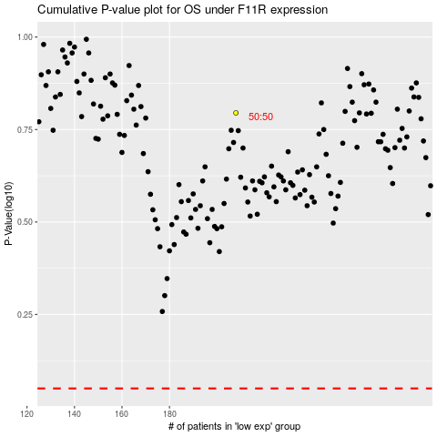

 |  |  |  |  |  | cases_OS | p_OS | rank | exp
 |  |  |  |  |  |  | cases_RFS | p_RFS | rank | exp

