F12 _multivariate
Reported by Tex Li-Hsing Chi. tex@gate.sinica.edu.tw 2019-08-20

Table 2. The clinicopathological features of HNSCC cohort and F12 expression. (Chi square test)
Cutoff at -0.235 (49.8%)
 |  | F12 expression |  | F12 expression |  | (Optimised)
 | Features | Low | (%) | High | (%) | Case no | P-value | Remark | Matthews
Gender | Female | 155 | 37.3 | 151 | 36.4 | 415 | 0.6768 | 0 | 0
2 | Male | 52 | 12.5 | 57 | 13.7
Age at diagnosis | <=65y | 139 | 33.5 | 135 | 32.5 | 415 | 0.7044 | 0 | 0
4 | >65y | 68 | 16.4 | 73 | 17.6
Clinical T Status | T1+T2 | 74 | 17.8 | 75 | 18.1 | 415 | 1 | 0 | 0
6 | T3+T4 | 133 | 32 | 133 | 32
Clinical N Status | N0 | 95 | 22.9 | 121 | 29.2 | 415 | 0.0162 | 1 | 0
8 | N1-3 | 112 | 27 | 87 | 21
Clinical M Status | M0 | 207 | 49.9 | 205 | 49.4 | 415 | 0.2482 | 0 | 0
10 | M1 | 0 | 0 | 3 | 0.7
Clinical Stage | Stage I+II | 50 | 12 | 52 | 12.5 | 415 | 0.9315 | 0 | 0
12 | Stage III+IV | 157 | 37.8 | 156 | 37.6
Surgical Margin status | Negative | 164 | 39.5 | 154 | 37.1 | 415 | 0.2462 | 0 | 0
14 | Positive | 43 | 10.4 | 54 | 13
Tobacco Exposure | Low | 85 | 20.5 | 76 | 18.3 | 415 | 0.3655 | 0 | 0
16 | High | 122 | 29.4 | 132 | 31.8

Table 3. Univariate/Multivariate Cox's proportional hazards regression analyses on OS time of F12 gene expression in HNSCC

 |  | Univariate |  |  |  | Multivariate
 | Features | HR | CI95%(L) | CI95%(H) | P-value | HR | CI95%(L) | CI95%(H) | P-value
1 | Female | 1 |  |  |  | 1
Gender | Male | 1.157 | 0.843 | 1.587 | 0.367 | 1.22 | 0.872 | 1.706 | 0.245
11 | <=65y | 1 |  |  |  | 1
Age at diagnosis | >65y | 1.329 | 0.99 | 1.784 | 0.058 | 1.379 | 1.014 | 1.876 | 0.041
12 | T1+T2 | 1 |  |  |  | 1
Clinical T Status | T3+T4 | 1.409 | 1.028 | 1.931 | 0.033 | 2.211 | 1.168 | 4.184 | 0.015
13 | N0 | 1 |  |  |  | 1
Clinical N Status | N1-3 | 1.185 | 0.89 | 1.577 | 0.246 | 1.209 | 0.843 | 1.733 | 0.302
14 | M0 | 1 |  |  |  | 1
Clinical M Status | M1 | 4.097 | 1.009 | 16.644 | 0.049 | 10.272 | 2.212 | 47.706 | 0.003
15 | Stage I+II | 1 |  |  |  | 1
Clinical Stage | Stage III+IV | 1.245 | 0.882 | 1.759 | 0.213 | 0.507 | 0.236 | 1.089 | 0.082
16 | Negative | 1 |  |  |  | 1
Surgical Margin status | Positive | 1.591 | 1.155 | 2.191 | 0.004 | 1.706 | 1.23 | 2.367 | 0.001
17 | Low | 1 |  |  |  | 1
Tobacco Exposure | High | 1.364 | 1.008 | 1.844 | 0.044 | 1.467 | 1.064 | 2.022 | 0.019
18 | Low | 1 |  |  |  | 1
RNAseq(z-score) | High | 0.959 | 0.72 | 1.279 | 0.777 | 0.874 | 0.649 | 1.176 | 0.374

Table 4. Univariate/Multivariate Cox's proportional hazards regression analyses on RFS time of F12 gene expression in HNSCC

 |  | Univariate |  |  |  | Multivariate
 | Features | HR | CI95%(L) | CI95%(H) | P-value | HR | CI95%(L) | CI95%(H) | P-value
1 | Female | 1 |  |  |  | 1
Gender | Male | 1.157 | 0.843 | 1.587 | 0.367 | 1.22 | 0.872 | 1.706 | 0.245
11 | <=65y | 1 |  |  |  | 1
Age at diagnosis | >65y | 1.329 | 0.99 | 1.784 | 0.058 | 1.379 | 1.014 | 1.876 | 0.041
12 | T1+T2 | 1 |  |  |  | 1
Clinical T Status | T3+T4 | 1.409 | 1.028 | 1.931 | 0.033 | 2.211 | 1.168 | 4.184 | 0.015
13 | N0 | 1 |  |  |  | 1
Clinical N Status | N1-3 | 1.185 | 0.89 | 1.577 | 0.246 | 1.209 | 0.843 | 1.733 | 0.302
14 | M0 | 1 |  |  |  | 1
Clinical M Status | M1 | 4.097 | 1.009 | 16.644 | 0.049 | 10.272 | 2.212 | 47.706 | 0.003
15 | Stage I+II | 1 |  |  |  | 1
Clinical Stage | Stage III+IV | 1.245 | 0.882 | 1.759 | 0.213 | 0.507 | 0.236 | 1.089 | 0.082
16 | Negative | 1 |  |  |  | 1
Surgical Margin status | Positive | 1.591 | 1.155 | 2.191 | 0.004 | 1.706 | 1.23 | 2.367 | 0.001
17 | Low | 1 |  |  |  | 1
Tobacco Exposure | High | 1.364 | 1.008 | 1.844 | 0.044 | 1.467 | 1.064 | 2.022 | 0.019
18 | Low | 1 |  |  |  | 1
RNAseq(z-score) | High | 0.959 | 0.72 | 1.279 | 0.777 | 0.874 | 0.649 | 1.176 | 0.374

Kaplan-Meier survival estimate: Cutoff at -0.235 (49.8%)

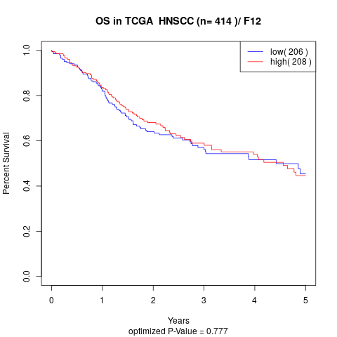

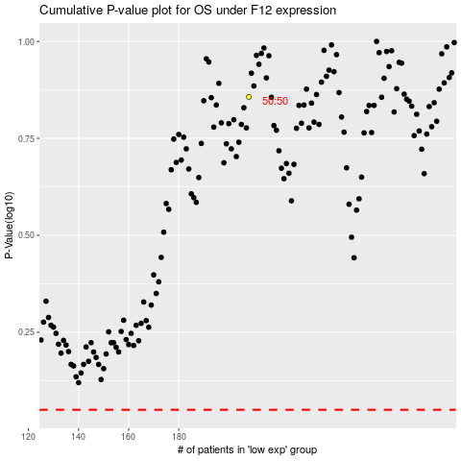

 |  |  |  |  |  | cases_OS | p_OS | rank | exp
 |  |  |  |  |  |  | cases_RFS | p_RFS | rank | exp

