FADS1 _multivariate
Reported by Tex Li-Hsing Chi. tex@gate.sinica.edu.tw 2019-08-20

Table 2. The clinicopathological features of HNSCC cohort and FADS1 expression. (Chi square test)
Cutoff at -0.242 (49.8%)
 |  | FADS1 expression |  | FADS1 expression |  | (Optimised)
 | Features | Low | (%) | High | (%) | Case no | P-value | Remark | Matthews
Gender | Female | 136 | 32.8 | 170 | 41 | 415 | 3e-04 | 1 | 0
2 | Male | 71 | 17.1 | 38 | 9.2
Age at diagnosis | <=65y | 137 | 33 | 137 | 33 | 415 | 1 | 0 | 0
4 | >65y | 70 | 16.9 | 71 | 17.1
Clinical T Status | T1+T2 | 80 | 19.3 | 69 | 16.6 | 415 | 0.2891 | 0 | 0
6 | T3+T4 | 127 | 30.6 | 139 | 33.5
Clinical N Status | N0 | 118 | 28.4 | 98 | 23.6 | 415 | 0.0551 | 1 | 0
8 | N1-3 | 89 | 21.4 | 110 | 26.5
Clinical M Status | M0 | 204 | 49.2 | 208 | 50.1 | 415 | 0.1232 | 0 | 0
10 | M1 | 3 | 0.7 | 0 | 0
Clinical Stage | Stage I+II | 59 | 14.2 | 43 | 10.4 | 415 | 0.0822 | 0 | 0
12 | Stage III+IV | 148 | 35.7 | 165 | 39.8
Surgical Margin status | Negative | 164 | 39.5 | 154 | 37.1 | 415 | 0.2462 | 0 | 0
14 | Positive | 43 | 10.4 | 54 | 13
Tobacco Exposure | Low | 98 | 23.6 | 63 | 15.2 | 415 | 4e-04 | 1 | 0
16 | High | 109 | 26.3 | 145 | 34.9

Table 3. Univariate/Multivariate Cox's proportional hazards regression analyses on OS time of FADS1 gene expression in HNSCC

 |  | Univariate |  |  |  | Multivariate
 | Features | HR | CI95%(L) | CI95%(H) | P-value | HR | CI95%(L) | CI95%(H) | P-value
1 | Female | 1 |  |  |  | 1
Gender | Male | 1.157 | 0.843 | 1.587 | 0.367 | 1.27 | 0.9 | 1.794 | 0.174
11 | <=65y | 1 |  |  |  | 1
Age at diagnosis | >65y | 1.329 | 0.99 | 1.784 | 0.058 | 1.385 | 1.019 | 1.883 | 0.038
12 | T1+T2 | 1 |  |  |  | 1
Clinical T Status | T3+T4 | 1.409 | 1.028 | 1.931 | 0.033 | 2.214 | 1.171 | 4.186 | 0.014
13 | N0 | 1 |  |  |  | 1
Clinical N Status | N1-3 | 1.185 | 0.89 | 1.577 | 0.246 | 1.23 | 0.861 | 1.756 | 0.255
14 | M0 | 1 |  |  |  | 1
Clinical M Status | M1 | 4.097 | 1.009 | 16.644 | 0.049 | 10.79 | 2.32 | 50.192 | 0.002
15 | Stage I+II | 1 |  |  |  | 1
Clinical Stage | Stage III+IV | 1.245 | 0.882 | 1.759 | 0.213 | 0.493 | 0.229 | 1.059 | 0.07
16 | Negative | 1 |  |  |  | 1
Surgical Margin status | Positive | 1.591 | 1.155 | 2.191 | 0.004 | 1.647 | 1.191 | 2.278 | 0.003
17 | Low | 1 |  |  |  | 1
Tobacco Exposure | High | 1.364 | 1.008 | 1.844 | 0.044 | 1.427 | 1.035 | 1.969 | 0.03
18 | Low | 1 |  |  |  | 1
RNAseq(z-score) | High | 1.231 | 0.92 | 1.647 | 0.162 | 1.23 | 0.902 | 1.676 | 0.191

Table 4. Univariate/Multivariate Cox's proportional hazards regression analyses on RFS time of FADS1 gene expression in HNSCC

 |  | Univariate |  |  |  | Multivariate
 | Features | HR | CI95%(L) | CI95%(H) | P-value | HR | CI95%(L) | CI95%(H) | P-value
1 | Female | 1 |  |  |  | 1
Gender | Male | 1.157 | 0.843 | 1.587 | 0.367 | 1.27 | 0.9 | 1.794 | 0.174
11 | <=65y | 1 |  |  |  | 1
Age at diagnosis | >65y | 1.329 | 0.99 | 1.784 | 0.058 | 1.385 | 1.019 | 1.883 | 0.038
12 | T1+T2 | 1 |  |  |  | 1
Clinical T Status | T3+T4 | 1.409 | 1.028 | 1.931 | 0.033 | 2.214 | 1.171 | 4.186 | 0.014
13 | N0 | 1 |  |  |  | 1
Clinical N Status | N1-3 | 1.185 | 0.89 | 1.577 | 0.246 | 1.23 | 0.861 | 1.756 | 0.255
14 | M0 | 1 |  |  |  | 1
Clinical M Status | M1 | 4.097 | 1.009 | 16.644 | 0.049 | 10.79 | 2.32 | 50.192 | 0.002
15 | Stage I+II | 1 |  |  |  | 1
Clinical Stage | Stage III+IV | 1.245 | 0.882 | 1.759 | 0.213 | 0.493 | 0.229 | 1.059 | 0.07
16 | Negative | 1 |  |  |  | 1
Surgical Margin status | Positive | 1.591 | 1.155 | 2.191 | 0.004 | 1.647 | 1.191 | 2.278 | 0.003
17 | Low | 1 |  |  |  | 1
Tobacco Exposure | High | 1.364 | 1.008 | 1.844 | 0.044 | 1.427 | 1.035 | 1.969 | 0.03
18 | Low | 1 |  |  |  | 1
RNAseq(z-score) | High | 1.231 | 0.92 | 1.647 | 0.162 | 1.23 | 0.902 | 1.676 | 0.191

Kaplan-Meier survival estimate: Cutoff at -0.242 (49.8%)



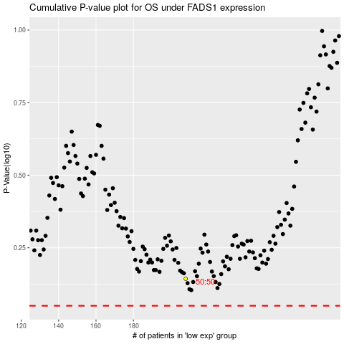

 |  |  |  |  |  | cases_OS | p_OS | rank | exp
 |  |  |  |  |  |  | cases_RFS | p_RFS | rank | exp

