FAF2 _multivariate
Reported by Tex Li-Hsing Chi. tex@gate.sinica.edu.tw 2019-08-20

Table 2. The clinicopathological features of HNSCC cohort and FAF2 expression. (Chi square test)
Cutoff at 0.086 (55.8%)
 |  | FAF2 expression |  | FAF2 expression |  | (Optimised)
 | Features | Low | (%) | High | (%) | Case no | P-value | Remark | Matthews
Gender | Female | 174 | 41.9 | 132 | 31.8 | 415 | 0.5844 | 0 | 0
2 | Male | 58 | 14 | 51 | 12.3
Age at diagnosis | <=65y | 159 | 38.3 | 115 | 27.7 | 415 | 0.2664 | 0 | 0
4 | >65y | 73 | 17.6 | 68 | 16.4
Clinical T Status | T1+T2 | 73 | 17.6 | 76 | 18.3 | 415 | 0.0435 | 1 | 0
6 | T3+T4 | 159 | 38.3 | 107 | 25.8
Clinical N Status | N0 | 120 | 28.9 | 96 | 23.1 | 415 | 0.9603 | 0 | 0
8 | N1-3 | 112 | 27 | 87 | 21
Clinical M Status | M0 | 231 | 55.7 | 181 | 43.6 | 415 | 0.5854 | 0 | 0
10 | M1 | 1 | 0.2 | 2 | 0.5
Clinical Stage | Stage I+II | 54 | 13 | 48 | 11.6 | 415 | 0.5626 | 0 | 0
12 | Stage III+IV | 178 | 42.9 | 135 | 32.5
Surgical Margin status | Negative | 182 | 43.9 | 136 | 32.8 | 415 | 0.3509 | 0 | 0
14 | Positive | 50 | 12 | 47 | 11.3
Tobacco Exposure | Low | 91 | 21.9 | 70 | 16.9 | 415 | 0.9192 | 0 | 0
16 | High | 141 | 34 | 113 | 27.2

Table 3. Univariate/Multivariate Cox's proportional hazards regression analyses on OS time of FAF2 gene expression in HNSCC

 |  | Univariate |  |  |  | Multivariate
 | Features | HR | CI95%(L) | CI95%(H) | P-value | HR | CI95%(L) | CI95%(H) | P-value
1 | Female | 1 |  |  |  | 1
Gender | Male | 1.157 | 0.843 | 1.587 | 0.367 | 1.226 | 0.878 | 1.713 | 0.232
11 | <=65y | 1 |  |  |  | 1
Age at diagnosis | >65y | 1.329 | 0.99 | 1.784 | 0.058 | 1.341 | 0.983 | 1.828 | 0.064
12 | T1+T2 | 1 |  |  |  | 1
Clinical T Status | T3+T4 | 1.409 | 1.028 | 1.931 | 0.033 | 2.306 | 1.218 | 4.368 | 0.01
13 | N0 | 1 |  |  |  | 1
Clinical N Status | N1-3 | 1.185 | 0.89 | 1.577 | 0.246 | 1.264 | 0.886 | 1.802 | 0.197
14 | M0 | 1 |  |  |  | 1
Clinical M Status | M1 | 4.097 | 1.009 | 16.644 | 0.049 | 9.2 | 2.007 | 42.185 | 0.004
15 | Stage I+II | 1 |  |  |  | 1
Clinical Stage | Stage III+IV | 1.245 | 0.882 | 1.759 | 0.213 | 0.499 | 0.233 | 1.071 | 0.074
16 | Negative | 1 |  |  |  | 1
Surgical Margin status | Positive | 1.591 | 1.155 | 2.191 | 0.004 | 1.659 | 1.201 | 2.292 | 0.002
17 | Low | 1 |  |  |  | 1
Tobacco Exposure | High | 1.364 | 1.008 | 1.844 | 0.044 | 1.48 | 1.072 | 2.043 | 0.017
18 | Low | 1 |  |  |  | 1
RNAseq(z-score) | High | 1.354 | 1.015 | 1.808 | 0.04 | 1.394 | 1.038 | 1.873 | 0.027

Table 4. Univariate/Multivariate Cox's proportional hazards regression analyses on RFS time of FAF2 gene expression in HNSCC

 |  | Univariate |  |  |  | Multivariate
 | Features | HR | CI95%(L) | CI95%(H) | P-value | HR | CI95%(L) | CI95%(H) | P-value
1 | Female | 1 |  |  |  | 1
Gender | Male | 1.157 | 0.843 | 1.587 | 0.367 | 1.226 | 0.878 | 1.713 | 0.232
11 | <=65y | 1 |  |  |  | 1
Age at diagnosis | >65y | 1.329 | 0.99 | 1.784 | 0.058 | 1.341 | 0.983 | 1.828 | 0.064
12 | T1+T2 | 1 |  |  |  | 1
Clinical T Status | T3+T4 | 1.409 | 1.028 | 1.931 | 0.033 | 2.306 | 1.218 | 4.368 | 0.01
13 | N0 | 1 |  |  |  | 1
Clinical N Status | N1-3 | 1.185 | 0.89 | 1.577 | 0.246 | 1.264 | 0.886 | 1.802 | 0.197
14 | M0 | 1 |  |  |  | 1
Clinical M Status | M1 | 4.097 | 1.009 | 16.644 | 0.049 | 9.2 | 2.007 | 42.185 | 0.004
15 | Stage I+II | 1 |  |  |  | 1
Clinical Stage | Stage III+IV | 1.245 | 0.882 | 1.759 | 0.213 | 0.499 | 0.233 | 1.071 | 0.074
16 | Negative | 1 |  |  |  | 1
Surgical Margin status | Positive | 1.591 | 1.155 | 2.191 | 0.004 | 1.659 | 1.201 | 2.292 | 0.002
17 | Low | 1 |  |  |  | 1
Tobacco Exposure | High | 1.364 | 1.008 | 1.844 | 0.044 | 1.48 | 1.072 | 2.043 | 0.017
18 | Low | 1 |  |  |  | 1
RNAseq(z-score) | High | 1.354 | 1.015 | 1.808 | 0.04 | 1.394 | 1.038 | 1.873 | 0.027

Kaplan-Meier survival estimate: Cutoff at 0.086 (55.8%)



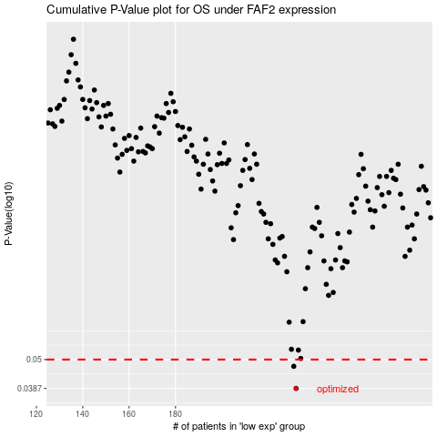

 |  |  |  |  |  | cases_OS | p_OS | rank | exp
 |  |  |  |  |  | 232 | 0.0387 | 155 | 0.085856010939
 |  |  |  |  |  | 231 | 0.0471 | 324 | 0.085595177957
 |  |  |  |  |  |  | cases_RFS | p_RFS | rank | exp
 |  |  |  |  |  |  | 231 | 0.0387 | 324 | 0.085595177957
 |  |  |  |  |  |  | 230 | 0.0471 | 33 | 0.079768686178

