FAHD2A _multivariate
Reported by Tex Li-Hsing Chi. tex@gate.sinica.edu.tw 2019-08-20

Table 2. The clinicopathological features of HNSCC cohort and FAHD2A expression. (Chi square test)
Cutoff at -0.263 (49.8%)
 |  | FAHD2A expression |  | FAHD2A expression |  | (Optimised)
 | Features | Low | (%) | High | (%) | Case no | P-value | Remark | Matthews
Gender | Female | 138 | 33.3 | 168 | 40.5 | 415 | 0.0016 | 1 | 0
2 | Male | 69 | 16.6 | 40 | 9.6
Age at diagnosis | <=65y | 131 | 31.6 | 143 | 34.5 | 415 | 0.2839 | 0 | 0
4 | >65y | 76 | 18.3 | 65 | 15.7
Clinical T Status | T1+T2 | 75 | 18.1 | 74 | 17.8 | 415 | 0.9707 | 0 | 0
6 | T3+T4 | 132 | 31.8 | 134 | 32.3
Clinical N Status | N0 | 116 | 28 | 100 | 24.1 | 415 | 0.1273 | 1 | 0
8 | N1-3 | 91 | 21.9 | 108 | 26
Clinical M Status | M0 | 207 | 49.9 | 205 | 49.4 | 415 | 0.2482 | 0 | 0
10 | M1 | 0 | 0 | 3 | 0.7
Clinical Stage | Stage I+II | 56 | 13.5 | 46 | 11.1 | 415 | 0.2918 | 0 | 0
12 | Stage III+IV | 151 | 36.4 | 162 | 39
Surgical Margin status | Negative | 157 | 37.8 | 161 | 38.8 | 415 | 0.729 | 0 | 0
14 | Positive | 50 | 12 | 47 | 11.3
Tobacco Exposure | Low | 87 | 21 | 74 | 17.8 | 415 | 0.1911 | 0 | 0
16 | High | 120 | 28.9 | 134 | 32.3

Table 3. Univariate/Multivariate Cox's proportional hazards regression analyses on OS time of FAHD2A gene expression in HNSCC

 |  | Univariate |  |  |  | Multivariate
 | Features | HR | CI95%(L) | CI95%(H) | P-value | HR | CI95%(L) | CI95%(H) | P-value
1 | Female | 1 |  |  |  | 1
Gender | Male | 1.157 | 0.843 | 1.587 | 0.367 | 1.234 | 0.879 | 1.734 | 0.225
11 | <=65y | 1 |  |  |  | 1
Age at diagnosis | >65y | 1.329 | 0.99 | 1.784 | 0.058 | 1.395 | 1.026 | 1.896 | 0.034
12 | T1+T2 | 1 |  |  |  | 1
Clinical T Status | T3+T4 | 1.409 | 1.028 | 1.931 | 0.033 | 2.197 | 1.162 | 4.154 | 0.015
13 | N0 | 1 |  |  |  | 1
Clinical N Status | N1-3 | 1.185 | 0.89 | 1.577 | 0.246 | 1.229 | 0.86 | 1.755 | 0.257
14 | M0 | 1 |  |  |  | 1
Clinical M Status | M1 | 4.097 | 1.009 | 16.644 | 0.049 | 8.914 | 1.936 | 41.042 | 0.005
15 | Stage I+II | 1 |  |  |  | 1
Clinical Stage | Stage III+IV | 1.245 | 0.882 | 1.759 | 0.213 | 0.506 | 0.236 | 1.085 | 0.08
16 | Negative | 1 |  |  |  | 1
Surgical Margin status | Positive | 1.591 | 1.155 | 2.191 | 0.004 | 1.676 | 1.212 | 2.316 | 0.002
17 | Low | 1 |  |  |  | 1
Tobacco Exposure | High | 1.364 | 1.008 | 1.844 | 0.044 | 1.459 | 1.058 | 2.011 | 0.021
18 | Low | 1 |  |  |  | 1
RNAseq(z-score) | High | 1.101 | 0.827 | 1.467 | 0.51 | 1.141 | 0.849 | 1.533 | 0.382

Table 4. Univariate/Multivariate Cox's proportional hazards regression analyses on RFS time of FAHD2A gene expression in HNSCC

 |  | Univariate |  |  |  | Multivariate
 | Features | HR | CI95%(L) | CI95%(H) | P-value | HR | CI95%(L) | CI95%(H) | P-value
1 | Female | 1 |  |  |  | 1
Gender | Male | 1.157 | 0.843 | 1.587 | 0.367 | 1.234 | 0.879 | 1.734 | 0.225
11 | <=65y | 1 |  |  |  | 1
Age at diagnosis | >65y | 1.329 | 0.99 | 1.784 | 0.058 | 1.395 | 1.026 | 1.896 | 0.034
12 | T1+T2 | 1 |  |  |  | 1
Clinical T Status | T3+T4 | 1.409 | 1.028 | 1.931 | 0.033 | 2.197 | 1.162 | 4.154 | 0.015
13 | N0 | 1 |  |  |  | 1
Clinical N Status | N1-3 | 1.185 | 0.89 | 1.577 | 0.246 | 1.229 | 0.86 | 1.755 | 0.257
14 | M0 | 1 |  |  |  | 1
Clinical M Status | M1 | 4.097 | 1.009 | 16.644 | 0.049 | 8.914 | 1.936 | 41.042 | 0.005
15 | Stage I+II | 1 |  |  |  | 1
Clinical Stage | Stage III+IV | 1.245 | 0.882 | 1.759 | 0.213 | 0.506 | 0.236 | 1.085 | 0.08
16 | Negative | 1 |  |  |  | 1
Surgical Margin status | Positive | 1.591 | 1.155 | 2.191 | 0.004 | 1.676 | 1.212 | 2.316 | 0.002
17 | Low | 1 |  |  |  | 1
Tobacco Exposure | High | 1.364 | 1.008 | 1.844 | 0.044 | 1.459 | 1.058 | 2.011 | 0.021
18 | Low | 1 |  |  |  | 1
RNAseq(z-score) | High | 1.101 | 0.827 | 1.467 | 0.51 | 1.141 | 0.849 | 1.533 | 0.382

Kaplan-Meier survival estimate: Cutoff at -0.263 (49.8%)



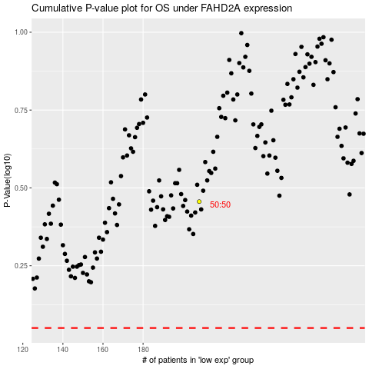

 |  |  |  |  |  | cases_OS | p_OS | rank | exp
 |  |  |  |  |  |  | cases_RFS | p_RFS | rank | exp

