FAHD2B _multivariate
Reported by Tex Li-Hsing Chi. tex@gate.sinica.edu.tw 2019-08-20

Table 2. The clinicopathological features of HNSCC cohort and FAHD2B expression. (Chi square test)
Cutoff at -0.208 (49.8%)
 |  | FAHD2B expression |  | FAHD2B expression |  | (Optimised)
 | Features | Low | (%) | High | (%) | Case no | P-value | Remark | Matthews
Gender | Female | 139 | 33.5 | 167 | 40.2 | 415 | 0.0034 | 1 | 0
2 | Male | 68 | 16.4 | 41 | 9.9
Age at diagnosis | <=65y | 123 | 29.6 | 151 | 36.4 | 415 | 0.0063 | 1 | 0
4 | >65y | 84 | 20.2 | 57 | 13.7
Clinical T Status | T1+T2 | 78 | 18.8 | 71 | 17.1 | 415 | 0.5152 | 0 | 0
6 | T3+T4 | 129 | 31.1 | 137 | 33
Clinical N Status | N0 | 109 | 26.3 | 107 | 25.8 | 415 | 0.8812 | 0 | 0
8 | N1-3 | 98 | 23.6 | 101 | 24.3
Clinical M Status | M0 | 205 | 49.4 | 207 | 49.9 | 415 | 0.6232 | 0 | 0
10 | M1 | 2 | 0.5 | 1 | 0.2
Clinical Stage | Stage I+II | 53 | 12.8 | 49 | 11.8 | 415 | 0.7113 | 0 | 0
12 | Stage III+IV | 154 | 37.1 | 159 | 38.3
Surgical Margin status | Negative | 158 | 38.1 | 160 | 38.6 | 415 | 0.9081 | 0 | 0
14 | Positive | 49 | 11.8 | 48 | 11.6
Tobacco Exposure | Low | 93 | 22.4 | 68 | 16.4 | 415 | 0.0118 | 1 | 0
16 | High | 114 | 27.5 | 140 | 33.7

Table 3. Univariate/Multivariate Cox's proportional hazards regression analyses on OS time of FAHD2B gene expression in HNSCC

 |  | Univariate |  |  |  | Multivariate
 | Features | HR | CI95%(L) | CI95%(H) | P-value | HR | CI95%(L) | CI95%(H) | P-value
1 | Female | 1 |  |  |  | 1
Gender | Male | 1.157 | 0.843 | 1.587 | 0.367 | 1.208 | 0.863 | 1.692 | 0.272
11 | <=65y | 1 |  |  |  | 1
Age at diagnosis | >65y | 1.329 | 0.99 | 1.784 | 0.058 | 1.396 | 1.026 | 1.9 | 0.034
12 | T1+T2 | 1 |  |  |  | 1
Clinical T Status | T3+T4 | 1.409 | 1.028 | 1.931 | 0.033 | 2.193 | 1.159 | 4.151 | 0.016
13 | N0 | 1 |  |  |  | 1
Clinical N Status | N1-3 | 1.185 | 0.89 | 1.577 | 0.246 | 1.238 | 0.867 | 1.767 | 0.24
14 | M0 | 1 |  |  |  | 1
Clinical M Status | M1 | 4.097 | 1.009 | 16.644 | 0.049 | 9.416 | 2.054 | 43.163 | 0.004
15 | Stage I+II | 1 |  |  |  | 1
Clinical Stage | Stage III+IV | 1.245 | 0.882 | 1.759 | 0.213 | 0.508 | 0.236 | 1.092 | 0.083
16 | Negative | 1 |  |  |  | 1
Surgical Margin status | Positive | 1.591 | 1.155 | 2.191 | 0.004 | 1.666 | 1.204 | 2.304 | 0.002
17 | Low | 1 |  |  |  | 1
Tobacco Exposure | High | 1.364 | 1.008 | 1.844 | 0.044 | 1.446 | 1.048 | 1.996 | 0.025
18 | Low | 1 |  |  |  | 1
RNAseq(z-score) | High | 1.059 | 0.795 | 1.411 | 0.694 | 1.038 | 0.772 | 1.396 | 0.804

Table 4. Univariate/Multivariate Cox's proportional hazards regression analyses on RFS time of FAHD2B gene expression in HNSCC

 |  | Univariate |  |  |  | Multivariate
 | Features | HR | CI95%(L) | CI95%(H) | P-value | HR | CI95%(L) | CI95%(H) | P-value
1 | Female | 1 |  |  |  | 1
Gender | Male | 1.157 | 0.843 | 1.587 | 0.367 | 1.208 | 0.863 | 1.692 | 0.272
11 | <=65y | 1 |  |  |  | 1
Age at diagnosis | >65y | 1.329 | 0.99 | 1.784 | 0.058 | 1.396 | 1.026 | 1.9 | 0.034
12 | T1+T2 | 1 |  |  |  | 1
Clinical T Status | T3+T4 | 1.409 | 1.028 | 1.931 | 0.033 | 2.193 | 1.159 | 4.151 | 0.016
13 | N0 | 1 |  |  |  | 1
Clinical N Status | N1-3 | 1.185 | 0.89 | 1.577 | 0.246 | 1.238 | 0.867 | 1.767 | 0.24
14 | M0 | 1 |  |  |  | 1
Clinical M Status | M1 | 4.097 | 1.009 | 16.644 | 0.049 | 9.416 | 2.054 | 43.163 | 0.004
15 | Stage I+II | 1 |  |  |  | 1
Clinical Stage | Stage III+IV | 1.245 | 0.882 | 1.759 | 0.213 | 0.508 | 0.236 | 1.092 | 0.083
16 | Negative | 1 |  |  |  | 1
Surgical Margin status | Positive | 1.591 | 1.155 | 2.191 | 0.004 | 1.666 | 1.204 | 2.304 | 0.002
17 | Low | 1 |  |  |  | 1
Tobacco Exposure | High | 1.364 | 1.008 | 1.844 | 0.044 | 1.446 | 1.048 | 1.996 | 0.025
18 | Low | 1 |  |  |  | 1
RNAseq(z-score) | High | 1.059 | 0.795 | 1.411 | 0.694 | 1.038 | 0.772 | 1.396 | 0.804

Kaplan-Meier survival estimate: Cutoff at -0.208 (49.8%)

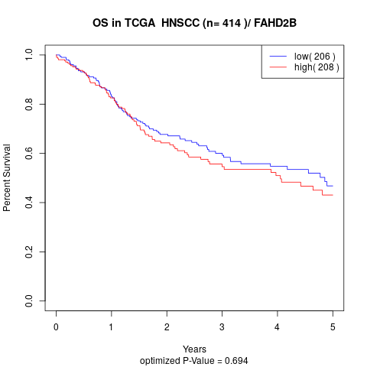

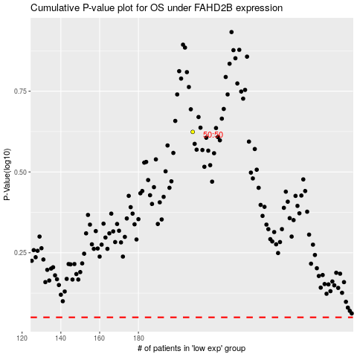

 |  |  |  |  |  | cases_OS | p_OS | rank | exp
 |  |  |  |  |  |  | cases_RFS | p_RFS | rank | exp

