FAM100B _multivariate
Reported by Tex Li-Hsing Chi. tex@gate.sinica.edu.tw 2019-08-20

Table 2. The clinicopathological features of HNSCC cohort and FAM100B expression. (Chi square test)
Cutoff at -0.238 (50.0%)
 |  | FAM100B expression |  | FAM100B expression |  | (Optimised)
 | Features | Low | (%) | High | (%) | Case no | P-value | Remark | Matthews
Gender | Female | 149 | 35.9 | 157 | 37.8 | 415 | 0.4848 | 0 | 0
2 | Male | 58 | 14 | 51 | 12.3
Age at diagnosis | <=65y | 134 | 32.3 | 140 | 33.7 | 415 | 0.6529 | 0 | 0
4 | >65y | 73 | 17.6 | 68 | 16.4
Clinical T Status | T1+T2 | 82 | 19.8 | 67 | 16.1 | 415 | 0.1417 | 0 | 0
6 | T3+T4 | 125 | 30.1 | 141 | 34
Clinical N Status | N0 | 116 | 28 | 100 | 24.1 | 415 | 0.1273 | 1 | 0
8 | N1-3 | 91 | 21.9 | 108 | 26
Clinical M Status | M0 | 206 | 49.6 | 206 | 49.6 | 415 | 1 | 0 | 0
10 | M1 | 1 | 0.2 | 2 | 0.5
Clinical Stage | Stage I+II | 59 | 14.2 | 43 | 10.4 | 415 | 0.0822 | 0 | 0
12 | Stage III+IV | 148 | 35.7 | 165 | 39.8
Surgical Margin status | Negative | 166 | 40 | 152 | 36.6 | 415 | 0.1042 | 0 | 0
14 | Positive | 41 | 9.9 | 56 | 13.5
Tobacco Exposure | Low | 85 | 20.5 | 76 | 18.3 | 415 | 0.3655 | 0 | 0
16 | High | 122 | 29.4 | 132 | 31.8

Table 3. Univariate/Multivariate Cox's proportional hazards regression analyses on OS time of FAM100B gene expression in HNSCC

 |  | Univariate |  |  |  | Multivariate
 | Features | HR | CI95%(L) | CI95%(H) | P-value | HR | CI95%(L) | CI95%(H) | P-value
1 | Female | 1 |  |  |  | 1
Gender | Male | 1.157 | 0.843 | 1.587 | 0.367 | 1.207 | 0.865 | 1.686 | 0.268
11 | <=65y | 1 |  |  |  | 1
Age at diagnosis | >65y | 1.329 | 0.99 | 1.784 | 0.058 | 1.389 | 1.022 | 1.888 | 0.036
12 | T1+T2 | 1 |  |  |  | 1
Clinical T Status | T3+T4 | 1.409 | 1.028 | 1.931 | 0.033 | 2.201 | 1.164 | 4.162 | 0.015
13 | N0 | 1 |  |  |  | 1
Clinical N Status | N1-3 | 1.185 | 0.89 | 1.577 | 0.246 | 1.252 | 0.877 | 1.787 | 0.216
14 | M0 | 1 |  |  |  | 1
Clinical M Status | M1 | 4.097 | 1.009 | 16.644 | 0.049 | 9.571 | 2.088 | 43.873 | 0.004
15 | Stage I+II | 1 |  |  |  | 1
Clinical Stage | Stage III+IV | 1.245 | 0.882 | 1.759 | 0.213 | 0.508 | 0.236 | 1.09 | 0.082
16 | Negative | 1 |  |  |  | 1
Surgical Margin status | Positive | 1.591 | 1.155 | 2.191 | 0.004 | 1.701 | 1.23 | 2.353 | 0.001
17 | Low | 1 |  |  |  | 1
Tobacco Exposure | High | 1.364 | 1.008 | 1.844 | 0.044 | 1.451 | 1.054 | 1.997 | 0.022
18 | Low | 1 |  |  |  | 1
RNAseq(z-score) | High | 0.9 | 0.675 | 1.2 | 0.474 | 0.836 | 0.625 | 1.118 | 0.228

Table 4. Univariate/Multivariate Cox's proportional hazards regression analyses on RFS time of FAM100B gene expression in HNSCC

 |  | Univariate |  |  |  | Multivariate
 | Features | HR | CI95%(L) | CI95%(H) | P-value | HR | CI95%(L) | CI95%(H) | P-value
1 | Female | 1 |  |  |  | 1
Gender | Male | 1.157 | 0.843 | 1.587 | 0.367 | 1.207 | 0.865 | 1.686 | 0.268
11 | <=65y | 1 |  |  |  | 1
Age at diagnosis | >65y | 1.329 | 0.99 | 1.784 | 0.058 | 1.389 | 1.022 | 1.888 | 0.036
12 | T1+T2 | 1 |  |  |  | 1
Clinical T Status | T3+T4 | 1.409 | 1.028 | 1.931 | 0.033 | 2.201 | 1.164 | 4.162 | 0.015
13 | N0 | 1 |  |  |  | 1
Clinical N Status | N1-3 | 1.185 | 0.89 | 1.577 | 0.246 | 1.252 | 0.877 | 1.787 | 0.216
14 | M0 | 1 |  |  |  | 1
Clinical M Status | M1 | 4.097 | 1.009 | 16.644 | 0.049 | 9.571 | 2.088 | 43.873 | 0.004
15 | Stage I+II | 1 |  |  |  | 1
Clinical Stage | Stage III+IV | 1.245 | 0.882 | 1.759 | 0.213 | 0.508 | 0.236 | 1.09 | 0.082
16 | Negative | 1 |  |  |  | 1
Surgical Margin status | Positive | 1.591 | 1.155 | 2.191 | 0.004 | 1.701 | 1.23 | 2.353 | 0.001
17 | Low | 1 |  |  |  | 1
Tobacco Exposure | High | 1.364 | 1.008 | 1.844 | 0.044 | 1.451 | 1.054 | 1.997 | 0.022
18 | Low | 1 |  |  |  | 1
RNAseq(z-score) | High | 0.9 | 0.675 | 1.2 | 0.474 | 0.836 | 0.625 | 1.118 | 0.228

Kaplan-Meier survival estimate: Cutoff at -0.238 (50.0%)



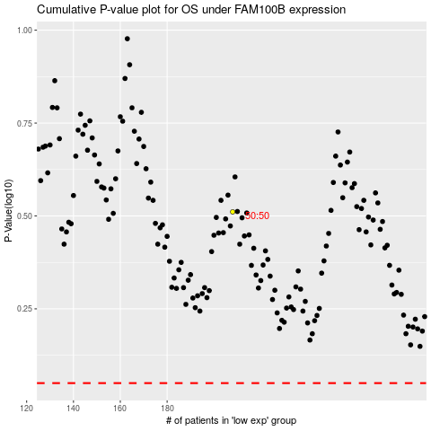

 |  |  |  |  |  | cases_OS | p_OS | rank | exp
 |  |  |  |  |  |  | cases_RFS | p_RFS | rank | exp

