FAM101A _multivariate
Reported by Tex Li-Hsing Chi. tex@gate.sinica.edu.tw 2019-08-20

Table 2. The clinicopathological features of HNSCC cohort and FAM101A expression. (Chi square test)
Cutoff at -0.057 (69.8%)
 |  | FAM101A expression |  | FAM101A expression |  | (Optimised)
 | Features | Low | (%) | High | (%) | Case no | P-value | Remark | Matthews
Gender | Female | 213 | 51.3 | 93 | 22.4 | 415 | 0.9358 | 0 | 0
2 | Male | 77 | 18.6 | 32 | 7.7
Age at diagnosis | <=65y | 195 | 47 | 79 | 19 | 415 | 0.4936 | 0 | 0
4 | >65y | 95 | 22.9 | 46 | 11.1
Clinical T Status | T1+T2 | 110 | 26.5 | 39 | 9.4 | 415 | 0.2302 | 0 | 0
6 | T3+T4 | 180 | 43.4 | 86 | 20.7
Clinical N Status | N0 | 155 | 37.3 | 61 | 14.7 | 415 | 0.4458 | 0 | 0
8 | N1-3 | 135 | 32.5 | 64 | 15.4
Clinical M Status | M0 | 288 | 69.4 | 124 | 29.9 | 415 | 1 | 0 | 0
10 | M1 | 2 | 0.5 | 1 | 0.2
Clinical Stage | Stage I+II | 76 | 18.3 | 26 | 6.3 | 415 | 0.294 | 0 | 0
12 | Stage III+IV | 214 | 51.6 | 99 | 23.9
Surgical Margin status | Negative | 225 | 54.2 | 93 | 22.4 | 415 | 0.5276 | 0 | 0
14 | Positive | 65 | 15.7 | 32 | 7.7
Tobacco Exposure | Low | 115 | 27.7 | 46 | 11.1 | 415 | 0.6607 | 0 | 0
16 | High | 175 | 42.2 | 79 | 19

Table 3. Univariate/Multivariate Cox's proportional hazards regression analyses on OS time of FAM101A gene expression in HNSCC

 |  | Univariate |  |  |  | Multivariate
 | Features | HR | CI95%(L) | CI95%(H) | P-value | HR | CI95%(L) | CI95%(H) | P-value
1 | Female | 1 |  |  |  | 1
Gender | Male | 1.157 | 0.843 | 1.587 | 0.367 | 1.214 | 0.871 | 1.693 | 0.252
11 | <=65y | 1 |  |  |  | 1
Age at diagnosis | >65y | 1.329 | 0.99 | 1.784 | 0.058 | 1.39 | 1.022 | 1.89 | 0.036
12 | T1+T2 | 1 |  |  |  | 1
Clinical T Status | T3+T4 | 1.409 | 1.028 | 1.931 | 0.033 | 2.169 | 1.146 | 4.106 | 0.017
13 | N0 | 1 |  |  |  | 1
Clinical N Status | N1-3 | 1.185 | 0.89 | 1.577 | 0.246 | 1.216 | 0.852 | 1.736 | 0.282
14 | M0 | 1 |  |  |  | 1
Clinical M Status | M1 | 4.097 | 1.009 | 16.644 | 0.049 | 9.832 | 2.143 | 45.112 | 0.003
15 | Stage I+II | 1 |  |  |  | 1
Clinical Stage | Stage III+IV | 1.245 | 0.882 | 1.759 | 0.213 | 0.502 | 0.233 | 1.078 | 0.077
16 | Negative | 1 |  |  |  | 1
Surgical Margin status | Positive | 1.591 | 1.155 | 2.191 | 0.004 | 1.661 | 1.202 | 2.296 | 0.002
17 | Low | 1 |  |  |  | 1
Tobacco Exposure | High | 1.364 | 1.008 | 1.844 | 0.044 | 1.458 | 1.061 | 2.005 | 0.02
18 | Low | 1 |  |  |  | 1
RNAseq(z-score) | High | 1.44 | 1.07 | 1.938 | 0.016 | 1.426 | 1.057 | 1.923 | 0.02

Table 4. Univariate/Multivariate Cox's proportional hazards regression analyses on RFS time of FAM101A gene expression in HNSCC

 |  | Univariate |  |  |  | Multivariate
 | Features | HR | CI95%(L) | CI95%(H) | P-value | HR | CI95%(L) | CI95%(H) | P-value
1 | Female | 1 |  |  |  | 1
Gender | Male | 1.157 | 0.843 | 1.587 | 0.367 | 1.214 | 0.871 | 1.693 | 0.252
11 | <=65y | 1 |  |  |  | 1
Age at diagnosis | >65y | 1.329 | 0.99 | 1.784 | 0.058 | 1.39 | 1.022 | 1.89 | 0.036
12 | T1+T2 | 1 |  |  |  | 1
Clinical T Status | T3+T4 | 1.409 | 1.028 | 1.931 | 0.033 | 2.169 | 1.146 | 4.106 | 0.017
13 | N0 | 1 |  |  |  | 1
Clinical N Status | N1-3 | 1.185 | 0.89 | 1.577 | 0.246 | 1.216 | 0.852 | 1.736 | 0.282
14 | M0 | 1 |  |  |  | 1
Clinical M Status | M1 | 4.097 | 1.009 | 16.644 | 0.049 | 9.832 | 2.143 | 45.112 | 0.003
15 | Stage I+II | 1 |  |  |  | 1
Clinical Stage | Stage III+IV | 1.245 | 0.882 | 1.759 | 0.213 | 0.502 | 0.233 | 1.078 | 0.077
16 | Negative | 1 |  |  |  | 1
Surgical Margin status | Positive | 1.591 | 1.155 | 2.191 | 0.004 | 1.661 | 1.202 | 2.296 | 0.002
17 | Low | 1 |  |  |  | 1
Tobacco Exposure | High | 1.364 | 1.008 | 1.844 | 0.044 | 1.458 | 1.061 | 2.005 | 0.02
18 | Low | 1 |  |  |  | 1
RNAseq(z-score) | High | 1.44 | 1.07 | 1.938 | 0.016 | 1.426 | 1.057 | 1.923 | 0.02

Kaplan-Meier survival estimate: Cutoff at -0.057 (69.8%)

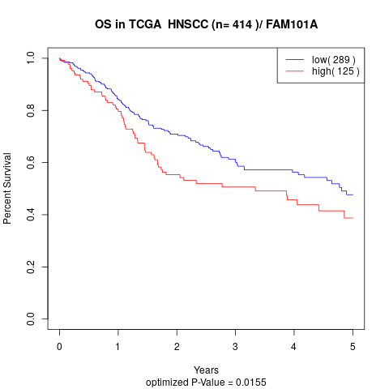

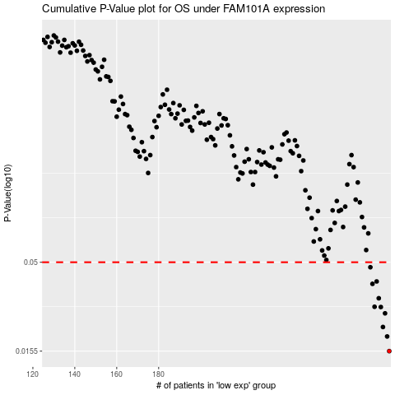

 |  |  |  |  |  | cases_OS | p_OS | rank | exp
 |  |  |  |  |  | 290 | 0.0155 | 217 | -0.057067355379
 |  |  |  |  |  | 289 | 0.0188 | 293 | -0.058176278604
 |  |  |  |  |  | 287 | 0.0213 | 87 | -0.059875936632
 |  |  |  |  |  | 288 | 0.0255 | 71 | -0.059668661263
 |  |  |  |  |  | 286 | 0.0277 | 150 | -0.060622737595
 |  |  |  |  |  | 283 | 0.0278 | 296 | -0.072340501924
 |  |  |  |  |  | 285 | 0.0311 | 332 | -0.065485783537
 |  |  |  |  |  | 282 | 0.0376 | 41 | -0.075520349941
 |  |  |  |  |  | 284 | 0.0388 | 168 | -0.069517899102
 |  |  |  |  |  | 281 | 0.0468 | 300 | -0.076259225669
 |  |  |  |  |  |  | cases_RFS | p_RFS | rank | exp
 |  |  |  |  |  |  | 289 | 0.0155 | 293 | -0.058176278604
 |  |  |  |  |  |  | 288 | 0.0188 | 71 | -0.059668661263
 |  |  |  |  |  |  | 286 | 0.0213 | 150 | -0.060622737595
 |  |  |  |  |  |  | 287 | 0.0255 | 87 | -0.059875936632
 |  |  |  |  |  |  | 285 | 0.0277 | 332 | -0.065485783537
 |  |  |  |  |  |  | 282 | 0.0278 | 41 | -0.075520349941
 |  |  |  |  |  |  | 284 | 0.0311 | 168 | -0.069517899102
 |  |  |  |  |  |  | 281 | 0.0376 | 300 | -0.076259225669
 |  |  |  |  |  |  | 283 | 0.0388 | 296 | -0.072340501924
 |  |  |  |  |  |  | 280 | 0.0468 | 184 | -0.079437244786

