FAM102B _multivariate
Reported by Tex Li-Hsing Chi. tex@gate.sinica.edu.tw 2019-08-20

Table 2. The clinicopathological features of HNSCC cohort and FAM102B expression. (Chi square test)
Cutoff at -0.297 (49.8%)
 |  | FAM102B expression |  | FAM102B expression |  | (Optimised)
 | Features | Low | (%) | High | (%) | Case no | P-value | Remark | Matthews
Gender | Female | 156 | 37.6 | 150 | 36.1 | 415 | 0.5222 | 0 | 0
2 | Male | 51 | 12.3 | 58 | 14
Age at diagnosis | <=65y | 138 | 33.3 | 136 | 32.8 | 415 | 0.8634 | 0 | 0
4 | >65y | 69 | 16.6 | 72 | 17.3
Clinical T Status | T1+T2 | 61 | 14.7 | 88 | 21.2 | 415 | 0.0087 | 1 | 0
6 | T3+T4 | 146 | 35.2 | 120 | 28.9
Clinical N Status | N0 | 118 | 28.4 | 98 | 23.6 | 415 | 0.0551 | 1 | 0
8 | N1-3 | 89 | 21.4 | 110 | 26.5
Clinical M Status | M0 | 204 | 49.2 | 208 | 50.1 | 415 | 0.1232 | 0 | 0
10 | M1 | 3 | 0.7 | 0 | 0
Clinical Stage | Stage I+II | 47 | 11.3 | 55 | 13.3 | 415 | 0.4413 | 0 | 0
12 | Stage III+IV | 160 | 38.6 | 153 | 36.9
Surgical Margin status | Negative | 157 | 37.8 | 161 | 38.8 | 415 | 0.729 | 0 | 0
14 | Positive | 50 | 12 | 47 | 11.3
Tobacco Exposure | Low | 84 | 20.2 | 77 | 18.6 | 415 | 0.4816 | 0 | 0
16 | High | 123 | 29.6 | 131 | 31.6

Table 3. Univariate/Multivariate Cox's proportional hazards regression analyses on OS time of FAM102B gene expression in HNSCC

 |  | Univariate |  |  |  | Multivariate
 | Features | HR | CI95%(L) | CI95%(H) | P-value | HR | CI95%(L) | CI95%(H) | P-value
1 | Female | 1 |  |  |  | 1
Gender | Male | 1.157 | 0.843 | 1.587 | 0.367 | 1.199 | 0.857 | 1.677 | 0.29
11 | <=65y | 1 |  |  |  | 1
Age at diagnosis | >65y | 1.329 | 0.99 | 1.784 | 0.058 | 1.397 | 1.028 | 1.899 | 0.033
12 | T1+T2 | 1 |  |  |  | 1
Clinical T Status | T3+T4 | 1.409 | 1.028 | 1.931 | 0.033 | 2.103 | 1.108 | 3.994 | 0.023
13 | N0 | 1 |  |  |  | 1
Clinical N Status | N1-3 | 1.185 | 0.89 | 1.577 | 0.246 | 1.278 | 0.893 | 1.828 | 0.179
14 | M0 | 1 |  |  |  | 1
Clinical M Status | M1 | 4.097 | 1.009 | 16.644 | 0.049 | 8.204 | 1.763 | 38.186 | 0.007
15 | Stage I+II | 1 |  |  |  | 1
Clinical Stage | Stage III+IV | 1.245 | 0.882 | 1.759 | 0.213 | 0.51 | 0.238 | 1.095 | 0.084
16 | Negative | 1 |  |  |  | 1
Surgical Margin status | Positive | 1.591 | 1.155 | 2.191 | 0.004 | 1.663 | 1.204 | 2.298 | 0.002
17 | Low | 1 |  |  |  | 1
Tobacco Exposure | High | 1.364 | 1.008 | 1.844 | 0.044 | 1.473 | 1.067 | 2.033 | 0.018
18 | Low | 1 |  |  |  | 1
RNAseq(z-score) | High | 0.794 | 0.596 | 1.058 | 0.116 | 0.834 | 0.62 | 1.12 | 0.227

Table 4. Univariate/Multivariate Cox's proportional hazards regression analyses on RFS time of FAM102B gene expression in HNSCC

 |  | Univariate |  |  |  | Multivariate
 | Features | HR | CI95%(L) | CI95%(H) | P-value | HR | CI95%(L) | CI95%(H) | P-value
1 | Female | 1 |  |  |  | 1
Gender | Male | 1.157 | 0.843 | 1.587 | 0.367 | 1.199 | 0.857 | 1.677 | 0.29
11 | <=65y | 1 |  |  |  | 1
Age at diagnosis | >65y | 1.329 | 0.99 | 1.784 | 0.058 | 1.397 | 1.028 | 1.899 | 0.033
12 | T1+T2 | 1 |  |  |  | 1
Clinical T Status | T3+T4 | 1.409 | 1.028 | 1.931 | 0.033 | 2.103 | 1.108 | 3.994 | 0.023
13 | N0 | 1 |  |  |  | 1
Clinical N Status | N1-3 | 1.185 | 0.89 | 1.577 | 0.246 | 1.278 | 0.893 | 1.828 | 0.179
14 | M0 | 1 |  |  |  | 1
Clinical M Status | M1 | 4.097 | 1.009 | 16.644 | 0.049 | 8.204 | 1.763 | 38.186 | 0.007
15 | Stage I+II | 1 |  |  |  | 1
Clinical Stage | Stage III+IV | 1.245 | 0.882 | 1.759 | 0.213 | 0.51 | 0.238 | 1.095 | 0.084
16 | Negative | 1 |  |  |  | 1
Surgical Margin status | Positive | 1.591 | 1.155 | 2.191 | 0.004 | 1.663 | 1.204 | 2.298 | 0.002
17 | Low | 1 |  |  |  | 1
Tobacco Exposure | High | 1.364 | 1.008 | 1.844 | 0.044 | 1.473 | 1.067 | 2.033 | 0.018
18 | Low | 1 |  |  |  | 1
RNAseq(z-score) | High | 0.794 | 0.596 | 1.058 | 0.116 | 0.834 | 0.62 | 1.12 | 0.227

Kaplan-Meier survival estimate: Cutoff at -0.297 (49.8%)



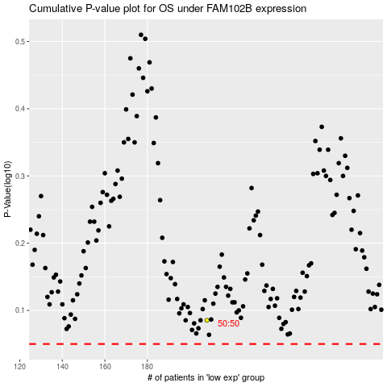

 |  |  |  |  |  | cases_OS | p_OS | rank | exp
 |  |  |  |  |  |  | cases_RFS | p_RFS | rank | exp

