FAM103A1 _multivariate
Reported by Tex Li-Hsing Chi. tex@gate.sinica.edu.tw 2019-08-20

Table 2. The clinicopathological features of HNSCC cohort and FAM103A1 expression. (Chi square test)
Cutoff at -0.209 (50.0%)
 |  | FAM103A1 expression |  | FAM103A1 expression |  | (Optimised)
 | Features | Low | (%) | High | (%) | Case no | P-value | Remark | Matthews
Gender | Female | 159 | 38.3 | 147 | 35.4 | 415 | 0.1905 | 0 | 0
2 | Male | 48 | 11.6 | 61 | 14.7
Age at diagnosis | <=65y | 126 | 30.4 | 148 | 35.7 | 415 | 0.035 | 1 | 0
4 | >65y | 81 | 19.5 | 60 | 14.5
Clinical T Status | T1+T2 | 72 | 17.3 | 77 | 18.6 | 415 | 0.7095 | 0 | 0
6 | T3+T4 | 135 | 32.5 | 131 | 31.6
Clinical N Status | N0 | 99 | 23.9 | 117 | 28.2 | 415 | 0.1054 | 0 | 0
8 | N1-3 | 108 | 26 | 91 | 21.9
Clinical M Status | M0 | 206 | 49.6 | 206 | 49.6 | 415 | 1 | 0 | 0
10 | M1 | 1 | 0.2 | 2 | 0.5
Clinical Stage | Stage I+II | 49 | 11.8 | 53 | 12.8 | 415 | 0.7535 | 0 | 0
12 | Stage III+IV | 158 | 38.1 | 155 | 37.3
Surgical Margin status | Negative | 169 | 40.7 | 149 | 35.9 | 415 | 0.0201 | 1 | 0
14 | Positive | 38 | 9.2 | 59 | 14.2
Tobacco Exposure | Low | 69 | 16.6 | 92 | 22.2 | 415 | 0.0266 | 1 | 0
16 | High | 138 | 33.3 | 116 | 28

Table 3. Univariate/Multivariate Cox's proportional hazards regression analyses on OS time of FAM103A1 gene expression in HNSCC

 |  | Univariate |  |  |  | Multivariate
 | Features | HR | CI95%(L) | CI95%(H) | P-value | HR | CI95%(L) | CI95%(H) | P-value
1 | Female | 1 |  |  |  | 1
Gender | Male | 1.157 | 0.843 | 1.587 | 0.367 | 1.182 | 0.838 | 1.668 | 0.341
11 | <=65y | 1 |  |  |  | 1
Age at diagnosis | >65y | 1.329 | 0.99 | 1.784 | 0.058 | 1.405 | 1.03 | 1.915 | 0.032
12 | T1+T2 | 1 |  |  |  | 1
Clinical T Status | T3+T4 | 1.409 | 1.028 | 1.931 | 0.033 | 2.209 | 1.168 | 4.178 | 0.015
13 | N0 | 1 |  |  |  | 1
Clinical N Status | N1-3 | 1.185 | 0.89 | 1.577 | 0.246 | 1.249 | 0.874 | 1.784 | 0.222
14 | M0 | 1 |  |  |  | 1
Clinical M Status | M1 | 4.097 | 1.009 | 16.644 | 0.049 | 9.2 | 1.999 | 42.344 | 0.004
15 | Stage I+II | 1 |  |  |  | 1
Clinical Stage | Stage III+IV | 1.245 | 0.882 | 1.759 | 0.213 | 0.502 | 0.234 | 1.079 | 0.077
16 | Negative | 1 |  |  |  | 1
Surgical Margin status | Positive | 1.591 | 1.155 | 2.191 | 0.004 | 1.652 | 1.189 | 2.295 | 0.003
17 | Low | 1 |  |  |  | 1
Tobacco Exposure | High | 1.364 | 1.008 | 1.844 | 0.044 | 1.46 | 1.059 | 2.013 | 0.021
18 | Low | 1 |  |  |  | 1
RNAseq(z-score) | High | 1.077 | 0.809 | 1.434 | 0.613 | 1.063 | 0.784 | 1.442 | 0.693

Table 4. Univariate/Multivariate Cox's proportional hazards regression analyses on RFS time of FAM103A1 gene expression in HNSCC

 |  | Univariate |  |  |  | Multivariate
 | Features | HR | CI95%(L) | CI95%(H) | P-value | HR | CI95%(L) | CI95%(H) | P-value
1 | Female | 1 |  |  |  | 1
Gender | Male | 1.157 | 0.843 | 1.587 | 0.367 | 1.182 | 0.838 | 1.668 | 0.341
11 | <=65y | 1 |  |  |  | 1
Age at diagnosis | >65y | 1.329 | 0.99 | 1.784 | 0.058 | 1.405 | 1.03 | 1.915 | 0.032
12 | T1+T2 | 1 |  |  |  | 1
Clinical T Status | T3+T4 | 1.409 | 1.028 | 1.931 | 0.033 | 2.209 | 1.168 | 4.178 | 0.015
13 | N0 | 1 |  |  |  | 1
Clinical N Status | N1-3 | 1.185 | 0.89 | 1.577 | 0.246 | 1.249 | 0.874 | 1.784 | 0.222
14 | M0 | 1 |  |  |  | 1
Clinical M Status | M1 | 4.097 | 1.009 | 16.644 | 0.049 | 9.2 | 1.999 | 42.344 | 0.004
15 | Stage I+II | 1 |  |  |  | 1
Clinical Stage | Stage III+IV | 1.245 | 0.882 | 1.759 | 0.213 | 0.502 | 0.234 | 1.079 | 0.077
16 | Negative | 1 |  |  |  | 1
Surgical Margin status | Positive | 1.591 | 1.155 | 2.191 | 0.004 | 1.652 | 1.189 | 2.295 | 0.003
17 | Low | 1 |  |  |  | 1
Tobacco Exposure | High | 1.364 | 1.008 | 1.844 | 0.044 | 1.46 | 1.059 | 2.013 | 0.021
18 | Low | 1 |  |  |  | 1
RNAseq(z-score) | High | 1.077 | 0.809 | 1.434 | 0.613 | 1.063 | 0.784 | 1.442 | 0.693

Kaplan-Meier survival estimate: Cutoff at -0.209 (50.0%)



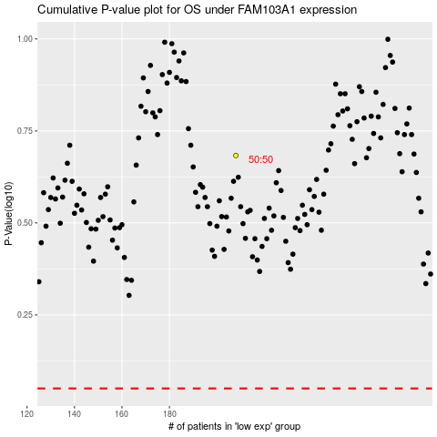

 |  |  |  |  |  | cases_OS | p_OS | rank | exp
 |  |  |  |  |  |  | cases_RFS | p_RFS | rank | exp

