FAM104A _multivariate
Reported by Tex Li-Hsing Chi. tex@gate.sinica.edu.tw 2019-08-20

Table 2. The clinicopathological features of HNSCC cohort and FAM104A expression. (Chi square test)
Cutoff at -0.053 (50.0%)
 |  | FAM104A expression |  | FAM104A expression |  | (Optimised)
 | Features | Low | (%) | High | (%) | Case no | P-value | Remark | Matthews
Gender | Female | 153 | 36.9 | 153 | 36.9 | 415 | 1 | 0 | 0
2 | Male | 54 | 13 | 55 | 13.3
Age at diagnosis | <=65y | 134 | 32.3 | 140 | 33.7 | 415 | 0.6529 | 0 | 0
4 | >65y | 73 | 17.6 | 68 | 16.4
Clinical T Status | T1+T2 | 83 | 20 | 66 | 15.9 | 415 | 0.0941 | 0 | 0
6 | T3+T4 | 124 | 29.9 | 142 | 34.2
Clinical N Status | N0 | 109 | 26.3 | 107 | 25.8 | 415 | 0.8812 | 0 | 0
8 | N1-3 | 98 | 23.6 | 101 | 24.3
Clinical M Status | M0 | 206 | 49.6 | 206 | 49.6 | 415 | 1 | 0 | 0
10 | M1 | 1 | 0.2 | 2 | 0.5
Clinical Stage | Stage I+II | 59 | 14.2 | 43 | 10.4 | 415 | 0.0822 | 0 | 0
12 | Stage III+IV | 148 | 35.7 | 165 | 39.8
Surgical Margin status | Negative | 161 | 38.8 | 157 | 37.8 | 415 | 0.6429 | 0 | 0
14 | Positive | 46 | 11.1 | 51 | 12.3
Tobacco Exposure | Low | 92 | 22.2 | 69 | 16.6 | 415 | 0.0206 | 1 | 0
16 | High | 115 | 27.7 | 139 | 33.5

Table 3. Univariate/Multivariate Cox's proportional hazards regression analyses on OS time of FAM104A gene expression in HNSCC

 |  | Univariate |  |  |  | Multivariate
 | Features | HR | CI95%(L) | CI95%(H) | P-value | HR | CI95%(L) | CI95%(H) | P-value
1 | Female | 1 |  |  |  | 1
Gender | Male | 1.157 | 0.843 | 1.587 | 0.367 | 1.195 | 0.855 | 1.671 | 0.296
11 | <=65y | 1 |  |  |  | 1
Age at diagnosis | >65y | 1.329 | 0.99 | 1.784 | 0.058 | 1.394 | 1.026 | 1.896 | 0.034
12 | T1+T2 | 1 |  |  |  | 1
Clinical T Status | T3+T4 | 1.409 | 1.028 | 1.931 | 0.033 | 2.212 | 1.17 | 4.184 | 0.015
13 | N0 | 1 |  |  |  | 1
Clinical N Status | N1-3 | 1.185 | 0.89 | 1.577 | 0.246 | 1.25 | 0.875 | 1.786 | 0.219
14 | M0 | 1 |  |  |  | 1
Clinical M Status | M1 | 4.097 | 1.009 | 16.644 | 0.049 | 9.21 | 2.005 | 42.312 | 0.004
15 | Stage I+II | 1 |  |  |  | 1
Clinical Stage | Stage III+IV | 1.245 | 0.882 | 1.759 | 0.213 | 0.499 | 0.232 | 1.073 | 0.075
16 | Negative | 1 |  |  |  | 1
Surgical Margin status | Positive | 1.591 | 1.155 | 2.191 | 0.004 | 1.669 | 1.207 | 2.306 | 0.002
17 | Low | 1 |  |  |  | 1
Tobacco Exposure | High | 1.364 | 1.008 | 1.844 | 0.044 | 1.439 | 1.042 | 1.986 | 0.027
18 | Low | 1 |  |  |  | 1
RNAseq(z-score) | High | 1.122 | 0.842 | 1.495 | 0.431 | 1.077 | 0.805 | 1.441 | 0.616

Table 4. Univariate/Multivariate Cox's proportional hazards regression analyses on RFS time of FAM104A gene expression in HNSCC

 |  | Univariate |  |  |  | Multivariate
 | Features | HR | CI95%(L) | CI95%(H) | P-value | HR | CI95%(L) | CI95%(H) | P-value
1 | Female | 1 |  |  |  | 1
Gender | Male | 1.157 | 0.843 | 1.587 | 0.367 | 1.195 | 0.855 | 1.671 | 0.296
11 | <=65y | 1 |  |  |  | 1
Age at diagnosis | >65y | 1.329 | 0.99 | 1.784 | 0.058 | 1.394 | 1.026 | 1.896 | 0.034
12 | T1+T2 | 1 |  |  |  | 1
Clinical T Status | T3+T4 | 1.409 | 1.028 | 1.931 | 0.033 | 2.212 | 1.17 | 4.184 | 0.015
13 | N0 | 1 |  |  |  | 1
Clinical N Status | N1-3 | 1.185 | 0.89 | 1.577 | 0.246 | 1.25 | 0.875 | 1.786 | 0.219
14 | M0 | 1 |  |  |  | 1
Clinical M Status | M1 | 4.097 | 1.009 | 16.644 | 0.049 | 9.21 | 2.005 | 42.312 | 0.004
15 | Stage I+II | 1 |  |  |  | 1
Clinical Stage | Stage III+IV | 1.245 | 0.882 | 1.759 | 0.213 | 0.499 | 0.232 | 1.073 | 0.075
16 | Negative | 1 |  |  |  | 1
Surgical Margin status | Positive | 1.591 | 1.155 | 2.191 | 0.004 | 1.669 | 1.207 | 2.306 | 0.002
17 | Low | 1 |  |  |  | 1
Tobacco Exposure | High | 1.364 | 1.008 | 1.844 | 0.044 | 1.439 | 1.042 | 1.986 | 0.027
18 | Low | 1 |  |  |  | 1
RNAseq(z-score) | High | 1.122 | 0.842 | 1.495 | 0.431 | 1.077 | 0.805 | 1.441 | 0.616

Kaplan-Meier survival estimate: Cutoff at -0.053 (50.0%)



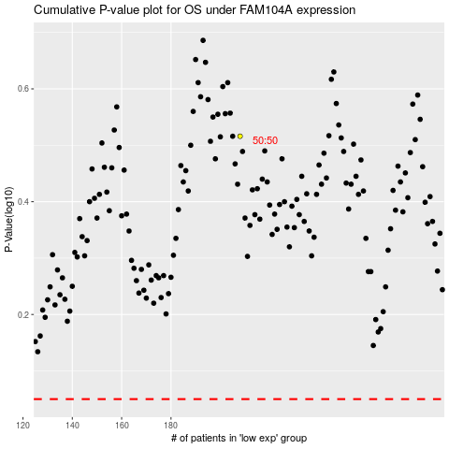

 |  |  |  |  |  | cases_OS | p_OS | rank | exp
 |  |  |  |  |  |  | cases_RFS | p_RFS | rank | exp

