FAM105B _multivariate
Reported by Tex Li-Hsing Chi. tex@gate.sinica.edu.tw 2019-08-20

Table 2. The clinicopathological features of HNSCC cohort and FAM105B expression. (Chi square test)
Cutoff at -0.253 (49.8%)
 |  | FAM105B expression |  | FAM105B expression |  | (Optimised)
 | Features | Low | (%) | High | (%) | Case no | P-value | Remark | Matthews
Gender | Female | 147 | 35.4 | 159 | 38.3 | 415 | 0.2523 | 0 | 0
2 | Male | 60 | 14.5 | 49 | 11.8
Age at diagnosis | <=65y | 120 | 28.9 | 154 | 37.1 | 415 | 8e-04 | 1 | 0
4 | >65y | 87 | 21 | 54 | 13
Clinical T Status | T1+T2 | 76 | 18.3 | 73 | 17.6 | 415 | 0.8092 | 0 | 0
6 | T3+T4 | 131 | 31.6 | 135 | 32.5
Clinical N Status | N0 | 115 | 27.7 | 101 | 24.3 | 415 | 0.184 | 1 | 0
8 | N1-3 | 92 | 22.2 | 107 | 25.8
Clinical M Status | M0 | 206 | 49.6 | 206 | 49.6 | 415 | 1 | 0 | 0
10 | M1 | 1 | 0.2 | 2 | 0.5
Clinical Stage | Stage I+II | 53 | 12.8 | 49 | 11.8 | 415 | 0.7113 | 0 | 0
12 | Stage III+IV | 154 | 37.1 | 159 | 38.3
Surgical Margin status | Negative | 159 | 38.3 | 159 | 38.3 | 415 | 1 | 0 | 0
14 | Positive | 48 | 11.6 | 49 | 11.8
Tobacco Exposure | Low | 91 | 21.9 | 70 | 16.9 | 415 | 0.0346 | 1 | 0
16 | High | 116 | 28 | 138 | 33.3

Table 3. Univariate/Multivariate Cox's proportional hazards regression analyses on OS time of FAM105B gene expression in HNSCC

 |  | Univariate |  |  |  | Multivariate
 | Features | HR | CI95%(L) | CI95%(H) | P-value | HR | CI95%(L) | CI95%(H) | P-value
1 | Female | 1 |  |  |  | 1
Gender | Male | 1.157 | 0.843 | 1.587 | 0.367 | 1.189 | 0.85 | 1.663 | 0.313
11 | <=65y | 1 |  |  |  | 1
Age at diagnosis | >65y | 1.329 | 0.99 | 1.784 | 0.058 | 1.358 | 0.997 | 1.852 | 0.053
12 | T1+T2 | 1 |  |  |  | 1
Clinical T Status | T3+T4 | 1.409 | 1.028 | 1.931 | 0.033 | 2.235 | 1.182 | 4.228 | 0.013
13 | N0 | 1 |  |  |  | 1
Clinical N Status | N1-3 | 1.185 | 0.89 | 1.577 | 0.246 | 1.261 | 0.883 | 1.801 | 0.202
14 | M0 | 1 |  |  |  | 1
Clinical M Status | M1 | 4.097 | 1.009 | 16.644 | 0.049 | 9.9 | 2.154 | 45.499 | 0.003
15 | Stage I+II | 1 |  |  |  | 1
Clinical Stage | Stage III+IV | 1.245 | 0.882 | 1.759 | 0.213 | 0.496 | 0.231 | 1.065 | 0.072
16 | Negative | 1 |  |  |  | 1
Surgical Margin status | Positive | 1.591 | 1.155 | 2.191 | 0.004 | 1.678 | 1.214 | 2.318 | 0.002
17 | Low | 1 |  |  |  | 1
Tobacco Exposure | High | 1.364 | 1.008 | 1.844 | 0.044 | 1.464 | 1.062 | 2.018 | 0.02
18 | Low | 1 |  |  |  | 1
RNAseq(z-score) | High | 0.853 | 0.64 | 1.138 | 0.28 | 0.839 | 0.624 | 1.127 | 0.244

Table 4. Univariate/Multivariate Cox's proportional hazards regression analyses on RFS time of FAM105B gene expression in HNSCC

 |  | Univariate |  |  |  | Multivariate
 | Features | HR | CI95%(L) | CI95%(H) | P-value | HR | CI95%(L) | CI95%(H) | P-value
1 | Female | 1 |  |  |  | 1
Gender | Male | 1.157 | 0.843 | 1.587 | 0.367 | 1.189 | 0.85 | 1.663 | 0.313
11 | <=65y | 1 |  |  |  | 1
Age at diagnosis | >65y | 1.329 | 0.99 | 1.784 | 0.058 | 1.358 | 0.997 | 1.852 | 0.053
12 | T1+T2 | 1 |  |  |  | 1
Clinical T Status | T3+T4 | 1.409 | 1.028 | 1.931 | 0.033 | 2.235 | 1.182 | 4.228 | 0.013
13 | N0 | 1 |  |  |  | 1
Clinical N Status | N1-3 | 1.185 | 0.89 | 1.577 | 0.246 | 1.261 | 0.883 | 1.801 | 0.202
14 | M0 | 1 |  |  |  | 1
Clinical M Status | M1 | 4.097 | 1.009 | 16.644 | 0.049 | 9.9 | 2.154 | 45.499 | 0.003
15 | Stage I+II | 1 |  |  |  | 1
Clinical Stage | Stage III+IV | 1.245 | 0.882 | 1.759 | 0.213 | 0.496 | 0.231 | 1.065 | 0.072
16 | Negative | 1 |  |  |  | 1
Surgical Margin status | Positive | 1.591 | 1.155 | 2.191 | 0.004 | 1.678 | 1.214 | 2.318 | 0.002
17 | Low | 1 |  |  |  | 1
Tobacco Exposure | High | 1.364 | 1.008 | 1.844 | 0.044 | 1.464 | 1.062 | 2.018 | 0.02
18 | Low | 1 |  |  |  | 1
RNAseq(z-score) | High | 0.853 | 0.64 | 1.138 | 0.28 | 0.839 | 0.624 | 1.127 | 0.244

Kaplan-Meier survival estimate: Cutoff at -0.253 (49.8%)



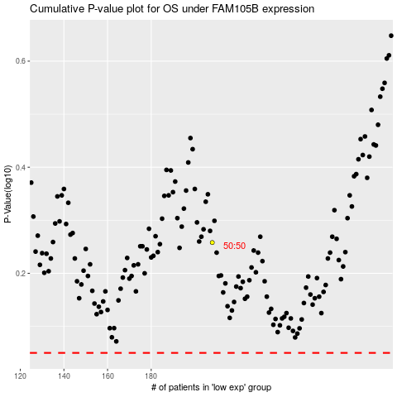

 |  |  |  |  |  | cases_OS | p_OS | rank | exp
 |  |  |  |  |  |  | cases_RFS | p_RFS | rank | exp

