FAM107B _multivariate
Reported by Tex Li-Hsing Chi. tex@gate.sinica.edu.tw 2019-08-20

Table 2. The clinicopathological features of HNSCC cohort and FAM107B expression. (Chi square test)
Cutoff at -0.323 (50.0%)
 |  | FAM107B expression |  | FAM107B expression |  | (Optimised)
 | Features | Low | (%) | High | (%) | Case no | P-value | Remark | Matthews
Gender | Female | 154 | 37.1 | 152 | 36.6 | 415 | 0.8463 | 0 | 0
2 | Male | 53 | 12.8 | 56 | 13.5
Age at diagnosis | <=65y | 137 | 33 | 137 | 33 | 415 | 1 | 0 | 0
4 | >65y | 70 | 16.9 | 71 | 17.1
Clinical T Status | T1+T2 | 69 | 16.6 | 80 | 19.3 | 415 | 0.3239 | 0 | 0
6 | T3+T4 | 138 | 33.3 | 128 | 30.8
Clinical N Status | N0 | 114 | 27.5 | 102 | 24.6 | 415 | 0.2576 | 1 | 0
8 | N1-3 | 93 | 22.4 | 106 | 25.5
Clinical M Status | M0 | 204 | 49.2 | 208 | 50.1 | 415 | 0.1232 | 0 | 0
10 | M1 | 3 | 0.7 | 0 | 0
Clinical Stage | Stage I+II | 51 | 12.3 | 51 | 12.3 | 415 | 1 | 0 | 0
12 | Stage III+IV | 156 | 37.6 | 157 | 37.8
Surgical Margin status | Negative | 155 | 37.3 | 163 | 39.3 | 415 | 0.4187 | 0 | 0
14 | Positive | 52 | 12.5 | 45 | 10.8
Tobacco Exposure | Low | 75 | 18.1 | 86 | 20.7 | 415 | 0.3141 | 0 | 0
16 | High | 132 | 31.8 | 122 | 29.4

Table 3. Univariate/Multivariate Cox's proportional hazards regression analyses on OS time of FAM107B gene expression in HNSCC

 |  | Univariate |  |  |  | Multivariate
 | Features | HR | CI95%(L) | CI95%(H) | P-value | HR | CI95%(L) | CI95%(H) | P-value
1 | Female | 1 |  |  |  | 1
Gender | Male | 1.157 | 0.843 | 1.587 | 0.367 | 1.197 | 0.856 | 1.673 | 0.293
11 | <=65y | 1 |  |  |  | 1
Age at diagnosis | >65y | 1.329 | 0.99 | 1.784 | 0.058 | 1.383 | 1.017 | 1.88 | 0.038
12 | T1+T2 | 1 |  |  |  | 1
Clinical T Status | T3+T4 | 1.409 | 1.028 | 1.931 | 0.033 | 2.157 | 1.139 | 4.084 | 0.018
13 | N0 | 1 |  |  |  | 1
Clinical N Status | N1-3 | 1.185 | 0.89 | 1.577 | 0.246 | 1.244 | 0.872 | 1.775 | 0.229
14 | M0 | 1 |  |  |  | 1
Clinical M Status | M1 | 4.097 | 1.009 | 16.644 | 0.049 | 8.626 | 1.862 | 39.959 | 0.006
15 | Stage I+II | 1 |  |  |  | 1
Clinical Stage | Stage III+IV | 1.245 | 0.882 | 1.759 | 0.213 | 0.509 | 0.237 | 1.092 | 0.083
16 | Negative | 1 |  |  |  | 1
Surgical Margin status | Positive | 1.591 | 1.155 | 2.191 | 0.004 | 1.659 | 1.2 | 2.293 | 0.002
17 | Low | 1 |  |  |  | 1
Tobacco Exposure | High | 1.364 | 1.008 | 1.844 | 0.044 | 1.447 | 1.049 | 1.996 | 0.024
18 | Low | 1 |  |  |  | 1
RNAseq(z-score) | High | 0.797 | 0.598 | 1.062 | 0.121 | 0.872 | 0.652 | 1.167 | 0.357

Table 4. Univariate/Multivariate Cox's proportional hazards regression analyses on RFS time of FAM107B gene expression in HNSCC

 |  | Univariate |  |  |  | Multivariate
 | Features | HR | CI95%(L) | CI95%(H) | P-value | HR | CI95%(L) | CI95%(H) | P-value
1 | Female | 1 |  |  |  | 1
Gender | Male | 1.157 | 0.843 | 1.587 | 0.367 | 1.197 | 0.856 | 1.673 | 0.293
11 | <=65y | 1 |  |  |  | 1
Age at diagnosis | >65y | 1.329 | 0.99 | 1.784 | 0.058 | 1.383 | 1.017 | 1.88 | 0.038
12 | T1+T2 | 1 |  |  |  | 1
Clinical T Status | T3+T4 | 1.409 | 1.028 | 1.931 | 0.033 | 2.157 | 1.139 | 4.084 | 0.018
13 | N0 | 1 |  |  |  | 1
Clinical N Status | N1-3 | 1.185 | 0.89 | 1.577 | 0.246 | 1.244 | 0.872 | 1.775 | 0.229
14 | M0 | 1 |  |  |  | 1
Clinical M Status | M1 | 4.097 | 1.009 | 16.644 | 0.049 | 8.626 | 1.862 | 39.959 | 0.006
15 | Stage I+II | 1 |  |  |  | 1
Clinical Stage | Stage III+IV | 1.245 | 0.882 | 1.759 | 0.213 | 0.509 | 0.237 | 1.092 | 0.083
16 | Negative | 1 |  |  |  | 1
Surgical Margin status | Positive | 1.591 | 1.155 | 2.191 | 0.004 | 1.659 | 1.2 | 2.293 | 0.002
17 | Low | 1 |  |  |  | 1
Tobacco Exposure | High | 1.364 | 1.008 | 1.844 | 0.044 | 1.447 | 1.049 | 1.996 | 0.024
18 | Low | 1 |  |  |  | 1
RNAseq(z-score) | High | 0.797 | 0.598 | 1.062 | 0.121 | 0.872 | 0.652 | 1.167 | 0.357

Kaplan-Meier survival estimate: Cutoff at -0.323 (50.0%)



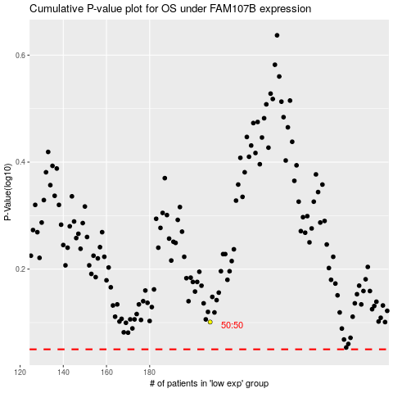

 |  |  |  |  |  | cases_OS | p_OS | rank | exp
 |  |  |  |  |  |  | cases_RFS | p_RFS | rank | exp

