FAM110A _multivariate
Reported by Tex Li-Hsing Chi. tex@gate.sinica.edu.tw 2019-08-20

Table 2. The clinicopathological features of HNSCC cohort and FAM110A expression. (Chi square test)
Cutoff at -0.183 (49.8%)
 |  | FAM110A expression |  | FAM110A expression |  | (Optimised)
 | Features | Low | (%) | High | (%) | Case no | P-value | Remark | Matthews
Gender | Female | 153 | 36.9 | 153 | 36.9 | 415 | 1 | 0 | 0
2 | Male | 54 | 13 | 55 | 13.3
Age at diagnosis | <=65y | 130 | 31.3 | 144 | 34.7 | 415 | 0.2009 | 0 | 0
4 | >65y | 77 | 18.6 | 64 | 15.4
Clinical T Status | T1+T2 | 74 | 17.8 | 75 | 18.1 | 415 | 1 | 0 | 0
6 | T3+T4 | 133 | 32 | 133 | 32
Clinical N Status | N0 | 105 | 25.3 | 111 | 26.7 | 415 | 0.6598 | 0 | 0
8 | N1-3 | 102 | 24.6 | 97 | 23.4
Clinical M Status | M0 | 207 | 49.9 | 205 | 49.4 | 415 | 0.2482 | 0 | 0
10 | M1 | 0 | 0 | 3 | 0.7
Clinical Stage | Stage I+II | 50 | 12 | 52 | 12.5 | 415 | 0.9315 | 0 | 0
12 | Stage III+IV | 157 | 37.8 | 156 | 37.6
Surgical Margin status | Negative | 159 | 38.3 | 159 | 38.3 | 415 | 1 | 0 | 0
14 | Positive | 48 | 11.6 | 49 | 11.8
Tobacco Exposure | Low | 74 | 17.8 | 87 | 21 | 415 | 0.227 | 0 | 0
16 | High | 133 | 32 | 121 | 29.2

Table 3. Univariate/Multivariate Cox's proportional hazards regression analyses on OS time of FAM110A gene expression in HNSCC

 |  | Univariate |  |  |  | Multivariate
 | Features | HR | CI95%(L) | CI95%(H) | P-value | HR | CI95%(L) | CI95%(H) | P-value
1 | Female | 1 |  |  |  | 1
Gender | Male | 1.157 | 0.843 | 1.587 | 0.367 | 1.208 | 0.863 | 1.69 | 0.27
11 | <=65y | 1 |  |  |  | 1
Age at diagnosis | >65y | 1.329 | 0.99 | 1.784 | 0.058 | 1.39 | 1.022 | 1.89 | 0.036
12 | T1+T2 | 1 |  |  |  | 1
Clinical T Status | T3+T4 | 1.409 | 1.028 | 1.931 | 0.033 | 2.196 | 1.161 | 4.153 | 0.016
13 | N0 | 1 |  |  |  | 1
Clinical N Status | N1-3 | 1.185 | 0.89 | 1.577 | 0.246 | 1.238 | 0.867 | 1.767 | 0.239
14 | M0 | 1 |  |  |  | 1
Clinical M Status | M1 | 4.097 | 1.009 | 16.644 | 0.049 | 9.624 | 2.084 | 44.44 | 0.004
15 | Stage I+II | 1 |  |  |  | 1
Clinical Stage | Stage III+IV | 1.245 | 0.882 | 1.759 | 0.213 | 0.505 | 0.235 | 1.085 | 0.08
16 | Negative | 1 |  |  |  | 1
Surgical Margin status | Positive | 1.591 | 1.155 | 2.191 | 0.004 | 1.673 | 1.21 | 2.311 | 0.002
17 | Low | 1 |  |  |  | 1
Tobacco Exposure | High | 1.364 | 1.008 | 1.844 | 0.044 | 1.452 | 1.054 | 2 | 0.023
18 | Low | 1 |  |  |  | 1
RNAseq(z-score) | High | 0.976 | 0.732 | 1.3 | 0.867 | 0.956 | 0.714 | 1.28 | 0.764

Table 4. Univariate/Multivariate Cox's proportional hazards regression analyses on RFS time of FAM110A gene expression in HNSCC

 |  | Univariate |  |  |  | Multivariate
 | Features | HR | CI95%(L) | CI95%(H) | P-value | HR | CI95%(L) | CI95%(H) | P-value
1 | Female | 1 |  |  |  | 1
Gender | Male | 1.157 | 0.843 | 1.587 | 0.367 | 1.208 | 0.863 | 1.69 | 0.27
11 | <=65y | 1 |  |  |  | 1
Age at diagnosis | >65y | 1.329 | 0.99 | 1.784 | 0.058 | 1.39 | 1.022 | 1.89 | 0.036
12 | T1+T2 | 1 |  |  |  | 1
Clinical T Status | T3+T4 | 1.409 | 1.028 | 1.931 | 0.033 | 2.196 | 1.161 | 4.153 | 0.016
13 | N0 | 1 |  |  |  | 1
Clinical N Status | N1-3 | 1.185 | 0.89 | 1.577 | 0.246 | 1.238 | 0.867 | 1.767 | 0.239
14 | M0 | 1 |  |  |  | 1
Clinical M Status | M1 | 4.097 | 1.009 | 16.644 | 0.049 | 9.624 | 2.084 | 44.44 | 0.004
15 | Stage I+II | 1 |  |  |  | 1
Clinical Stage | Stage III+IV | 1.245 | 0.882 | 1.759 | 0.213 | 0.505 | 0.235 | 1.085 | 0.08
16 | Negative | 1 |  |  |  | 1
Surgical Margin status | Positive | 1.591 | 1.155 | 2.191 | 0.004 | 1.673 | 1.21 | 2.311 | 0.002
17 | Low | 1 |  |  |  | 1
Tobacco Exposure | High | 1.364 | 1.008 | 1.844 | 0.044 | 1.452 | 1.054 | 2 | 0.023
18 | Low | 1 |  |  |  | 1
RNAseq(z-score) | High | 0.976 | 0.732 | 1.3 | 0.867 | 0.956 | 0.714 | 1.28 | 0.764

Kaplan-Meier survival estimate: Cutoff at -0.183 (49.8%)



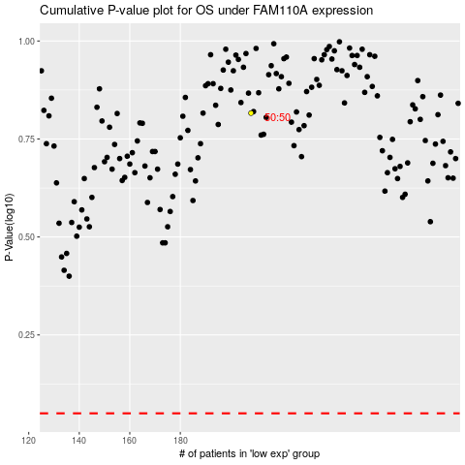

 |  |  |  |  |  | cases_OS | p_OS | rank | exp
 |  |  |  |  |  |  | cases_RFS | p_RFS | rank | exp

