FAM110C _multivariate
Reported by Tex Li-Hsing Chi. tex@gate.sinica.edu.tw 2019-08-20

Table 2. The clinicopathological features of HNSCC cohort and FAM110C expression. (Chi square test)
Cutoff at -0.171 (50.0%)
 |  | FAM110C expression |  | FAM110C expression |  | (Optimised)
 | Features | Low | (%) | High | (%) | Case no | P-value | Remark | Matthews
Gender | Female | 154 | 37.1 | 152 | 36.6 | 415 | 0.8463 | 0 | 0
2 | Male | 53 | 12.8 | 56 | 13.5
Age at diagnosis | <=65y | 151 | 36.4 | 123 | 29.6 | 415 | 0.0041 | 1 | 0
4 | >65y | 56 | 13.5 | 85 | 20.5
Clinical T Status | T1+T2 | 80 | 19.3 | 69 | 16.6 | 415 | 0.2891 | 0 | 0
6 | T3+T4 | 127 | 30.6 | 139 | 33.5
Clinical N Status | N0 | 101 | 24.3 | 115 | 27.7 | 415 | 0.2201 | 0 | 0
8 | N1-3 | 106 | 25.5 | 93 | 22.4
Clinical M Status | M0 | 207 | 49.9 | 205 | 49.4 | 415 | 0.2482 | 0 | 0
10 | M1 | 0 | 0 | 3 | 0.7
Clinical Stage | Stage I+II | 47 | 11.3 | 55 | 13.3 | 415 | 0.4413 | 0 | 0
12 | Stage III+IV | 160 | 38.6 | 153 | 36.9
Surgical Margin status | Negative | 155 | 37.3 | 163 | 39.3 | 415 | 0.4187 | 0 | 0
14 | Positive | 52 | 12.5 | 45 | 10.8
Tobacco Exposure | Low | 75 | 18.1 | 86 | 20.7 | 415 | 0.3141 | 0 | 0
16 | High | 132 | 31.8 | 122 | 29.4

Table 3. Univariate/Multivariate Cox's proportional hazards regression analyses on OS time of FAM110C gene expression in HNSCC

 |  | Univariate |  |  |  | Multivariate
 | Features | HR | CI95%(L) | CI95%(H) | P-value | HR | CI95%(L) | CI95%(H) | P-value
1 | Female | 1 |  |  |  | 1
Gender | Male | 1.157 | 0.843 | 1.587 | 0.367 | 1.202 | 0.861 | 1.68 | 0.28
11 | <=65y | 1 |  |  |  | 1
Age at diagnosis | >65y | 1.329 | 0.99 | 1.784 | 0.058 | 1.385 | 1.016 | 1.887 | 0.039
12 | T1+T2 | 1 |  |  |  | 1
Clinical T Status | T3+T4 | 1.409 | 1.028 | 1.931 | 0.033 | 2.18 | 1.147 | 4.142 | 0.017
13 | N0 | 1 |  |  |  | 1
Clinical N Status | N1-3 | 1.185 | 0.89 | 1.577 | 0.246 | 1.239 | 0.869 | 1.768 | 0.237
14 | M0 | 1 |  |  |  | 1
Clinical M Status | M1 | 4.097 | 1.009 | 16.644 | 0.049 | 9.146 | 1.965 | 42.578 | 0.005
15 | Stage I+II | 1 |  |  |  | 1
Clinical Stage | Stage III+IV | 1.245 | 0.882 | 1.759 | 0.213 | 0.511 | 0.237 | 1.103 | 0.087
16 | Negative | 1 |  |  |  | 1
Surgical Margin status | Positive | 1.591 | 1.155 | 2.191 | 0.004 | 1.675 | 1.212 | 2.315 | 0.002
17 | Low | 1 |  |  |  | 1
Tobacco Exposure | High | 1.364 | 1.008 | 1.844 | 0.044 | 1.456 | 1.056 | 2.007 | 0.022
18 | Low | 1 |  |  |  | 1
RNAseq(z-score) | High | 1.101 | 0.826 | 1.468 | 0.512 | 1.039 | 0.773 | 1.395 | 0.801

Table 4. Univariate/Multivariate Cox's proportional hazards regression analyses on RFS time of FAM110C gene expression in HNSCC

 |  | Univariate |  |  |  | Multivariate
 | Features | HR | CI95%(L) | CI95%(H) | P-value | HR | CI95%(L) | CI95%(H) | P-value
1 | Female | 1 |  |  |  | 1
Gender | Male | 1.157 | 0.843 | 1.587 | 0.367 | 1.202 | 0.861 | 1.68 | 0.28
11 | <=65y | 1 |  |  |  | 1
Age at diagnosis | >65y | 1.329 | 0.99 | 1.784 | 0.058 | 1.385 | 1.016 | 1.887 | 0.039
12 | T1+T2 | 1 |  |  |  | 1
Clinical T Status | T3+T4 | 1.409 | 1.028 | 1.931 | 0.033 | 2.18 | 1.147 | 4.142 | 0.017
13 | N0 | 1 |  |  |  | 1
Clinical N Status | N1-3 | 1.185 | 0.89 | 1.577 | 0.246 | 1.239 | 0.869 | 1.768 | 0.237
14 | M0 | 1 |  |  |  | 1
Clinical M Status | M1 | 4.097 | 1.009 | 16.644 | 0.049 | 9.146 | 1.965 | 42.578 | 0.005
15 | Stage I+II | 1 |  |  |  | 1
Clinical Stage | Stage III+IV | 1.245 | 0.882 | 1.759 | 0.213 | 0.511 | 0.237 | 1.103 | 0.087
16 | Negative | 1 |  |  |  | 1
Surgical Margin status | Positive | 1.591 | 1.155 | 2.191 | 0.004 | 1.675 | 1.212 | 2.315 | 0.002
17 | Low | 1 |  |  |  | 1
Tobacco Exposure | High | 1.364 | 1.008 | 1.844 | 0.044 | 1.456 | 1.056 | 2.007 | 0.022
18 | Low | 1 |  |  |  | 1
RNAseq(z-score) | High | 1.101 | 0.826 | 1.468 | 0.512 | 1.039 | 0.773 | 1.395 | 0.801

Kaplan-Meier survival estimate: Cutoff at -0.171 (50.0%)



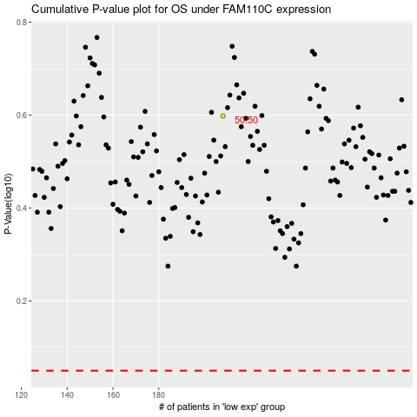

 |  |  |  |  |  | cases_OS | p_OS | rank | exp
 |  |  |  |  |  |  | cases_RFS | p_RFS | rank | exp

