FAM113B _multivariate
Reported by Tex Li-Hsing Chi. tex@gate.sinica.edu.tw 2019-08-20

Table 2. The clinicopathological features of HNSCC cohort and FAM113B expression. (Chi square test)
Cutoff at -0.064 (49.8%)
 |  | FAM113B expression |  | FAM113B expression |  | (Optimised)
 | Features | Low | (%) | High | (%) | Case no | P-value | Remark | Matthews
Gender | Female | 158 | 38.1 | 148 | 35.7 | 415 | 0.2774 | 0 | 0
2 | Male | 49 | 11.8 | 60 | 14.5
Age at diagnosis | <=65y | 148 | 35.7 | 126 | 30.4 | 415 | 0.0248 | 1 | 0
4 | >65y | 59 | 14.2 | 82 | 19.8
Clinical T Status | T1+T2 | 66 | 15.9 | 83 | 20 | 415 | 0.1095 | 0 | 0
6 | T3+T4 | 141 | 34 | 125 | 30.1
Clinical N Status | N0 | 114 | 27.5 | 102 | 24.6 | 415 | 0.2576 | 1 | 0
8 | N1-3 | 93 | 22.4 | 106 | 25.5
Clinical M Status | M0 | 206 | 49.6 | 206 | 49.6 | 415 | 1 | 0 | 0
10 | M1 | 1 | 0.2 | 2 | 0.5
Clinical Stage | Stage I+II | 44 | 10.6 | 58 | 14 | 415 | 0.1459 | 0 | 0
12 | Stage III+IV | 163 | 39.3 | 150 | 36.1
Surgical Margin status | Negative | 156 | 37.6 | 162 | 39 | 415 | 0.5636 | 0 | 0
14 | Positive | 51 | 12.3 | 46 | 11.1
Tobacco Exposure | Low | 68 | 16.4 | 93 | 22.4 | 415 | 0.0156 | 1 | 0
16 | High | 139 | 33.5 | 115 | 27.7

Table 3. Univariate/Multivariate Cox's proportional hazards regression analyses on OS time of FAM113B gene expression in HNSCC

 |  | Univariate |  |  |  | Multivariate
 | Features | HR | CI95%(L) | CI95%(H) | P-value | HR | CI95%(L) | CI95%(H) | P-value
1 | Female | 1 |  |  |  | 1
Gender | Male | 1.157 | 0.843 | 1.587 | 0.367 | 1.2 | 0.859 | 1.676 | 0.286
11 | <=65y | 1 |  |  |  | 1
Age at diagnosis | >65y | 1.329 | 0.99 | 1.784 | 0.058 | 1.399 | 1.028 | 1.903 | 0.033
12 | T1+T2 | 1 |  |  |  | 1
Clinical T Status | T3+T4 | 1.409 | 1.028 | 1.931 | 0.033 | 2.201 | 1.164 | 4.162 | 0.015
13 | N0 | 1 |  |  |  | 1
Clinical N Status | N1-3 | 1.185 | 0.89 | 1.577 | 0.246 | 1.255 | 0.875 | 1.8 | 0.217
14 | M0 | 1 |  |  |  | 1
Clinical M Status | M1 | 4.097 | 1.009 | 16.644 | 0.049 | 9.438 | 2.059 | 43.267 | 0.004
15 | Stage I+II | 1 |  |  |  | 1
Clinical Stage | Stage III+IV | 1.245 | 0.882 | 1.759 | 0.213 | 0.499 | 0.232 | 1.073 | 0.075
16 | Negative | 1 |  |  |  | 1
Surgical Margin status | Positive | 1.591 | 1.155 | 2.191 | 0.004 | 1.672 | 1.21 | 2.311 | 0.002
17 | Low | 1 |  |  |  | 1
Tobacco Exposure | High | 1.364 | 1.008 | 1.844 | 0.044 | 1.443 | 1.045 | 1.992 | 0.026
18 | Low | 1 |  |  |  | 1
RNAseq(z-score) | High | 0.944 | 0.707 | 1.261 | 0.697 | 0.945 | 0.701 | 1.272 | 0.707

Table 4. Univariate/Multivariate Cox's proportional hazards regression analyses on RFS time of FAM113B gene expression in HNSCC

 |  | Univariate |  |  |  | Multivariate
 | Features | HR | CI95%(L) | CI95%(H) | P-value | HR | CI95%(L) | CI95%(H) | P-value
1 | Female | 1 |  |  |  | 1
Gender | Male | 1.157 | 0.843 | 1.587 | 0.367 | 1.2 | 0.859 | 1.676 | 0.286
11 | <=65y | 1 |  |  |  | 1
Age at diagnosis | >65y | 1.329 | 0.99 | 1.784 | 0.058 | 1.399 | 1.028 | 1.903 | 0.033
12 | T1+T2 | 1 |  |  |  | 1
Clinical T Status | T3+T4 | 1.409 | 1.028 | 1.931 | 0.033 | 2.201 | 1.164 | 4.162 | 0.015
13 | N0 | 1 |  |  |  | 1
Clinical N Status | N1-3 | 1.185 | 0.89 | 1.577 | 0.246 | 1.255 | 0.875 | 1.8 | 0.217
14 | M0 | 1 |  |  |  | 1
Clinical M Status | M1 | 4.097 | 1.009 | 16.644 | 0.049 | 9.438 | 2.059 | 43.267 | 0.004
15 | Stage I+II | 1 |  |  |  | 1
Clinical Stage | Stage III+IV | 1.245 | 0.882 | 1.759 | 0.213 | 0.499 | 0.232 | 1.073 | 0.075
16 | Negative | 1 |  |  |  | 1
Surgical Margin status | Positive | 1.591 | 1.155 | 2.191 | 0.004 | 1.672 | 1.21 | 2.311 | 0.002
17 | Low | 1 |  |  |  | 1
Tobacco Exposure | High | 1.364 | 1.008 | 1.844 | 0.044 | 1.443 | 1.045 | 1.992 | 0.026
18 | Low | 1 |  |  |  | 1
RNAseq(z-score) | High | 0.944 | 0.707 | 1.261 | 0.697 | 0.945 | 0.701 | 1.272 | 0.707

Kaplan-Meier survival estimate: Cutoff at -0.064 (49.8%)



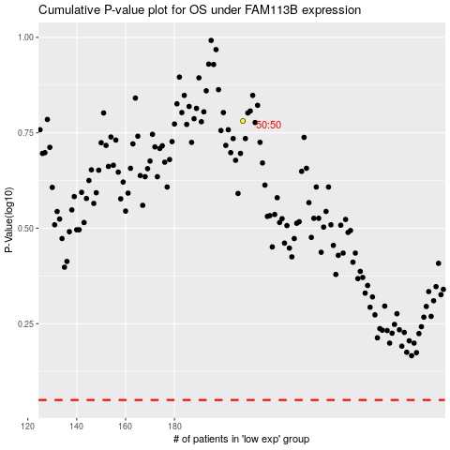

 |  |  |  |  |  | cases_OS | p_OS | rank | exp
 |  |  |  |  |  |  | cases_RFS | p_RFS | rank | exp

