FAM114A2 _multivariate
Reported by Tex Li-Hsing Chi. tex@gate.sinica.edu.tw 2019-08-20

Table 2. The clinicopathological features of HNSCC cohort and FAM114A2 expression. (Chi square test)
Cutoff at -0.194 (50.0%)
 |  | FAM114A2 expression |  | FAM114A2 expression |  | (Optimised)
 | Features | Low | (%) | High | (%) | Case no | P-value | Remark | Matthews
Gender | Female | 167 | 40.2 | 139 | 33.5 | 415 | 0.002 | 1 | 0
2 | Male | 40 | 9.6 | 69 | 16.6
Age at diagnosis | <=65y | 142 | 34.2 | 132 | 31.8 | 415 | 0.3167 | 0 | 0
4 | >65y | 65 | 15.7 | 76 | 18.3
Clinical T Status | T1+T2 | 59 | 14.2 | 90 | 21.7 | 415 | 0.0024 | 1 | 0
6 | T3+T4 | 148 | 35.7 | 118 | 28.4
Clinical N Status | N0 | 99 | 23.9 | 117 | 28.2 | 415 | 0.1054 | 0 | 0
8 | N1-3 | 108 | 26 | 91 | 21.9
Clinical M Status | M0 | 206 | 49.6 | 206 | 49.6 | 415 | 1 | 0 | 0
10 | M1 | 1 | 0.2 | 2 | 0.5
Clinical Stage | Stage I+II | 37 | 8.9 | 65 | 15.7 | 415 | 0.0023 | 1 | 0
12 | Stage III+IV | 170 | 41 | 143 | 34.5
Surgical Margin status | Negative | 162 | 39 | 156 | 37.6 | 415 | 0.4867 | 0 | 0
14 | Positive | 45 | 10.8 | 52 | 12.5
Tobacco Exposure | Low | 66 | 15.9 | 95 | 22.9 | 415 | 0.0048 | 1 | 0
16 | High | 141 | 34 | 113 | 27.2

Table 3. Univariate/Multivariate Cox's proportional hazards regression analyses on OS time of FAM114A2 gene expression in HNSCC

 |  | Univariate |  |  |  | Multivariate
 | Features | HR | CI95%(L) | CI95%(H) | P-value | HR | CI95%(L) | CI95%(H) | P-value
1 | Female | 1 |  |  |  | 1
Gender | Male | 1.157 | 0.843 | 1.587 | 0.367 | 1.154 | 0.822 | 1.619 | 0.408
11 | <=65y | 1 |  |  |  | 1
Age at diagnosis | >65y | 1.329 | 0.99 | 1.784 | 0.058 | 1.398 | 1.028 | 1.9 | 0.033
12 | T1+T2 | 1 |  |  |  | 1
Clinical T Status | T3+T4 | 1.409 | 1.028 | 1.931 | 0.033 | 2.271 | 1.2 | 4.301 | 0.012
13 | N0 | 1 |  |  |  | 1
Clinical N Status | N1-3 | 1.185 | 0.89 | 1.577 | 0.246 | 1.264 | 0.885 | 1.804 | 0.197
14 | M0 | 1 |  |  |  | 1
Clinical M Status | M1 | 4.097 | 1.009 | 16.644 | 0.049 | 9.179 | 2.002 | 42.092 | 0.004
15 | Stage I+II | 1 |  |  |  | 1
Clinical Stage | Stage III+IV | 1.245 | 0.882 | 1.759 | 0.213 | 0.517 | 0.241 | 1.111 | 0.091
16 | Negative | 1 |  |  |  | 1
Surgical Margin status | Positive | 1.591 | 1.155 | 2.191 | 0.004 | 1.632 | 1.179 | 2.258 | 0.003
17 | Low | 1 |  |  |  | 1
Tobacco Exposure | High | 1.364 | 1.008 | 1.844 | 0.044 | 1.489 | 1.079 | 2.055 | 0.015
18 | Low | 1 |  |  |  | 1
RNAseq(z-score) | High | 1.129 | 0.848 | 1.503 | 0.407 | 1.238 | 0.908 | 1.689 | 0.177

Table 4. Univariate/Multivariate Cox's proportional hazards regression analyses on RFS time of FAM114A2 gene expression in HNSCC

 |  | Univariate |  |  |  | Multivariate
 | Features | HR | CI95%(L) | CI95%(H) | P-value | HR | CI95%(L) | CI95%(H) | P-value
1 | Female | 1 |  |  |  | 1
Gender | Male | 1.157 | 0.843 | 1.587 | 0.367 | 1.154 | 0.822 | 1.619 | 0.408
11 | <=65y | 1 |  |  |  | 1
Age at diagnosis | >65y | 1.329 | 0.99 | 1.784 | 0.058 | 1.398 | 1.028 | 1.9 | 0.033
12 | T1+T2 | 1 |  |  |  | 1
Clinical T Status | T3+T4 | 1.409 | 1.028 | 1.931 | 0.033 | 2.271 | 1.2 | 4.301 | 0.012
13 | N0 | 1 |  |  |  | 1
Clinical N Status | N1-3 | 1.185 | 0.89 | 1.577 | 0.246 | 1.264 | 0.885 | 1.804 | 0.197
14 | M0 | 1 |  |  |  | 1
Clinical M Status | M1 | 4.097 | 1.009 | 16.644 | 0.049 | 9.179 | 2.002 | 42.092 | 0.004
15 | Stage I+II | 1 |  |  |  | 1
Clinical Stage | Stage III+IV | 1.245 | 0.882 | 1.759 | 0.213 | 0.517 | 0.241 | 1.111 | 0.091
16 | Negative | 1 |  |  |  | 1
Surgical Margin status | Positive | 1.591 | 1.155 | 2.191 | 0.004 | 1.632 | 1.179 | 2.258 | 0.003
17 | Low | 1 |  |  |  | 1
Tobacco Exposure | High | 1.364 | 1.008 | 1.844 | 0.044 | 1.489 | 1.079 | 2.055 | 0.015
18 | Low | 1 |  |  |  | 1
RNAseq(z-score) | High | 1.129 | 0.848 | 1.503 | 0.407 | 1.238 | 0.908 | 1.689 | 0.177

Kaplan-Meier survival estimate: Cutoff at -0.194 (50.0%)



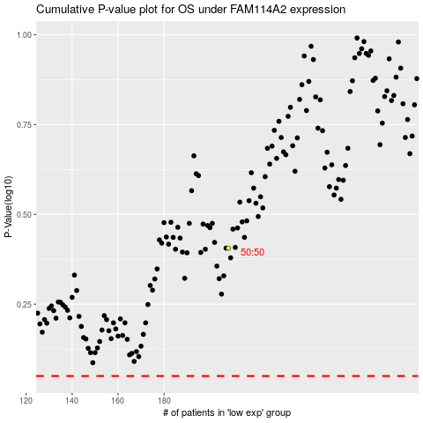

 |  |  |  |  |  | cases_OS | p_OS | rank | exp
 |  |  |  |  |  |  | cases_RFS | p_RFS | rank | exp

