FAM115A _multivariate
Reported by Tex Li-Hsing Chi. tex@gate.sinica.edu.tw 2019-08-20

Table 2. The clinicopathological features of HNSCC cohort and FAM115A expression. (Chi square test)
Cutoff at -0.102 (49.8%)
 |  | FAM115A expression |  | FAM115A expression |  | (Optimised)
 | Features | Low | (%) | High | (%) | Case no | P-value | Remark | Matthews
Gender | Female | 160 | 38.6 | 146 | 35.2 | 415 | 0.1254 | 0 | 0
2 | Male | 47 | 11.3 | 62 | 14.9
Age at diagnosis | <=65y | 137 | 33 | 137 | 33 | 415 | 1 | 0 | 0
4 | >65y | 70 | 16.9 | 71 | 17.1
Clinical T Status | T1+T2 | 72 | 17.3 | 77 | 18.6 | 415 | 0.7095 | 0 | 0
6 | T3+T4 | 135 | 32.5 | 131 | 31.6
Clinical N Status | N0 | 111 | 26.7 | 105 | 25.3 | 415 | 0.5875 | 0 | 0
8 | N1-3 | 96 | 23.1 | 103 | 24.8
Clinical M Status | M0 | 206 | 49.6 | 206 | 49.6 | 415 | 1 | 0 | 0
10 | M1 | 1 | 0.2 | 2 | 0.5
Clinical Stage | Stage I+II | 50 | 12 | 52 | 12.5 | 415 | 0.9315 | 0 | 0
12 | Stage III+IV | 157 | 37.8 | 156 | 37.6
Surgical Margin status | Negative | 151 | 36.4 | 167 | 40.2 | 415 | 0.0828 | 0 | 0
14 | Positive | 56 | 13.5 | 41 | 9.9
Tobacco Exposure | Low | 79 | 19 | 82 | 19.8 | 415 | 0.8405 | 0 | 0
16 | High | 128 | 30.8 | 126 | 30.4

Table 3. Univariate/Multivariate Cox's proportional hazards regression analyses on OS time of FAM115A gene expression in HNSCC

 |  | Univariate |  |  |  | Multivariate
 | Features | HR | CI95%(L) | CI95%(H) | P-value | HR | CI95%(L) | CI95%(H) | P-value
1 | Female | 1 |  |  |  | 1
Gender | Male | 1.157 | 0.843 | 1.587 | 0.367 | 1.205 | 0.862 | 1.684 | 0.274
11 | <=65y | 1 |  |  |  | 1
Age at diagnosis | >65y | 1.329 | 0.99 | 1.784 | 0.058 | 1.385 | 1.018 | 1.884 | 0.038
12 | T1+T2 | 1 |  |  |  | 1
Clinical T Status | T3+T4 | 1.409 | 1.028 | 1.931 | 0.033 | 2.222 | 1.176 | 4.201 | 0.014
13 | N0 | 1 |  |  |  | 1
Clinical N Status | N1-3 | 1.185 | 0.89 | 1.577 | 0.246 | 1.242 | 0.87 | 1.773 | 0.232
14 | M0 | 1 |  |  |  | 1
Clinical M Status | M1 | 4.097 | 1.009 | 16.644 | 0.049 | 9.345 | 2.039 | 42.835 | 0.004
15 | Stage I+II | 1 |  |  |  | 1
Clinical Stage | Stage III+IV | 1.245 | 0.882 | 1.759 | 0.213 | 0.506 | 0.235 | 1.086 | 0.081
16 | Negative | 1 |  |  |  | 1
Surgical Margin status | Positive | 1.591 | 1.155 | 2.191 | 0.004 | 1.707 | 1.232 | 2.364 | 0.001
17 | Low | 1 |  |  |  | 1
Tobacco Exposure | High | 1.364 | 1.008 | 1.844 | 0.044 | 1.48 | 1.072 | 2.043 | 0.017
18 | Low | 1 |  |  |  | 1
RNAseq(z-score) | High | 1.083 | 0.812 | 1.443 | 0.589 | 1.173 | 0.875 | 1.573 | 0.285

Table 4. Univariate/Multivariate Cox's proportional hazards regression analyses on RFS time of FAM115A gene expression in HNSCC

 |  | Univariate |  |  |  | Multivariate
 | Features | HR | CI95%(L) | CI95%(H) | P-value | HR | CI95%(L) | CI95%(H) | P-value
1 | Female | 1 |  |  |  | 1
Gender | Male | 1.157 | 0.843 | 1.587 | 0.367 | 1.205 | 0.862 | 1.684 | 0.274
11 | <=65y | 1 |  |  |  | 1
Age at diagnosis | >65y | 1.329 | 0.99 | 1.784 | 0.058 | 1.385 | 1.018 | 1.884 | 0.038
12 | T1+T2 | 1 |  |  |  | 1
Clinical T Status | T3+T4 | 1.409 | 1.028 | 1.931 | 0.033 | 2.222 | 1.176 | 4.201 | 0.014
13 | N0 | 1 |  |  |  | 1
Clinical N Status | N1-3 | 1.185 | 0.89 | 1.577 | 0.246 | 1.242 | 0.87 | 1.773 | 0.232
14 | M0 | 1 |  |  |  | 1
Clinical M Status | M1 | 4.097 | 1.009 | 16.644 | 0.049 | 9.345 | 2.039 | 42.835 | 0.004
15 | Stage I+II | 1 |  |  |  | 1
Clinical Stage | Stage III+IV | 1.245 | 0.882 | 1.759 | 0.213 | 0.506 | 0.235 | 1.086 | 0.081
16 | Negative | 1 |  |  |  | 1
Surgical Margin status | Positive | 1.591 | 1.155 | 2.191 | 0.004 | 1.707 | 1.232 | 2.364 | 0.001
17 | Low | 1 |  |  |  | 1
Tobacco Exposure | High | 1.364 | 1.008 | 1.844 | 0.044 | 1.48 | 1.072 | 2.043 | 0.017
18 | Low | 1 |  |  |  | 1
RNAseq(z-score) | High | 1.083 | 0.812 | 1.443 | 0.589 | 1.173 | 0.875 | 1.573 | 0.285

Kaplan-Meier survival estimate: Cutoff at -0.102 (49.8%)



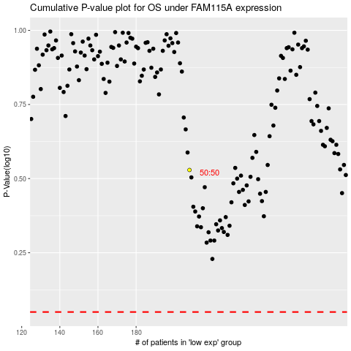

 |  |  |  |  |  | cases_OS | p_OS | rank | exp
 |  |  |  |  |  |  | cases_RFS | p_RFS | rank | exp

