FAM115C _multivariate
Reported by Tex Li-Hsing Chi. tex@gate.sinica.edu.tw 2019-08-20

Table 2. The clinicopathological features of HNSCC cohort and FAM115C expression. (Chi square test)
Cutoff at -0.212 (49.8%)
 |  | FAM115C expression |  | FAM115C expression |  | (Optimised)
 | Features | Low | (%) | High | (%) | Case no | P-value | Remark | Matthews
Gender | Female | 163 | 39.3 | 143 | 34.5 | 415 | 0.0277 | 1 | 0
2 | Male | 44 | 10.6 | 65 | 15.7
Age at diagnosis | <=65y | 144 | 34.7 | 130 | 31.3 | 415 | 0.1568 | 0 | 0
4 | >65y | 63 | 15.2 | 78 | 18.8
Clinical T Status | T1+T2 | 82 | 19.8 | 67 | 16.1 | 415 | 0.1417 | 0 | 0
6 | T3+T4 | 125 | 30.1 | 141 | 34
Clinical N Status | N0 | 99 | 23.9 | 117 | 28.2 | 415 | 0.1054 | 0 | 0
8 | N1-3 | 108 | 26 | 91 | 21.9
Clinical M Status | M0 | 206 | 49.6 | 206 | 49.6 | 415 | 1 | 0 | 0
10 | M1 | 1 | 0.2 | 2 | 0.5
Clinical Stage | Stage I+II | 48 | 11.6 | 54 | 13 | 415 | 0.5878 | 0 | 0
12 | Stage III+IV | 159 | 38.3 | 154 | 37.1
Surgical Margin status | Negative | 158 | 38.1 | 160 | 38.6 | 415 | 0.9081 | 0 | 0
14 | Positive | 49 | 11.8 | 48 | 11.6
Tobacco Exposure | Low | 65 | 15.7 | 96 | 23.1 | 415 | 0.0025 | 1 | 0
16 | High | 142 | 34.2 | 112 | 27

Table 3. Univariate/Multivariate Cox's proportional hazards regression analyses on OS time of FAM115C gene expression in HNSCC

 |  | Univariate |  |  |  | Multivariate
 | Features | HR | CI95%(L) | CI95%(H) | P-value | HR | CI95%(L) | CI95%(H) | P-value
1 | Female | 1 |  |  |  | 1
Gender | Male | 1.157 | 0.843 | 1.587 | 0.367 | 1.192 | 0.853 | 1.666 | 0.304
11 | <=65y | 1 |  |  |  | 1
Age at diagnosis | >65y | 1.329 | 0.99 | 1.784 | 0.058 | 1.389 | 1.022 | 1.888 | 0.036
12 | T1+T2 | 1 |  |  |  | 1
Clinical T Status | T3+T4 | 1.409 | 1.028 | 1.931 | 0.033 | 2.153 | 1.135 | 4.084 | 0.019
13 | N0 | 1 |  |  |  | 1
Clinical N Status | N1-3 | 1.185 | 0.89 | 1.577 | 0.246 | 1.25 | 0.876 | 1.784 | 0.219
14 | M0 | 1 |  |  |  | 1
Clinical M Status | M1 | 4.097 | 1.009 | 16.644 | 0.049 | 9.082 | 1.975 | 41.774 | 0.005
15 | Stage I+II | 1 |  |  |  | 1
Clinical Stage | Stage III+IV | 1.245 | 0.882 | 1.759 | 0.213 | 0.517 | 0.24 | 1.114 | 0.092
16 | Negative | 1 |  |  |  | 1
Surgical Margin status | Positive | 1.591 | 1.155 | 2.191 | 0.004 | 1.666 | 1.205 | 2.302 | 0.002
17 | Low | 1 |  |  |  | 1
Tobacco Exposure | High | 1.364 | 1.008 | 1.844 | 0.044 | 1.465 | 1.063 | 2.02 | 0.02
18 | Low | 1 |  |  |  | 1
RNAseq(z-score) | High | 1.116 | 0.837 | 1.489 | 0.455 | 1.105 | 0.823 | 1.483 | 0.506

Table 4. Univariate/Multivariate Cox's proportional hazards regression analyses on RFS time of FAM115C gene expression in HNSCC

 |  | Univariate |  |  |  | Multivariate
 | Features | HR | CI95%(L) | CI95%(H) | P-value | HR | CI95%(L) | CI95%(H) | P-value
1 | Female | 1 |  |  |  | 1
Gender | Male | 1.157 | 0.843 | 1.587 | 0.367 | 1.192 | 0.853 | 1.666 | 0.304
11 | <=65y | 1 |  |  |  | 1
Age at diagnosis | >65y | 1.329 | 0.99 | 1.784 | 0.058 | 1.389 | 1.022 | 1.888 | 0.036
12 | T1+T2 | 1 |  |  |  | 1
Clinical T Status | T3+T4 | 1.409 | 1.028 | 1.931 | 0.033 | 2.153 | 1.135 | 4.084 | 0.019
13 | N0 | 1 |  |  |  | 1
Clinical N Status | N1-3 | 1.185 | 0.89 | 1.577 | 0.246 | 1.25 | 0.876 | 1.784 | 0.219
14 | M0 | 1 |  |  |  | 1
Clinical M Status | M1 | 4.097 | 1.009 | 16.644 | 0.049 | 9.082 | 1.975 | 41.774 | 0.005
15 | Stage I+II | 1 |  |  |  | 1
Clinical Stage | Stage III+IV | 1.245 | 0.882 | 1.759 | 0.213 | 0.517 | 0.24 | 1.114 | 0.092
16 | Negative | 1 |  |  |  | 1
Surgical Margin status | Positive | 1.591 | 1.155 | 2.191 | 0.004 | 1.666 | 1.205 | 2.302 | 0.002
17 | Low | 1 |  |  |  | 1
Tobacco Exposure | High | 1.364 | 1.008 | 1.844 | 0.044 | 1.465 | 1.063 | 2.02 | 0.02
18 | Low | 1 |  |  |  | 1
RNAseq(z-score) | High | 1.116 | 0.837 | 1.489 | 0.455 | 1.105 | 0.823 | 1.483 | 0.506

Kaplan-Meier survival estimate: Cutoff at -0.212 (49.8%)



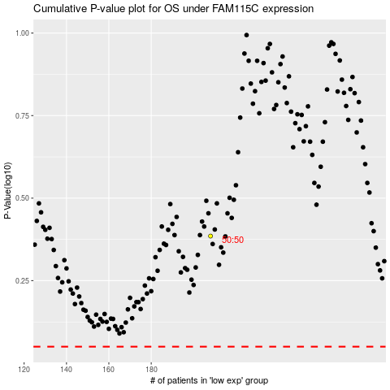

 |  |  |  |  |  | cases_OS | p_OS | rank | exp
 |  |  |  |  |  |  | cases_RFS | p_RFS | rank | exp

