FAM116B _multivariate
Reported by Tex Li-Hsing Chi. tex@gate.sinica.edu.tw 2019-08-20

Table 2. The clinicopathological features of HNSCC cohort and FAM116B expression. (Chi square test)
Cutoff at -0.277 (50.0%)
 |  | FAM116B expression |  | FAM116B expression |  | (Optimised)
 | Features | Low | (%) | High | (%) | Case no | P-value | Remark | Matthews
Gender | Female | 155 | 37.3 | 151 | 36.4 | 415 | 0.6768 | 0 | 0
2 | Male | 52 | 12.5 | 57 | 13.7
Age at diagnosis | <=65y | 135 | 32.5 | 139 | 33.5 | 415 | 0.8084 | 0 | 0
4 | >65y | 72 | 17.3 | 69 | 16.6
Clinical T Status | T1+T2 | 85 | 20.5 | 64 | 15.4 | 415 | 0.0372 | 1 | 0
6 | T3+T4 | 122 | 29.4 | 144 | 34.7
Clinical N Status | N0 | 116 | 28 | 100 | 24.1 | 415 | 0.1273 | 1 | 0
8 | N1-3 | 91 | 21.9 | 108 | 26
Clinical M Status | M0 | 206 | 49.6 | 206 | 49.6 | 415 | 1 | 0 | 0
10 | M1 | 1 | 0.2 | 2 | 0.5
Clinical Stage | Stage I+II | 60 | 14.5 | 42 | 10.1 | 415 | 0.0493 | 1 | 0
12 | Stage III+IV | 147 | 35.4 | 166 | 40
Surgical Margin status | Negative | 161 | 38.8 | 157 | 37.8 | 415 | 0.6429 | 0 | 0
14 | Positive | 46 | 11.1 | 51 | 12.3
Tobacco Exposure | Low | 80 | 19.3 | 81 | 19.5 | 415 | 1 | 0 | 0
16 | High | 127 | 30.6 | 127 | 30.6

Table 3. Univariate/Multivariate Cox's proportional hazards regression analyses on OS time of FAM116B gene expression in HNSCC

 |  | Univariate |  |  |  | Multivariate
 | Features | HR | CI95%(L) | CI95%(H) | P-value | HR | CI95%(L) | CI95%(H) | P-value
1 | Female | 1 |  |  |  | 1
Gender | Male | 1.157 | 0.843 | 1.587 | 0.367 | 1.199 | 0.858 | 1.677 | 0.288
11 | <=65y | 1 |  |  |  | 1
Age at diagnosis | >65y | 1.329 | 0.99 | 1.784 | 0.058 | 1.393 | 1.025 | 1.895 | 0.034
12 | T1+T2 | 1 |  |  |  | 1
Clinical T Status | T3+T4 | 1.409 | 1.028 | 1.931 | 0.033 | 2.194 | 1.159 | 4.156 | 0.016
13 | N0 | 1 |  |  |  | 1
Clinical N Status | N1-3 | 1.185 | 0.89 | 1.577 | 0.246 | 1.238 | 0.867 | 1.769 | 0.241
14 | M0 | 1 |  |  |  | 1
Clinical M Status | M1 | 4.097 | 1.009 | 16.644 | 0.049 | 9.362 | 2.04 | 42.967 | 0.004
15 | Stage I+II | 1 |  |  |  | 1
Clinical Stage | Stage III+IV | 1.245 | 0.882 | 1.759 | 0.213 | 0.506 | 0.235 | 1.086 | 0.08
16 | Negative | 1 |  |  |  | 1
Surgical Margin status | Positive | 1.591 | 1.155 | 2.191 | 0.004 | 1.669 | 1.207 | 2.307 | 0.002
17 | Low | 1 |  |  |  | 1
Tobacco Exposure | High | 1.364 | 1.008 | 1.844 | 0.044 | 1.455 | 1.055 | 2.005 | 0.022
18 | Low | 1 |  |  |  | 1
RNAseq(z-score) | High | 1.067 | 0.801 | 1.421 | 0.659 | 1.023 | 0.764 | 1.369 | 0.879

Table 4. Univariate/Multivariate Cox's proportional hazards regression analyses on RFS time of FAM116B gene expression in HNSCC

 |  | Univariate |  |  |  | Multivariate
 | Features | HR | CI95%(L) | CI95%(H) | P-value | HR | CI95%(L) | CI95%(H) | P-value
1 | Female | 1 |  |  |  | 1
Gender | Male | 1.157 | 0.843 | 1.587 | 0.367 | 1.199 | 0.858 | 1.677 | 0.288
11 | <=65y | 1 |  |  |  | 1
Age at diagnosis | >65y | 1.329 | 0.99 | 1.784 | 0.058 | 1.393 | 1.025 | 1.895 | 0.034
12 | T1+T2 | 1 |  |  |  | 1
Clinical T Status | T3+T4 | 1.409 | 1.028 | 1.931 | 0.033 | 2.194 | 1.159 | 4.156 | 0.016
13 | N0 | 1 |  |  |  | 1
Clinical N Status | N1-3 | 1.185 | 0.89 | 1.577 | 0.246 | 1.238 | 0.867 | 1.769 | 0.241
14 | M0 | 1 |  |  |  | 1
Clinical M Status | M1 | 4.097 | 1.009 | 16.644 | 0.049 | 9.362 | 2.04 | 42.967 | 0.004
15 | Stage I+II | 1 |  |  |  | 1
Clinical Stage | Stage III+IV | 1.245 | 0.882 | 1.759 | 0.213 | 0.506 | 0.235 | 1.086 | 0.08
16 | Negative | 1 |  |  |  | 1
Surgical Margin status | Positive | 1.591 | 1.155 | 2.191 | 0.004 | 1.669 | 1.207 | 2.307 | 0.002
17 | Low | 1 |  |  |  | 1
Tobacco Exposure | High | 1.364 | 1.008 | 1.844 | 0.044 | 1.455 | 1.055 | 2.005 | 0.022
18 | Low | 1 |  |  |  | 1
RNAseq(z-score) | High | 1.067 | 0.801 | 1.421 | 0.659 | 1.023 | 0.764 | 1.369 | 0.879

Kaplan-Meier survival estimate: Cutoff at -0.277 (50.0%)



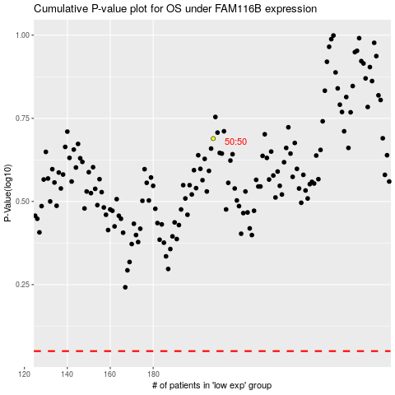

 |  |  |  |  |  | cases_OS | p_OS | rank | exp
 |  |  |  |  |  |  | cases_RFS | p_RFS | rank | exp

