FAM117B _multivariate
Reported by Tex Li-Hsing Chi. tex@gate.sinica.edu.tw 2019-08-20

Table 2. The clinicopathological features of HNSCC cohort and FAM117B expression. (Chi square test)
Cutoff at -0.564 (30.7%)
 |  | FAM117B expression |  | FAM117B expression |  | (Optimised)
 | Features | Low | (%) | High | (%) | Case no | P-value | Remark | Matthews
Gender | Female | 94 | 22.7 | 212 | 51.1 | 415 | 1 | 0 | 0
2 | Male | 34 | 8.2 | 75 | 18.1
Age at diagnosis | <=65y | 90 | 21.7 | 184 | 44.3 | 415 | 0.2629 | 0 | 0
4 | >65y | 38 | 9.2 | 103 | 24.8
Clinical T Status | T1+T2 | 45 | 10.8 | 104 | 25.1 | 415 | 0.9194 | 0 | 0
6 | T3+T4 | 83 | 20 | 183 | 44.1
Clinical N Status | N0 | 60 | 14.5 | 156 | 37.6 | 415 | 0.1928 | 0 | 0
8 | N1-3 | 68 | 16.4 | 131 | 31.6
Clinical M Status | M0 | 127 | 30.6 | 285 | 68.7 | 415 | 1 | 0 | 0
10 | M1 | 1 | 0.2 | 2 | 0.5
Clinical Stage | Stage I+II | 30 | 7.2 | 72 | 17.3 | 415 | 0.8126 | 0 | 0
12 | Stage III+IV | 98 | 23.6 | 215 | 51.8
Surgical Margin status | Negative | 101 | 24.3 | 217 | 52.3 | 415 | 0.5305 | 0 | 0
14 | Positive | 27 | 6.5 | 70 | 16.9
Tobacco Exposure | Low | 53 | 12.8 | 108 | 26 | 415 | 0.5131 | 0 | 0
16 | High | 75 | 18.1 | 179 | 43.1

Table 3. Univariate/Multivariate Cox's proportional hazards regression analyses on OS time of FAM117B gene expression in HNSCC

 |  | Univariate |  |  |  | Multivariate
 | Features | HR | CI95%(L) | CI95%(H) | P-value | HR | CI95%(L) | CI95%(H) | P-value
1 | Female | 1 |  |  |  | 1
Gender | Male | 1.157 | 0.843 | 1.587 | 0.367 | 1.196 | 0.856 | 1.672 | 0.294
11 | <=65y | 1 |  |  |  | 1
Age at diagnosis | >65y | 1.329 | 0.99 | 1.784 | 0.058 | 1.366 | 1.006 | 1.854 | 0.046
12 | T1+T2 | 1 |  |  |  | 1
Clinical T Status | T3+T4 | 1.409 | 1.028 | 1.931 | 0.033 | 2.145 | 1.135 | 4.052 | 0.019
13 | N0 | 1 |  |  |  | 1
Clinical N Status | N1-3 | 1.185 | 0.89 | 1.577 | 0.246 | 1.194 | 0.837 | 1.704 | 0.328
14 | M0 | 1 |  |  |  | 1
Clinical M Status | M1 | 4.097 | 1.009 | 16.644 | 0.049 | 8.886 | 1.938 | 40.747 | 0.005
15 | Stage I+II | 1 |  |  |  | 1
Clinical Stage | Stage III+IV | 1.245 | 0.882 | 1.759 | 0.213 | 0.533 | 0.249 | 1.144 | 0.107
16 | Negative | 1 |  |  |  | 1
Surgical Margin status | Positive | 1.591 | 1.155 | 2.191 | 0.004 | 1.705 | 1.235 | 2.356 | 0.001
17 | Low | 1 |  |  |  | 1
Tobacco Exposure | High | 1.364 | 1.008 | 1.844 | 0.044 | 1.523 | 1.102 | 2.104 | 0.011
18 | Low | 1 |  |  |  | 1
RNAseq(z-score) | High | 0.669 | 0.496 | 0.904 | 0.009 | 0.644 | 0.475 | 0.874 | 0.005

Table 4. Univariate/Multivariate Cox's proportional hazards regression analyses on RFS time of FAM117B gene expression in HNSCC

 |  | Univariate |  |  |  | Multivariate
 | Features | HR | CI95%(L) | CI95%(H) | P-value | HR | CI95%(L) | CI95%(H) | P-value
1 | Female | 1 |  |  |  | 1
Gender | Male | 1.157 | 0.843 | 1.587 | 0.367 | 1.196 | 0.856 | 1.672 | 0.294
11 | <=65y | 1 |  |  |  | 1
Age at diagnosis | >65y | 1.329 | 0.99 | 1.784 | 0.058 | 1.366 | 1.006 | 1.854 | 0.046
12 | T1+T2 | 1 |  |  |  | 1
Clinical T Status | T3+T4 | 1.409 | 1.028 | 1.931 | 0.033 | 2.145 | 1.135 | 4.052 | 0.019
13 | N0 | 1 |  |  |  | 1
Clinical N Status | N1-3 | 1.185 | 0.89 | 1.577 | 0.246 | 1.194 | 0.837 | 1.704 | 0.328
14 | M0 | 1 |  |  |  | 1
Clinical M Status | M1 | 4.097 | 1.009 | 16.644 | 0.049 | 8.886 | 1.938 | 40.747 | 0.005
15 | Stage I+II | 1 |  |  |  | 1
Clinical Stage | Stage III+IV | 1.245 | 0.882 | 1.759 | 0.213 | 0.533 | 0.249 | 1.144 | 0.107
16 | Negative | 1 |  |  |  | 1
Surgical Margin status | Positive | 1.591 | 1.155 | 2.191 | 0.004 | 1.705 | 1.235 | 2.356 | 0.001
17 | Low | 1 |  |  |  | 1
Tobacco Exposure | High | 1.364 | 1.008 | 1.844 | 0.044 | 1.523 | 1.102 | 2.104 | 0.011
18 | Low | 1 |  |  |  | 1
RNAseq(z-score) | High | 0.669 | 0.496 | 0.904 | 0.009 | 0.644 | 0.475 | 0.874 | 0.005

Kaplan-Meier survival estimate: Cutoff at -0.564 (30.7%)

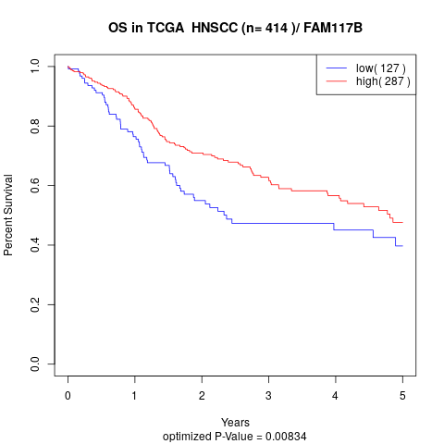

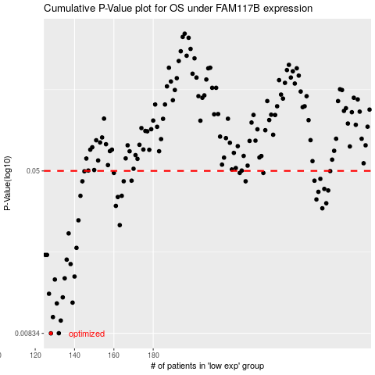

 |  |  |  |  |  | cases_OS | p_OS | rank | exp
 |  |  |  |  |  | 128 | 0.00834 | 29 | -0.56380759526
 |  |  |  |  |  | 132 | 0.00835 | 332 | -0.54985962122
 |  |  |  |  |  | 133 | 0.0096 | 234 | -0.54722012592
 |  |  |  |  |  | 129 | 0.00998 | 195 | -0.56000081539
 |  |  |  |  |  | 131 | 0.0116 | 1 | -0.55398981473
 |  |  |  |  |  | 139 | 0.0117 | 84 | -0.53598068266
 |  |  |  |  |  | 134 | 0.0124 | 311 | -0.54564213879
 |  |  |  |  |  | 127 | 0.0129 | 287 | -0.56903978216
 |  |  |  |  |  | 130 | 0.0151 | 375 | -0.55977873178
 |  |  |  |  |  | 135 | 0.0153 | 37 | -0.54511957535
 |  |  |  |  |  | 140 | 0.0156 | 71 | -0.53469943106
 |  |  |  |  |  | 138 | 0.0179 | 394 | -0.54093742971
 |  |  |  |  |  | 136 | 0.0188 | 60 | -0.54404800437
 |  |  |  |  |  | 125 | 0.0198 | 10 | -0.57787328063
 |  |  |  |  |  | 126 | 0.0198 | 257 | -0.57726179014
 |  |  |  |  |  | 141 | 0.0214 | 127 | -0.53115287983
 |  |  |  |  |  | 137 | 0.0251 | 62 | -0.54116489575
 |  |  |  |  |  | 163 | 0.0275 | 140 | -0.43972159557
 |  |  |  |  |  | 142 | 0.029 | 75 | -0.51813793777
 |  |  |  |  |  | 266 | 0.0331 | 169 | -0.019902132992
 |  |  |  |  |  | 161 | 0.034 | 318 | -0.45100058796
 |  |  |  |  |  | 268 | 0.035 | 11 | -0.0058619556432
 |  |  |  |  |  | 263 | 0.0365 | 395 | -0.025479731281
 |  |  |  |  |  | 162 | 0.0375 | 67 | -0.44273084019
 |  |  |  |  |  | 164 | 0.038 | 293 | -0.43396005869
 |  |  |  |  |  | 143 | 0.038 | 376 | -0.50599237466
 |  |  |  |  |  | 264 | 0.0397 | 91 | -0.024628137752
 |  |  |  |  |  | 269 | 0.0403 | 112 | 0.0023041219051
 |  |  |  |  |  | 267 | 0.041 | 3 | -0.0085473185854
 |  |  |  |  |  | 144 | 0.0446 | 147 | -0.50024628301
 |  |  |  |  |  | 227 | 0.0446 | 158 | -0.18328148654
 |  |  |  |  |  | 165 | 0.0446 | 399 | -0.43194937125
 |  |  |  |  |  | 262 | 0.0449 | 90 | -0.028682275234
 |  |  |  |  |  | 169 | 0.0449 | 367 | -0.42736003333
 |  |  |  |  |  | 265 | 0.0458 | 64 | -0.021909544175
 |  |  |  |  |  | 224 | 0.0489 | 25 | -0.19703358705
 |  |  |  |  |  | 160 | 0.0489 | 99 | -0.45327946067
 |  |  |  |  |  | 236 | 0.0489 | 205 | -0.14412994793
 |  |  |  |  |  | 145 | 0.0498 | 383 | -0.49972512369
 |  |  |  |  |  | 270 | 0.0499 | 16 | 0.0083165266729
 |  |  |  |  |  |  | cases_RFS | p_RFS | rank | exp
 |  |  |  |  |  |  | 127 | 0.00834 | 287 | -0.56903978216
 |  |  |  |  |  |  | 131 | 0.00835 | 1 | -0.55398981473
 |  |  |  |  |  |  | 132 | 0.0096 | 332 | -0.54985962122
 |  |  |  |  |  |  | 128 | 0.00998 | 29 | -0.56380759526
 |  |  |  |  |  |  | 130 | 0.0116 | 375 | -0.55977873178
 |  |  |  |  |  |  | 138 | 0.0117 | 394 | -0.54093742971
 |  |  |  |  |  |  | 133 | 0.0124 | 234 | -0.54722012592
 |  |  |  |  |  |  | 126 | 0.0129 | 257 | -0.57726179014
 |  |  |  |  |  |  | 129 | 0.0151 | 195 | -0.56000081539
 |  |  |  |  |  |  | 134 | 0.0153 | 311 | -0.54564213879
 |  |  |  |  |  |  | 139 | 0.0156 | 84 | -0.53598068266
 |  |  |  |  |  |  | 137 | 0.0179 | 62 | -0.54116489575
 |  |  |  |  |  |  | 135 | 0.0188 | 37 | -0.54511957535
 |  |  |  |  |  |  | 125 | 0.0198 | 10 | -0.57787328063
 |  |  |  |  |  |  |  | 0.0198 | 314 | -0.58590503153
 |  |  |  |  |  |  | 140 | 0.0214 | 71 | -0.53469943106
 |  |  |  |  |  |  | 136 | 0.0251 | 60 | -0.54404800437
 |  |  |  |  |  |  | 162 | 0.0275 | 67 | -0.44273084019
 |  |  |  |  |  |  | 141 | 0.029 | 127 | -0.53115287983
 |  |  |  |  |  |  | 265 | 0.0331 | 64 | -0.021909544175
 |  |  |  |  |  |  | 160 | 0.034 | 99 | -0.45327946067
 |  |  |  |  |  |  | 267 | 0.035 | 3 | -0.0085473185854
 |  |  |  |  |  |  | 262 | 0.0365 | 90 | -0.028682275234
 |  |  |  |  |  |  | 161 | 0.0375 | 318 | -0.45100058796
 |  |  |  |  |  |  | 142 | 0.038 | 75 | -0.51813793777
 |  |  |  |  |  |  | 163 | 0.038 | 140 | -0.43972159557
 |  |  |  |  |  |  | 263 | 0.0397 | 395 | -0.025479731281
 |  |  |  |  |  |  | 268 | 0.0403 | 11 | -0.0058619556432
 |  |  |  |  |  |  | 266 | 0.041 | 169 | -0.019902132992
 |  |  |  |  |  |  | 226 | 0.0446 | 88 | -0.1861688075
 |  |  |  |  |  |  | 164 | 0.0446 | 293 | -0.43396005869
 |  |  |  |  |  |  | 143 | 0.0446 | 376 | -0.50599237466
 |  |  |  |  |  |  | 261 | 0.0449 | 107 | -0.02997546178
 |  |  |  |  |  |  | 168 | 0.0449 | 264 | -0.42753086687
 |  |  |  |  |  |  | 264 | 0.0458 | 91 | -0.024628137752
 |  |  |  |  |  |  | 159 | 0.0489 | 208 | -0.46244830773
 |  |  |  |  |  |  | 223 | 0.0489 | 223 | -0.20015890488
 |  |  |  |  |  |  | 235 | 0.0489 | 338 | -0.14691008839
 |  |  |  |  |  |  | 144 | 0.0498 | 147 | -0.50024628301
 |  |  |  |  |  |  | 269 | 0.0499 | 112 | 0.0023041219051

