FAM119A _multivariate
Reported by Tex Li-Hsing Chi. tex@gate.sinica.edu.tw 2019-08-20

Table 2. The clinicopathological features of HNSCC cohort and FAM119A expression. (Chi square test)
Cutoff at 0.151 (69.8%)
 |  | FAM119A expression |  | FAM119A expression |  | (Optimised)
 | Features | Low | (%) | High | (%) | Case no | P-value | Remark | Matthews
Gender | Female | 204 | 49.2 | 102 | 24.6 | 415 | 0.0233 | 1 | 0
2 | Male | 86 | 20.7 | 23 | 5.5
Age at diagnosis | <=65y | 191 | 46 | 83 | 20 | 415 | 1 | 0 | 0
4 | >65y | 99 | 23.9 | 42 | 10.1
Clinical T Status | T1+T2 | 104 | 25.1 | 45 | 10.8 | 415 | 1 | 0 | 0
6 | T3+T4 | 186 | 44.8 | 80 | 19.3
Clinical N Status | N0 | 158 | 38.1 | 58 | 14 | 415 | 0.16 | 0 | 0
8 | N1-3 | 132 | 31.8 | 67 | 16.1
Clinical M Status | M0 | 287 | 69.2 | 125 | 30.1 | 415 | 0.5571 | 0 | 0
10 | M1 | 3 | 0.7 | 0 | 0
Clinical Stage | Stage I+II | 77 | 18.6 | 25 | 6 | 415 | 0.1943 | 0 | 0
12 | Stage III+IV | 213 | 51.3 | 100 | 24.1
Surgical Margin status | Negative | 225 | 54.2 | 93 | 22.4 | 415 | 0.5276 | 0 | 0
14 | Positive | 65 | 15.7 | 32 | 7.7
Tobacco Exposure | Low | 123 | 29.6 | 38 | 9.2 | 415 | 0.0216 | 1 | 0
16 | High | 167 | 40.2 | 87 | 21

Table 3. Univariate/Multivariate Cox's proportional hazards regression analyses on OS time of FAM119A gene expression in HNSCC

 |  | Univariate |  |  |  | Multivariate
 | Features | HR | CI95%(L) | CI95%(H) | P-value | HR | CI95%(L) | CI95%(H) | P-value
1 | Female | 1 |  |  |  | 1
Gender | Male | 1.157 | 0.843 | 1.587 | 0.367 | 1.156 | 0.824 | 1.62 | 0.402
11 | <=65y | 1 |  |  |  | 1
Age at diagnosis | >65y | 1.329 | 0.99 | 1.784 | 0.058 | 1.387 | 1.02 | 1.888 | 0.037
12 | T1+T2 | 1 |  |  |  | 1
Clinical T Status | T3+T4 | 1.409 | 1.028 | 1.931 | 0.033 | 2.106 | 1.112 | 3.991 | 0.022
13 | N0 | 1 |  |  |  | 1
Clinical N Status | N1-3 | 1.185 | 0.89 | 1.577 | 0.246 | 1.26 | 0.883 | 1.798 | 0.202
14 | M0 | 1 |  |  |  | 1
Clinical M Status | M1 | 4.097 | 1.009 | 16.644 | 0.049 | 8.058 | 1.746 | 37.186 | 0.007
15 | Stage I+II | 1 |  |  |  | 1
Clinical Stage | Stage III+IV | 1.245 | 0.882 | 1.759 | 0.213 | 0.538 | 0.25 | 1.157 | 0.113
16 | Negative | 1 |  |  |  | 1
Surgical Margin status | Positive | 1.591 | 1.155 | 2.191 | 0.004 | 1.693 | 1.225 | 2.339 | 0.001
17 | Low | 1 |  |  |  | 1
Tobacco Exposure | High | 1.364 | 1.008 | 1.844 | 0.044 | 1.496 | 1.083 | 2.066 | 0.014
18 | Low | 1 |  |  |  | 1
RNAseq(z-score) | High | 0.723 | 0.522 | 1 | 0.05 | 0.715 | 0.513 | 0.998 | 0.049

Table 4. Univariate/Multivariate Cox's proportional hazards regression analyses on RFS time of FAM119A gene expression in HNSCC

 |  | Univariate |  |  |  | Multivariate
 | Features | HR | CI95%(L) | CI95%(H) | P-value | HR | CI95%(L) | CI95%(H) | P-value
1 | Female | 1 |  |  |  | 1
Gender | Male | 1.157 | 0.843 | 1.587 | 0.367 | 1.156 | 0.824 | 1.62 | 0.402
11 | <=65y | 1 |  |  |  | 1
Age at diagnosis | >65y | 1.329 | 0.99 | 1.784 | 0.058 | 1.387 | 1.02 | 1.888 | 0.037
12 | T1+T2 | 1 |  |  |  | 1
Clinical T Status | T3+T4 | 1.409 | 1.028 | 1.931 | 0.033 | 2.106 | 1.112 | 3.991 | 0.022
13 | N0 | 1 |  |  |  | 1
Clinical N Status | N1-3 | 1.185 | 0.89 | 1.577 | 0.246 | 1.26 | 0.883 | 1.798 | 0.202
14 | M0 | 1 |  |  |  | 1
Clinical M Status | M1 | 4.097 | 1.009 | 16.644 | 0.049 | 8.058 | 1.746 | 37.186 | 0.007
15 | Stage I+II | 1 |  |  |  | 1
Clinical Stage | Stage III+IV | 1.245 | 0.882 | 1.759 | 0.213 | 0.538 | 0.25 | 1.157 | 0.113
16 | Negative | 1 |  |  |  | 1
Surgical Margin status | Positive | 1.591 | 1.155 | 2.191 | 0.004 | 1.693 | 1.225 | 2.339 | 0.001
17 | Low | 1 |  |  |  | 1
Tobacco Exposure | High | 1.364 | 1.008 | 1.844 | 0.044 | 1.496 | 1.083 | 2.066 | 0.014
18 | Low | 1 |  |  |  | 1
RNAseq(z-score) | High | 0.723 | 0.522 | 1 | 0.05 | 0.715 | 0.513 | 0.998 | 0.049

Kaplan-Meier survival estimate: Cutoff at 0.151 (69.8%)



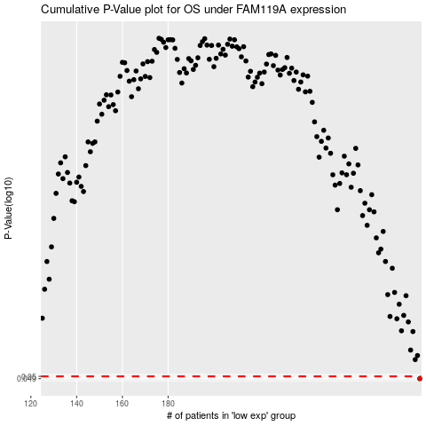

 |  |  |  |  |  | cases_OS | p_OS | rank | exp
 |  |  |  |  |  | 290 | 0.049 | 293 | 0.15111441221
 |  |  |  |  |  |  | cases_RFS | p_RFS | rank | exp
 |  |  |  |  |  |  | 289 | 0.049 | 338 | 0.14022847828

