FAM120B _multivariate
Reported by Tex Li-Hsing Chi. tex@gate.sinica.edu.tw 2019-08-20

Table 2. The clinicopathological features of HNSCC cohort and FAM120B expression. (Chi square test)
Cutoff at -0.074 (50.0%)
 |  | FAM120B expression |  | FAM120B expression |  | (Optimised)
 | Features | Low | (%) | High | (%) | Case no | P-value | Remark | Matthews
Gender | Female | 165 | 39.8 | 141 | 34 | 415 | 0.0081 | 1 | 0
2 | Male | 42 | 10.1 | 67 | 16.1
Age at diagnosis | <=65y | 131 | 31.6 | 143 | 34.5 | 415 | 0.2839 | 0 | 0
4 | >65y | 76 | 18.3 | 65 | 15.7
Clinical T Status | T1+T2 | 71 | 17.1 | 78 | 18.8 | 415 | 0.5638 | 0 | 0
6 | T3+T4 | 136 | 32.8 | 130 | 31.3
Clinical N Status | N0 | 103 | 24.8 | 113 | 27.2 | 415 | 0.4047 | 0 | 0
8 | N1-3 | 104 | 25.1 | 95 | 22.9
Clinical M Status | M0 | 206 | 49.6 | 206 | 49.6 | 415 | 1 | 0 | 0
10 | M1 | 1 | 0.2 | 2 | 0.5
Clinical Stage | Stage I+II | 45 | 10.8 | 57 | 13.7 | 415 | 0.2202 | 0 | 0
12 | Stage III+IV | 162 | 39 | 151 | 36.4
Surgical Margin status | Negative | 156 | 37.6 | 162 | 39 | 415 | 0.5636 | 0 | 0
14 | Positive | 51 | 12.3 | 46 | 11.1
Tobacco Exposure | Low | 80 | 19.3 | 81 | 19.5 | 415 | 1 | 0 | 0
16 | High | 127 | 30.6 | 127 | 30.6

Table 3. Univariate/Multivariate Cox's proportional hazards regression analyses on OS time of FAM120B gene expression in HNSCC

 |  | Univariate |  |  |  | Multivariate
 | Features | HR | CI95%(L) | CI95%(H) | P-value | HR | CI95%(L) | CI95%(H) | P-value
1 | Female | 1 |  |  |  | 1
Gender | Male | 1.157 | 0.843 | 1.587 | 0.367 | 1.161 | 0.827 | 1.631 | 0.388
11 | <=65y | 1 |  |  |  | 1
Age at diagnosis | >65y | 1.329 | 0.99 | 1.784 | 0.058 | 1.402 | 1.031 | 1.907 | 0.031
12 | T1+T2 | 1 |  |  |  | 1
Clinical T Status | T3+T4 | 1.409 | 1.028 | 1.931 | 0.033 | 2.195 | 1.16 | 4.154 | 0.016
13 | N0 | 1 |  |  |  | 1
Clinical N Status | N1-3 | 1.185 | 0.89 | 1.577 | 0.246 | 1.244 | 0.872 | 1.774 | 0.229
14 | M0 | 1 |  |  |  | 1
Clinical M Status | M1 | 4.097 | 1.009 | 16.644 | 0.049 | 8.81 | 1.914 | 40.54 | 0.005
15 | Stage I+II | 1 |  |  |  | 1
Clinical Stage | Stage III+IV | 1.245 | 0.882 | 1.759 | 0.213 | 0.517 | 0.241 | 1.113 | 0.092
16 | Negative | 1 |  |  |  | 1
Surgical Margin status | Positive | 1.591 | 1.155 | 2.191 | 0.004 | 1.707 | 1.233 | 2.365 | 0.001
17 | Low | 1 |  |  |  | 1
Tobacco Exposure | High | 1.364 | 1.008 | 1.844 | 0.044 | 1.456 | 1.056 | 2.007 | 0.022
18 | Low | 1 |  |  |  | 1
RNAseq(z-score) | High | 1.132 | 0.849 | 1.509 | 0.398 | 1.193 | 0.886 | 1.608 | 0.245

Table 4. Univariate/Multivariate Cox's proportional hazards regression analyses on RFS time of FAM120B gene expression in HNSCC

 |  | Univariate |  |  |  | Multivariate
 | Features | HR | CI95%(L) | CI95%(H) | P-value | HR | CI95%(L) | CI95%(H) | P-value
1 | Female | 1 |  |  |  | 1
Gender | Male | 1.157 | 0.843 | 1.587 | 0.367 | 1.161 | 0.827 | 1.631 | 0.388
11 | <=65y | 1 |  |  |  | 1
Age at diagnosis | >65y | 1.329 | 0.99 | 1.784 | 0.058 | 1.402 | 1.031 | 1.907 | 0.031
12 | T1+T2 | 1 |  |  |  | 1
Clinical T Status | T3+T4 | 1.409 | 1.028 | 1.931 | 0.033 | 2.195 | 1.16 | 4.154 | 0.016
13 | N0 | 1 |  |  |  | 1
Clinical N Status | N1-3 | 1.185 | 0.89 | 1.577 | 0.246 | 1.244 | 0.872 | 1.774 | 0.229
14 | M0 | 1 |  |  |  | 1
Clinical M Status | M1 | 4.097 | 1.009 | 16.644 | 0.049 | 8.81 | 1.914 | 40.54 | 0.005
15 | Stage I+II | 1 |  |  |  | 1
Clinical Stage | Stage III+IV | 1.245 | 0.882 | 1.759 | 0.213 | 0.517 | 0.241 | 1.113 | 0.092
16 | Negative | 1 |  |  |  | 1
Surgical Margin status | Positive | 1.591 | 1.155 | 2.191 | 0.004 | 1.707 | 1.233 | 2.365 | 0.001
17 | Low | 1 |  |  |  | 1
Tobacco Exposure | High | 1.364 | 1.008 | 1.844 | 0.044 | 1.456 | 1.056 | 2.007 | 0.022
18 | Low | 1 |  |  |  | 1
RNAseq(z-score) | High | 1.132 | 0.849 | 1.509 | 0.398 | 1.193 | 0.886 | 1.608 | 0.245

Kaplan-Meier survival estimate: Cutoff at -0.074 (50.0%)



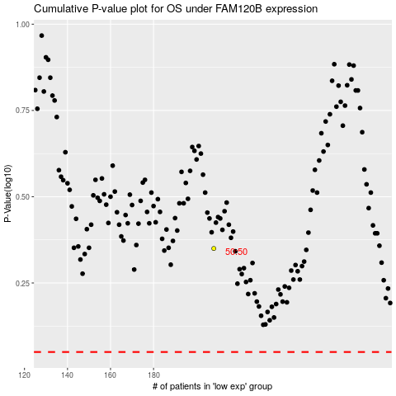

 |  |  |  |  |  | cases_OS | p_OS | rank | exp
 |  |  |  |  |  |  | cases_RFS | p_RFS | rank | exp

