FAM122B _multivariate
Reported by Tex Li-Hsing Chi. tex@gate.sinica.edu.tw 2019-08-20

Table 2. The clinicopathological features of HNSCC cohort and FAM122B expression. (Chi square test)
Cutoff at -0.193 (49.8%)
 |  | FAM122B expression |  | FAM122B expression |  | (Optimised)
 | Features | Low | (%) | High | (%) | Case no | P-value | Remark | Matthews
Gender | Female | 144 | 34.7 | 162 | 39 | 415 | 0.0697 | 0 | 0
2 | Male | 63 | 15.2 | 46 | 11.1
Age at diagnosis | <=65y | 125 | 30.1 | 149 | 35.9 | 415 | 0.0206 | 1 | 0
4 | >65y | 82 | 19.8 | 59 | 14.2
Clinical T Status | T1+T2 | 75 | 18.1 | 74 | 17.8 | 415 | 0.9707 | 0 | 0
6 | T3+T4 | 132 | 31.8 | 134 | 32.3
Clinical N Status | N0 | 112 | 27 | 104 | 25.1 | 415 | 0.4599 | 0 | 0
8 | N1-3 | 95 | 22.9 | 104 | 25.1
Clinical M Status | M0 | 206 | 49.6 | 206 | 49.6 | 415 | 1 | 0 | 0
10 | M1 | 1 | 0.2 | 2 | 0.5
Clinical Stage | Stage I+II | 56 | 13.5 | 46 | 11.1 | 415 | 0.2918 | 0 | 0
12 | Stage III+IV | 151 | 36.4 | 162 | 39
Surgical Margin status | Negative | 164 | 39.5 | 154 | 37.1 | 415 | 0.2462 | 0 | 0
14 | Positive | 43 | 10.4 | 54 | 13
Tobacco Exposure | Low | 89 | 21.4 | 72 | 17.3 | 415 | 0.0872 | 0 | 0
16 | High | 118 | 28.4 | 136 | 32.8

Table 3. Univariate/Multivariate Cox's proportional hazards regression analyses on OS time of FAM122B gene expression in HNSCC

 |  | Univariate |  |  |  | Multivariate
 | Features | HR | CI95%(L) | CI95%(H) | P-value | HR | CI95%(L) | CI95%(H) | P-value
1 | Female | 1 |  |  |  | 1
Gender | Male | 1.157 | 0.843 | 1.587 | 0.367 | 1.207 | 0.861 | 1.692 | 0.275
11 | <=65y | 1 |  |  |  | 1
Age at diagnosis | >65y | 1.329 | 0.99 | 1.784 | 0.058 | 1.393 | 1.025 | 1.894 | 0.034
12 | T1+T2 | 1 |  |  |  | 1
Clinical T Status | T3+T4 | 1.409 | 1.028 | 1.931 | 0.033 | 2.212 | 1.168 | 4.189 | 0.015
13 | N0 | 1 |  |  |  | 1
Clinical N Status | N1-3 | 1.185 | 0.89 | 1.577 | 0.246 | 1.24 | 0.869 | 1.769 | 0.236
14 | M0 | 1 |  |  |  | 1
Clinical M Status | M1 | 4.097 | 1.009 | 16.644 | 0.049 | 9.434 | 2.057 | 43.265 | 0.004
15 | Stage I+II | 1 |  |  |  | 1
Clinical Stage | Stage III+IV | 1.245 | 0.882 | 1.759 | 0.213 | 0.501 | 0.233 | 1.08 | 0.078
16 | Negative | 1 |  |  |  | 1
Surgical Margin status | Positive | 1.591 | 1.155 | 2.191 | 0.004 | 1.668 | 1.206 | 2.307 | 0.002
17 | Low | 1 |  |  |  | 1
Tobacco Exposure | High | 1.364 | 1.008 | 1.844 | 0.044 | 1.451 | 1.053 | 2 | 0.023
18 | Low | 1 |  |  |  | 1
RNAseq(z-score) | High | 1.032 | 0.775 | 1.375 | 0.828 | 1.026 | 0.763 | 1.38 | 0.863

Table 4. Univariate/Multivariate Cox's proportional hazards regression analyses on RFS time of FAM122B gene expression in HNSCC

 |  | Univariate |  |  |  | Multivariate
 | Features | HR | CI95%(L) | CI95%(H) | P-value | HR | CI95%(L) | CI95%(H) | P-value
1 | Female | 1 |  |  |  | 1
Gender | Male | 1.157 | 0.843 | 1.587 | 0.367 | 1.207 | 0.861 | 1.692 | 0.275
11 | <=65y | 1 |  |  |  | 1
Age at diagnosis | >65y | 1.329 | 0.99 | 1.784 | 0.058 | 1.393 | 1.025 | 1.894 | 0.034
12 | T1+T2 | 1 |  |  |  | 1
Clinical T Status | T3+T4 | 1.409 | 1.028 | 1.931 | 0.033 | 2.212 | 1.168 | 4.189 | 0.015
13 | N0 | 1 |  |  |  | 1
Clinical N Status | N1-3 | 1.185 | 0.89 | 1.577 | 0.246 | 1.24 | 0.869 | 1.769 | 0.236
14 | M0 | 1 |  |  |  | 1
Clinical M Status | M1 | 4.097 | 1.009 | 16.644 | 0.049 | 9.434 | 2.057 | 43.265 | 0.004
15 | Stage I+II | 1 |  |  |  | 1
Clinical Stage | Stage III+IV | 1.245 | 0.882 | 1.759 | 0.213 | 0.501 | 0.233 | 1.08 | 0.078
16 | Negative | 1 |  |  |  | 1
Surgical Margin status | Positive | 1.591 | 1.155 | 2.191 | 0.004 | 1.668 | 1.206 | 2.307 | 0.002
17 | Low | 1 |  |  |  | 1
Tobacco Exposure | High | 1.364 | 1.008 | 1.844 | 0.044 | 1.451 | 1.053 | 2 | 0.023
18 | Low | 1 |  |  |  | 1
RNAseq(z-score) | High | 1.032 | 0.775 | 1.375 | 0.828 | 1.026 | 0.763 | 1.38 | 0.863

Kaplan-Meier survival estimate: Cutoff at -0.193 (49.8%)



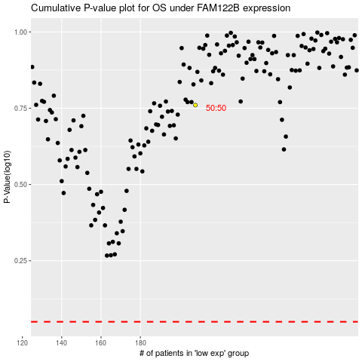

 |  |  |  |  |  | cases_OS | p_OS | rank | exp
 |  |  |  |  |  |  | cases_RFS | p_RFS | rank | exp

