FAM122C _multivariate
Reported by Tex Li-Hsing Chi. tex@gate.sinica.edu.tw 2019-08-20

Table 2. The clinicopathological features of HNSCC cohort and FAM122C expression. (Chi square test)
Cutoff at -0.149 (49.8%)
 |  | FAM122C expression |  | FAM122C expression |  | (Optimised)
 | Features | Low | (%) | High | (%) | Case no | P-value | Remark | Matthews
Gender | Female | 152 | 36.6 | 154 | 37.1 | 415 | 0.9766 | 0 | 0
2 | Male | 55 | 13.3 | 54 | 13
Age at diagnosis | <=65y | 139 | 33.5 | 135 | 32.5 | 415 | 0.7044 | 0 | 0
4 | >65y | 68 | 16.4 | 73 | 17.6
Clinical T Status | T1+T2 | 78 | 18.8 | 71 | 17.1 | 415 | 0.5152 | 0 | 0
6 | T3+T4 | 129 | 31.1 | 137 | 33
Clinical N Status | N0 | 106 | 25.5 | 110 | 26.5 | 415 | 0.8075 | 0 | 0
8 | N1-3 | 101 | 24.3 | 98 | 23.6
Clinical M Status | M0 | 205 | 49.4 | 207 | 49.9 | 415 | 0.6232 | 0 | 0
10 | M1 | 2 | 0.5 | 1 | 0.2
Clinical Stage | Stage I+II | 56 | 13.5 | 46 | 11.1 | 415 | 0.2918 | 0 | 0
12 | Stage III+IV | 151 | 36.4 | 162 | 39
Surgical Margin status | Negative | 159 | 38.3 | 159 | 38.3 | 415 | 1 | 0 | 0
14 | Positive | 48 | 11.6 | 49 | 11.8
Tobacco Exposure | Low | 79 | 19 | 82 | 19.8 | 415 | 0.8405 | 0 | 0
16 | High | 128 | 30.8 | 126 | 30.4

Table 3. Univariate/Multivariate Cox's proportional hazards regression analyses on OS time of FAM122C gene expression in HNSCC

 |  | Univariate |  |  |  | Multivariate
 | Features | HR | CI95%(L) | CI95%(H) | P-value | HR | CI95%(L) | CI95%(H) | P-value
1 | Female | 1 |  |  |  | 1
Gender | Male | 1.157 | 0.843 | 1.587 | 0.367 | 1.198 | 0.857 | 1.675 | 0.29
11 | <=65y | 1 |  |  |  | 1
Age at diagnosis | >65y | 1.329 | 0.99 | 1.784 | 0.058 | 1.395 | 1.026 | 1.896 | 0.034
12 | T1+T2 | 1 |  |  |  | 1
Clinical T Status | T3+T4 | 1.409 | 1.028 | 1.931 | 0.033 | 2.181 | 1.153 | 4.122 | 0.016
13 | N0 | 1 |  |  |  | 1
Clinical N Status | N1-3 | 1.185 | 0.89 | 1.577 | 0.246 | 1.229 | 0.861 | 1.756 | 0.256
14 | M0 | 1 |  |  |  | 1
Clinical M Status | M1 | 4.097 | 1.009 | 16.644 | 0.049 | 9.21 | 2.008 | 42.245 | 0.004
15 | Stage I+II | 1 |  |  |  | 1
Clinical Stage | Stage III+IV | 1.245 | 0.882 | 1.759 | 0.213 | 0.521 | 0.242 | 1.124 | 0.097
16 | Negative | 1 |  |  |  | 1
Surgical Margin status | Positive | 1.591 | 1.155 | 2.191 | 0.004 | 1.661 | 1.202 | 2.296 | 0.002
17 | Low | 1 |  |  |  | 1
Tobacco Exposure | High | 1.364 | 1.008 | 1.844 | 0.044 | 1.444 | 1.048 | 1.992 | 0.025
18 | Low | 1 |  |  |  | 1
RNAseq(z-score) | High | 0.89 | 0.669 | 1.186 | 0.427 | 0.9 | 0.672 | 1.204 | 0.478

Table 4. Univariate/Multivariate Cox's proportional hazards regression analyses on RFS time of FAM122C gene expression in HNSCC

 |  | Univariate |  |  |  | Multivariate
 | Features | HR | CI95%(L) | CI95%(H) | P-value | HR | CI95%(L) | CI95%(H) | P-value
1 | Female | 1 |  |  |  | 1
Gender | Male | 1.157 | 0.843 | 1.587 | 0.367 | 1.198 | 0.857 | 1.675 | 0.29
11 | <=65y | 1 |  |  |  | 1
Age at diagnosis | >65y | 1.329 | 0.99 | 1.784 | 0.058 | 1.395 | 1.026 | 1.896 | 0.034
12 | T1+T2 | 1 |  |  |  | 1
Clinical T Status | T3+T4 | 1.409 | 1.028 | 1.931 | 0.033 | 2.181 | 1.153 | 4.122 | 0.016
13 | N0 | 1 |  |  |  | 1
Clinical N Status | N1-3 | 1.185 | 0.89 | 1.577 | 0.246 | 1.229 | 0.861 | 1.756 | 0.256
14 | M0 | 1 |  |  |  | 1
Clinical M Status | M1 | 4.097 | 1.009 | 16.644 | 0.049 | 9.21 | 2.008 | 42.245 | 0.004
15 | Stage I+II | 1 |  |  |  | 1
Clinical Stage | Stage III+IV | 1.245 | 0.882 | 1.759 | 0.213 | 0.521 | 0.242 | 1.124 | 0.097
16 | Negative | 1 |  |  |  | 1
Surgical Margin status | Positive | 1.591 | 1.155 | 2.191 | 0.004 | 1.661 | 1.202 | 2.296 | 0.002
17 | Low | 1 |  |  |  | 1
Tobacco Exposure | High | 1.364 | 1.008 | 1.844 | 0.044 | 1.444 | 1.048 | 1.992 | 0.025
18 | Low | 1 |  |  |  | 1
RNAseq(z-score) | High | 0.89 | 0.669 | 1.186 | 0.427 | 0.9 | 0.672 | 1.204 | 0.478

Kaplan-Meier survival estimate: Cutoff at -0.149 (49.8%)



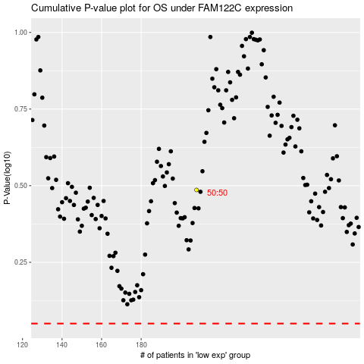

 |  |  |  |  |  | cases_OS | p_OS | rank | exp
 |  |  |  |  |  |  | cases_RFS | p_RFS | rank | exp

