FAM123B _multivariate
Reported by Tex Li-Hsing Chi. tex@gate.sinica.edu.tw 2019-08-20

Table 2. The clinicopathological features of HNSCC cohort and FAM123B expression. (Chi square test)
Cutoff at -0.272 (49.8%)
 |  | FAM123B expression |  | FAM123B expression |  | (Optimised)
 | Features | Low | (%) | High | (%) | Case no | P-value | Remark | Matthews
Gender | Female | 147 | 35.4 | 159 | 38.3 | 415 | 0.2523 | 0 | 0
2 | Male | 60 | 14.5 | 49 | 11.8
Age at diagnosis | <=65y | 134 | 32.3 | 140 | 33.7 | 415 | 0.6529 | 0 | 0
4 | >65y | 73 | 17.6 | 68 | 16.4
Clinical T Status | T1+T2 | 71 | 17.1 | 78 | 18.8 | 415 | 0.5638 | 0 | 0
6 | T3+T4 | 136 | 32.8 | 130 | 31.3
Clinical N Status | N0 | 109 | 26.3 | 107 | 25.8 | 415 | 0.8812 | 0 | 0
8 | N1-3 | 98 | 23.6 | 101 | 24.3
Clinical M Status | M0 | 204 | 49.2 | 208 | 50.1 | 415 | 0.1232 | 0 | 0
10 | M1 | 3 | 0.7 | 0 | 0
Clinical Stage | Stage I+II | 48 | 11.6 | 54 | 13 | 415 | 0.5878 | 0 | 0
12 | Stage III+IV | 159 | 38.3 | 154 | 37.1
Surgical Margin status | Negative | 151 | 36.4 | 167 | 40.2 | 415 | 0.0828 | 0 | 0
14 | Positive | 56 | 13.5 | 41 | 9.9
Tobacco Exposure | Low | 98 | 23.6 | 63 | 15.2 | 415 | 4e-04 | 1 | 0
16 | High | 109 | 26.3 | 145 | 34.9

Table 3. Univariate/Multivariate Cox's proportional hazards regression analyses on OS time of FAM123B gene expression in HNSCC

 |  | Univariate |  |  |  | Multivariate
 | Features | HR | CI95%(L) | CI95%(H) | P-value | HR | CI95%(L) | CI95%(H) | P-value
1 | Female | 1 |  |  |  | 1
Gender | Male | 1.157 | 0.843 | 1.587 | 0.367 | 1.216 | 0.868 | 1.701 | 0.255
11 | <=65y | 1 |  |  |  | 1
Age at diagnosis | >65y | 1.329 | 0.99 | 1.784 | 0.058 | 1.392 | 1.024 | 1.893 | 0.035
12 | T1+T2 | 1 |  |  |  | 1
Clinical T Status | T3+T4 | 1.409 | 1.028 | 1.931 | 0.033 | 2.211 | 1.169 | 4.182 | 0.015
13 | N0 | 1 |  |  |  | 1
Clinical N Status | N1-3 | 1.185 | 0.89 | 1.577 | 0.246 | 1.235 | 0.865 | 1.763 | 0.246
14 | M0 | 1 |  |  |  | 1
Clinical M Status | M1 | 4.097 | 1.009 | 16.644 | 0.049 | 9.969 | 2.15 | 46.211 | 0.003
15 | Stage I+II | 1 |  |  |  | 1
Clinical Stage | Stage III+IV | 1.245 | 0.882 | 1.759 | 0.213 | 0.504 | 0.235 | 1.082 | 0.079
16 | Negative | 1 |  |  |  | 1
Surgical Margin status | Positive | 1.591 | 1.155 | 2.191 | 0.004 | 1.69 | 1.221 | 2.34 | 0.002
17 | Low | 1 |  |  |  | 1
Tobacco Exposure | High | 1.364 | 1.008 | 1.844 | 0.044 | 1.431 | 1.035 | 1.978 | 0.03
18 | Low | 1 |  |  |  | 1
RNAseq(z-score) | High | 1.078 | 0.809 | 1.437 | 0.608 | 1.101 | 0.817 | 1.483 | 0.527

Table 4. Univariate/Multivariate Cox's proportional hazards regression analyses on RFS time of FAM123B gene expression in HNSCC

 |  | Univariate |  |  |  | Multivariate
 | Features | HR | CI95%(L) | CI95%(H) | P-value | HR | CI95%(L) | CI95%(H) | P-value
1 | Female | 1 |  |  |  | 1
Gender | Male | 1.157 | 0.843 | 1.587 | 0.367 | 1.216 | 0.868 | 1.701 | 0.255
11 | <=65y | 1 |  |  |  | 1
Age at diagnosis | >65y | 1.329 | 0.99 | 1.784 | 0.058 | 1.392 | 1.024 | 1.893 | 0.035
12 | T1+T2 | 1 |  |  |  | 1
Clinical T Status | T3+T4 | 1.409 | 1.028 | 1.931 | 0.033 | 2.211 | 1.169 | 4.182 | 0.015
13 | N0 | 1 |  |  |  | 1
Clinical N Status | N1-3 | 1.185 | 0.89 | 1.577 | 0.246 | 1.235 | 0.865 | 1.763 | 0.246
14 | M0 | 1 |  |  |  | 1
Clinical M Status | M1 | 4.097 | 1.009 | 16.644 | 0.049 | 9.969 | 2.15 | 46.211 | 0.003
15 | Stage I+II | 1 |  |  |  | 1
Clinical Stage | Stage III+IV | 1.245 | 0.882 | 1.759 | 0.213 | 0.504 | 0.235 | 1.082 | 0.079
16 | Negative | 1 |  |  |  | 1
Surgical Margin status | Positive | 1.591 | 1.155 | 2.191 | 0.004 | 1.69 | 1.221 | 2.34 | 0.002
17 | Low | 1 |  |  |  | 1
Tobacco Exposure | High | 1.364 | 1.008 | 1.844 | 0.044 | 1.431 | 1.035 | 1.978 | 0.03
18 | Low | 1 |  |  |  | 1
RNAseq(z-score) | High | 1.078 | 0.809 | 1.437 | 0.608 | 1.101 | 0.817 | 1.483 | 0.527

Kaplan-Meier survival estimate: Cutoff at -0.272 (49.8%)



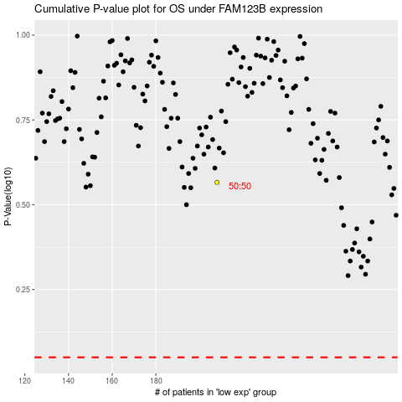

 |  |  |  |  |  | cases_OS | p_OS | rank | exp
 |  |  |  |  |  |  | cases_RFS | p_RFS | rank | exp

