FAM124A _multivariate
Reported by Tex Li-Hsing Chi. tex@gate.sinica.edu.tw 2019-08-20

Table 2. The clinicopathological features of HNSCC cohort and FAM124A expression. (Chi square test)
Cutoff at -0.223 (49.8%)
 |  | FAM124A expression |  | FAM124A expression |  | (Optimised)
 | Features | Low | (%) | High | (%) | Case no | P-value | Remark | Matthews
Gender | Female | 158 | 38.1 | 148 | 35.7 | 415 | 0.2774 | 0 | 0
2 | Male | 49 | 11.8 | 60 | 14.5
Age at diagnosis | <=65y | 142 | 34.2 | 132 | 31.8 | 415 | 0.3167 | 0 | 0
4 | >65y | 65 | 15.7 | 76 | 18.3
Clinical T Status | T1+T2 | 82 | 19.8 | 67 | 16.1 | 415 | 0.1417 | 0 | 0
6 | T3+T4 | 125 | 30.1 | 141 | 34
Clinical N Status | N0 | 106 | 25.5 | 110 | 26.5 | 415 | 0.8075 | 0 | 0
8 | N1-3 | 101 | 24.3 | 98 | 23.6
Clinical M Status | M0 | 205 | 49.4 | 207 | 49.9 | 415 | 0.6232 | 0 | 0
10 | M1 | 2 | 0.5 | 1 | 0.2
Clinical Stage | Stage I+II | 55 | 13.3 | 47 | 11.3 | 415 | 0.4087 | 0 | 0
12 | Stage III+IV | 152 | 36.6 | 161 | 38.8
Surgical Margin status | Negative | 154 | 37.1 | 164 | 39.5 | 415 | 0.2984 | 0 | 0
14 | Positive | 53 | 12.8 | 44 | 10.6
Tobacco Exposure | Low | 91 | 21.9 | 70 | 16.9 | 415 | 0.0346 | 1 | 0
16 | High | 116 | 28 | 138 | 33.3

Table 3. Univariate/Multivariate Cox's proportional hazards regression analyses on OS time of FAM124A gene expression in HNSCC

 |  | Univariate |  |  |  | Multivariate
 | Features | HR | CI95%(L) | CI95%(H) | P-value | HR | CI95%(L) | CI95%(H) | P-value
1 | Female | 1 |  |  |  | 1
Gender | Male | 1.157 | 0.843 | 1.587 | 0.367 | 1.199 | 0.857 | 1.675 | 0.289
11 | <=65y | 1 |  |  |  | 1
Age at diagnosis | >65y | 1.329 | 0.99 | 1.784 | 0.058 | 1.389 | 1.022 | 1.889 | 0.036
12 | T1+T2 | 1 |  |  |  | 1
Clinical T Status | T3+T4 | 1.409 | 1.028 | 1.931 | 0.033 | 2.197 | 1.162 | 4.156 | 0.015
13 | N0 | 1 |  |  |  | 1
Clinical N Status | N1-3 | 1.185 | 0.89 | 1.577 | 0.246 | 1.244 | 0.871 | 1.776 | 0.23
14 | M0 | 1 |  |  |  | 1
Clinical M Status | M1 | 4.097 | 1.009 | 16.644 | 0.049 | 9.414 | 2.054 | 43.151 | 0.004
15 | Stage I+II | 1 |  |  |  | 1
Clinical Stage | Stage III+IV | 1.245 | 0.882 | 1.759 | 0.213 | 0.505 | 0.235 | 1.084 | 0.08
16 | Negative | 1 |  |  |  | 1
Surgical Margin status | Positive | 1.591 | 1.155 | 2.191 | 0.004 | 1.676 | 1.212 | 2.316 | 0.002
17 | Low | 1 |  |  |  | 1
Tobacco Exposure | High | 1.364 | 1.008 | 1.844 | 0.044 | 1.448 | 1.049 | 1.997 | 0.024
18 | Low | 1 |  |  |  | 1
RNAseq(z-score) | High | 1.08 | 0.81 | 1.44 | 0.599 | 1.039 | 0.777 | 1.389 | 0.797

Table 4. Univariate/Multivariate Cox's proportional hazards regression analyses on RFS time of FAM124A gene expression in HNSCC

 |  | Univariate |  |  |  | Multivariate
 | Features | HR | CI95%(L) | CI95%(H) | P-value | HR | CI95%(L) | CI95%(H) | P-value
1 | Female | 1 |  |  |  | 1
Gender | Male | 1.157 | 0.843 | 1.587 | 0.367 | 1.199 | 0.857 | 1.675 | 0.289
11 | <=65y | 1 |  |  |  | 1
Age at diagnosis | >65y | 1.329 | 0.99 | 1.784 | 0.058 | 1.389 | 1.022 | 1.889 | 0.036
12 | T1+T2 | 1 |  |  |  | 1
Clinical T Status | T3+T4 | 1.409 | 1.028 | 1.931 | 0.033 | 2.197 | 1.162 | 4.156 | 0.015
13 | N0 | 1 |  |  |  | 1
Clinical N Status | N1-3 | 1.185 | 0.89 | 1.577 | 0.246 | 1.244 | 0.871 | 1.776 | 0.23
14 | M0 | 1 |  |  |  | 1
Clinical M Status | M1 | 4.097 | 1.009 | 16.644 | 0.049 | 9.414 | 2.054 | 43.151 | 0.004
15 | Stage I+II | 1 |  |  |  | 1
Clinical Stage | Stage III+IV | 1.245 | 0.882 | 1.759 | 0.213 | 0.505 | 0.235 | 1.084 | 0.08
16 | Negative | 1 |  |  |  | 1
Surgical Margin status | Positive | 1.591 | 1.155 | 2.191 | 0.004 | 1.676 | 1.212 | 2.316 | 0.002
17 | Low | 1 |  |  |  | 1
Tobacco Exposure | High | 1.364 | 1.008 | 1.844 | 0.044 | 1.448 | 1.049 | 1.997 | 0.024
18 | Low | 1 |  |  |  | 1
RNAseq(z-score) | High | 1.08 | 0.81 | 1.44 | 0.599 | 1.039 | 0.777 | 1.389 | 0.797

Kaplan-Meier survival estimate: Cutoff at -0.223 (49.8%)



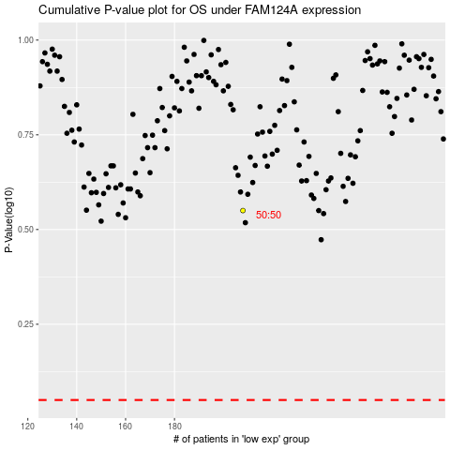

 |  |  |  |  |  | cases_OS | p_OS | rank | exp
 |  |  |  |  |  |  | cases_RFS | p_RFS | rank | exp

