FAM125B _multivariate
Reported by Tex Li-Hsing Chi. tex@gate.sinica.edu.tw 2019-08-20

Table 2. The clinicopathological features of HNSCC cohort and FAM125B expression. (Chi square test)
Cutoff at -0.312 (49.8%)
 |  | FAM125B expression |  | FAM125B expression |  | (Optimised)
 | Features | Low | (%) | High | (%) | Case no | P-value | Remark | Matthews
Gender | Female | 158 | 38.1 | 148 | 35.7 | 415 | 0.2774 | 0 | 0
2 | Male | 49 | 11.8 | 60 | 14.5
Age at diagnosis | <=65y | 140 | 33.7 | 134 | 32.3 | 415 | 0.5574 | 0 | 0
4 | >65y | 67 | 16.1 | 74 | 17.8
Clinical T Status | T1+T2 | 62 | 14.9 | 87 | 21 | 415 | 0.0156 | 1 | 0
6 | T3+T4 | 145 | 34.9 | 121 | 29.2
Clinical N Status | N0 | 105 | 25.3 | 111 | 26.7 | 415 | 0.6598 | 0 | 0
8 | N1-3 | 102 | 24.6 | 97 | 23.4
Clinical M Status | M0 | 204 | 49.2 | 208 | 50.1 | 415 | 0.1232 | 0 | 0
10 | M1 | 3 | 0.7 | 0 | 0
Clinical Stage | Stage I+II | 41 | 9.9 | 61 | 14.7 | 415 | 0.0325 | 1 | 0
12 | Stage III+IV | 166 | 40 | 147 | 35.4
Surgical Margin status | Negative | 156 | 37.6 | 162 | 39 | 415 | 0.5636 | 0 | 0
14 | Positive | 51 | 12.3 | 46 | 11.1
Tobacco Exposure | Low | 86 | 20.7 | 75 | 18.1 | 415 | 0.2687 | 0 | 0
16 | High | 121 | 29.2 | 133 | 32

Table 3. Univariate/Multivariate Cox's proportional hazards regression analyses on OS time of FAM125B gene expression in HNSCC

 |  | Univariate |  |  |  | Multivariate
 | Features | HR | CI95%(L) | CI95%(H) | P-value | HR | CI95%(L) | CI95%(H) | P-value
1 | Female | 1 |  |  |  | 1
Gender | Male | 1.157 | 0.843 | 1.587 | 0.367 | 1.203 | 0.861 | 1.68 | 0.279
11 | <=65y | 1 |  |  |  | 1
Age at diagnosis | >65y | 1.329 | 0.99 | 1.784 | 0.058 | 1.403 | 1.03 | 1.91 | 0.032
12 | T1+T2 | 1 |  |  |  | 1
Clinical T Status | T3+T4 | 1.409 | 1.028 | 1.931 | 0.033 | 2.181 | 1.153 | 4.128 | 0.017
13 | N0 | 1 |  |  |  | 1
Clinical N Status | N1-3 | 1.185 | 0.89 | 1.577 | 0.246 | 1.245 | 0.873 | 1.777 | 0.227
14 | M0 | 1 |  |  |  | 1
Clinical M Status | M1 | 4.097 | 1.009 | 16.644 | 0.049 | 9.023 | 1.952 | 41.714 | 0.005
15 | Stage I+II | 1 |  |  |  | 1
Clinical Stage | Stage III+IV | 1.245 | 0.882 | 1.759 | 0.213 | 0.501 | 0.233 | 1.076 | 0.076
16 | Negative | 1 |  |  |  | 1
Surgical Margin status | Positive | 1.591 | 1.155 | 2.191 | 0.004 | 1.666 | 1.206 | 2.303 | 0.002
17 | Low | 1 |  |  |  | 1
Tobacco Exposure | High | 1.364 | 1.008 | 1.844 | 0.044 | 1.47 | 1.063 | 2.033 | 0.02
18 | Low | 1 |  |  |  | 1
RNAseq(z-score) | High | 0.916 | 0.688 | 1.22 | 0.547 | 0.928 | 0.69 | 1.247 | 0.619

Table 4. Univariate/Multivariate Cox's proportional hazards regression analyses on RFS time of FAM125B gene expression in HNSCC

 |  | Univariate |  |  |  | Multivariate
 | Features | HR | CI95%(L) | CI95%(H) | P-value | HR | CI95%(L) | CI95%(H) | P-value
1 | Female | 1 |  |  |  | 1
Gender | Male | 1.157 | 0.843 | 1.587 | 0.367 | 1.203 | 0.861 | 1.68 | 0.279
11 | <=65y | 1 |  |  |  | 1
Age at diagnosis | >65y | 1.329 | 0.99 | 1.784 | 0.058 | 1.403 | 1.03 | 1.91 | 0.032
12 | T1+T2 | 1 |  |  |  | 1
Clinical T Status | T3+T4 | 1.409 | 1.028 | 1.931 | 0.033 | 2.181 | 1.153 | 4.128 | 0.017
13 | N0 | 1 |  |  |  | 1
Clinical N Status | N1-3 | 1.185 | 0.89 | 1.577 | 0.246 | 1.245 | 0.873 | 1.777 | 0.227
14 | M0 | 1 |  |  |  | 1
Clinical M Status | M1 | 4.097 | 1.009 | 16.644 | 0.049 | 9.023 | 1.952 | 41.714 | 0.005
15 | Stage I+II | 1 |  |  |  | 1
Clinical Stage | Stage III+IV | 1.245 | 0.882 | 1.759 | 0.213 | 0.501 | 0.233 | 1.076 | 0.076
16 | Negative | 1 |  |  |  | 1
Surgical Margin status | Positive | 1.591 | 1.155 | 2.191 | 0.004 | 1.666 | 1.206 | 2.303 | 0.002
17 | Low | 1 |  |  |  | 1
Tobacco Exposure | High | 1.364 | 1.008 | 1.844 | 0.044 | 1.47 | 1.063 | 2.033 | 0.02
18 | Low | 1 |  |  |  | 1
RNAseq(z-score) | High | 0.916 | 0.688 | 1.22 | 0.547 | 0.928 | 0.69 | 1.247 | 0.619

Kaplan-Meier survival estimate: Cutoff at -0.312 (49.8%)



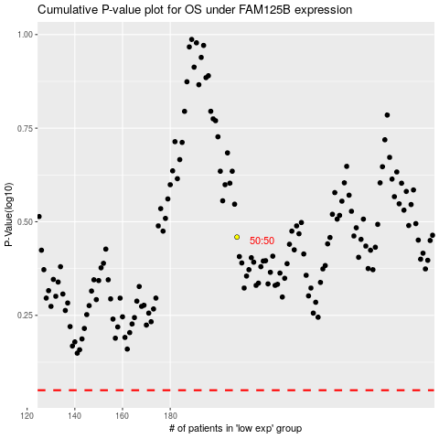

 |  |  |  |  |  | cases_OS | p_OS | rank | exp
 |  |  |  |  |  |  | cases_RFS | p_RFS | rank | exp

