FAM127C _multivariate
Reported by Tex Li-Hsing Chi. tex@gate.sinica.edu.tw 2019-08-20

Table 2. The clinicopathological features of HNSCC cohort and FAM127C expression. (Chi square test)
Cutoff at -0.181 (49.8%)
 |  | FAM127C expression |  | FAM127C expression |  | (Optimised)
 | Features | Low | (%) | High | (%) | Case no | P-value | Remark | Matthews
Gender | Female | 152 | 36.6 | 154 | 37.1 | 415 | 0.9766 | 0 | 0
2 | Male | 55 | 13.3 | 54 | 13
Age at diagnosis | <=65y | 130 | 31.3 | 144 | 34.7 | 415 | 0.2009 | 0 | 0
4 | >65y | 77 | 18.6 | 64 | 15.4
Clinical T Status | T1+T2 | 71 | 17.1 | 78 | 18.8 | 415 | 0.5638 | 0 | 0
6 | T3+T4 | 136 | 32.8 | 130 | 31.3
Clinical N Status | N0 | 97 | 23.4 | 119 | 28.7 | 415 | 0.0442 | 1 | 0
8 | N1-3 | 110 | 26.5 | 89 | 21.4
Clinical M Status | M0 | 205 | 49.4 | 207 | 49.9 | 415 | 0.6232 | 0 | 0
10 | M1 | 2 | 0.5 | 1 | 0.2
Clinical Stage | Stage I+II | 48 | 11.6 | 54 | 13 | 415 | 0.5878 | 0 | 0
12 | Stage III+IV | 159 | 38.3 | 154 | 37.1
Surgical Margin status | Negative | 158 | 38.1 | 160 | 38.6 | 415 | 0.9081 | 0 | 0
14 | Positive | 49 | 11.8 | 48 | 11.6
Tobacco Exposure | Low | 86 | 20.7 | 75 | 18.1 | 415 | 0.2687 | 0 | 0
16 | High | 121 | 29.2 | 133 | 32

Table 3. Univariate/Multivariate Cox's proportional hazards regression analyses on OS time of FAM127C gene expression in HNSCC

 |  | Univariate |  |  |  | Multivariate
 | Features | HR | CI95%(L) | CI95%(H) | P-value | HR | CI95%(L) | CI95%(H) | P-value
1 | Female | 1 |  |  |  | 1
Gender | Male | 1.157 | 0.843 | 1.587 | 0.367 | 1.206 | 0.863 | 1.685 | 0.273
11 | <=65y | 1 |  |  |  | 1
Age at diagnosis | >65y | 1.329 | 0.99 | 1.784 | 0.058 | 1.375 | 1.011 | 1.872 | 0.043
12 | T1+T2 | 1 |  |  |  | 1
Clinical T Status | T3+T4 | 1.409 | 1.028 | 1.931 | 0.033 | 2.165 | 1.144 | 4.097 | 0.018
13 | N0 | 1 |  |  |  | 1
Clinical N Status | N1-3 | 1.185 | 0.89 | 1.577 | 0.246 | 1.216 | 0.85 | 1.739 | 0.284
14 | M0 | 1 |  |  |  | 1
Clinical M Status | M1 | 4.097 | 1.009 | 16.644 | 0.049 | 9.204 | 2.007 | 42.217 | 0.004
15 | Stage I+II | 1 |  |  |  | 1
Clinical Stage | Stage III+IV | 1.245 | 0.882 | 1.759 | 0.213 | 0.523 | 0.243 | 1.126 | 0.098
16 | Negative | 1 |  |  |  | 1
Surgical Margin status | Positive | 1.591 | 1.155 | 2.191 | 0.004 | 1.673 | 1.211 | 2.311 | 0.002
17 | Low | 1 |  |  |  | 1
Tobacco Exposure | High | 1.364 | 1.008 | 1.844 | 0.044 | 1.469 | 1.064 | 2.027 | 0.019
18 | Low | 1 |  |  |  | 1
RNAseq(z-score) | High | 0.863 | 0.648 | 1.15 | 0.315 | 0.873 | 0.652 | 1.169 | 0.363

Table 4. Univariate/Multivariate Cox's proportional hazards regression analyses on RFS time of FAM127C gene expression in HNSCC

 |  | Univariate |  |  |  | Multivariate
 | Features | HR | CI95%(L) | CI95%(H) | P-value | HR | CI95%(L) | CI95%(H) | P-value
1 | Female | 1 |  |  |  | 1
Gender | Male | 1.157 | 0.843 | 1.587 | 0.367 | 1.206 | 0.863 | 1.685 | 0.273
11 | <=65y | 1 |  |  |  | 1
Age at diagnosis | >65y | 1.329 | 0.99 | 1.784 | 0.058 | 1.375 | 1.011 | 1.872 | 0.043
12 | T1+T2 | 1 |  |  |  | 1
Clinical T Status | T3+T4 | 1.409 | 1.028 | 1.931 | 0.033 | 2.165 | 1.144 | 4.097 | 0.018
13 | N0 | 1 |  |  |  | 1
Clinical N Status | N1-3 | 1.185 | 0.89 | 1.577 | 0.246 | 1.216 | 0.85 | 1.739 | 0.284
14 | M0 | 1 |  |  |  | 1
Clinical M Status | M1 | 4.097 | 1.009 | 16.644 | 0.049 | 9.204 | 2.007 | 42.217 | 0.004
15 | Stage I+II | 1 |  |  |  | 1
Clinical Stage | Stage III+IV | 1.245 | 0.882 | 1.759 | 0.213 | 0.523 | 0.243 | 1.126 | 0.098
16 | Negative | 1 |  |  |  | 1
Surgical Margin status | Positive | 1.591 | 1.155 | 2.191 | 0.004 | 1.673 | 1.211 | 2.311 | 0.002
17 | Low | 1 |  |  |  | 1
Tobacco Exposure | High | 1.364 | 1.008 | 1.844 | 0.044 | 1.469 | 1.064 | 2.027 | 0.019
18 | Low | 1 |  |  |  | 1
RNAseq(z-score) | High | 0.863 | 0.648 | 1.15 | 0.315 | 0.873 | 0.652 | 1.169 | 0.363

Kaplan-Meier survival estimate: Cutoff at -0.181 (49.8%)



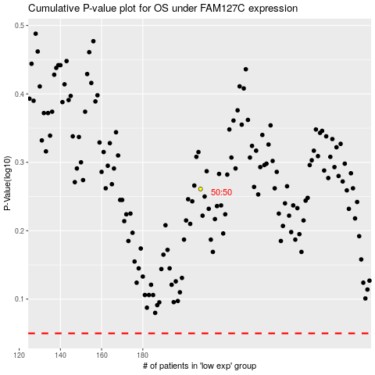

 |  |  |  |  |  | cases_OS | p_OS | rank | exp
 |  |  |  |  |  |  | cases_RFS | p_RFS | rank | exp

