FAM128A _multivariate
Reported by Tex Li-Hsing Chi. tex@gate.sinica.edu.tw 2019-08-20

Table 2. The clinicopathological features of HNSCC cohort and FAM128A expression. (Chi square test)
Cutoff at -0.033 (63.8%)
 |  | FAM128A expression |  | FAM128A expression |  | (Optimised)
 | Features | Low | (%) | High | (%) | Case no | P-value | Remark | Matthews
Gender | Female | 189 | 45.5 | 117 | 28.2 | 415 | 0.2315 | 0 | 0
2 | Male | 75 | 18.1 | 34 | 8.2
Age at diagnosis | <=65y | 176 | 42.4 | 98 | 23.6 | 415 | 0.7966 | 0 | 0
4 | >65y | 88 | 21.2 | 53 | 12.8
Clinical T Status | T1+T2 | 102 | 24.6 | 47 | 11.3 | 415 | 0.1533 | 0 | 0
6 | T3+T4 | 162 | 39 | 104 | 25.1
Clinical N Status | N0 | 136 | 32.8 | 80 | 19.3 | 415 | 0.853 | 0 | 0
8 | N1-3 | 128 | 30.8 | 71 | 17.1
Clinical M Status | M0 | 263 | 63.4 | 149 | 35.9 | 415 | 0.3004 | 0 | 0
10 | M1 | 1 | 0.2 | 2 | 0.5
Clinical Stage | Stage I+II | 72 | 17.3 | 30 | 7.2 | 415 | 0.1171 | 0 | 0
12 | Stage III+IV | 192 | 46.3 | 121 | 29.2
Surgical Margin status | Negative | 207 | 49.9 | 111 | 26.7 | 415 | 0.2787 | 0 | 0
14 | Positive | 57 | 13.7 | 40 | 9.6
Tobacco Exposure | Low | 107 | 25.8 | 54 | 13 | 415 | 0.3481 | 0 | 0
16 | High | 157 | 37.8 | 97 | 23.4

Table 3. Univariate/Multivariate Cox's proportional hazards regression analyses on OS time of FAM128A gene expression in HNSCC

 |  | Univariate |  |  |  | Multivariate
 | Features | HR | CI95%(L) | CI95%(H) | P-value | HR | CI95%(L) | CI95%(H) | P-value
1 | Female | 1 |  |  |  | 1
Gender | Male | 1.157 | 0.843 | 1.587 | 0.367 | 1.215 | 0.868 | 1.701 | 0.256
11 | <=65y | 1 |  |  |  | 1
Age at diagnosis | >65y | 1.329 | 0.99 | 1.784 | 0.058 | 1.385 | 1.019 | 1.881 | 0.037
12 | T1+T2 | 1 |  |  |  | 1
Clinical T Status | T3+T4 | 1.409 | 1.028 | 1.931 | 0.033 | 2.205 | 1.168 | 4.166 | 0.015
13 | N0 | 1 |  |  |  | 1
Clinical N Status | N1-3 | 1.185 | 0.89 | 1.577 | 0.246 | 1.253 | 0.878 | 1.787 | 0.213
14 | M0 | 1 |  |  |  | 1
Clinical M Status | M1 | 4.097 | 1.009 | 16.644 | 0.049 | 8.925 | 1.944 | 40.964 | 0.005
15 | Stage I+II | 1 |  |  |  | 1
Clinical Stage | Stage III+IV | 1.245 | 0.882 | 1.759 | 0.213 | 0.487 | 0.227 | 1.046 | 0.065
16 | Negative | 1 |  |  |  | 1
Surgical Margin status | Positive | 1.591 | 1.155 | 2.191 | 0.004 | 1.653 | 1.196 | 2.286 | 0.002
17 | Low | 1 |  |  |  | 1
Tobacco Exposure | High | 1.364 | 1.008 | 1.844 | 0.044 | 1.44 | 1.043 | 1.988 | 0.027
18 | Low | 1 |  |  |  | 1
RNAseq(z-score) | High | 1.36 | 1.017 | 1.82 | 0.038 | 1.306 | 0.974 | 1.752 | 0.074

Table 4. Univariate/Multivariate Cox's proportional hazards regression analyses on RFS time of FAM128A gene expression in HNSCC

 |  | Univariate |  |  |  | Multivariate
 | Features | HR | CI95%(L) | CI95%(H) | P-value | HR | CI95%(L) | CI95%(H) | P-value
1 | Female | 1 |  |  |  | 1
Gender | Male | 1.157 | 0.843 | 1.587 | 0.367 | 1.215 | 0.868 | 1.701 | 0.256
11 | <=65y | 1 |  |  |  | 1
Age at diagnosis | >65y | 1.329 | 0.99 | 1.784 | 0.058 | 1.385 | 1.019 | 1.881 | 0.037
12 | T1+T2 | 1 |  |  |  | 1
Clinical T Status | T3+T4 | 1.409 | 1.028 | 1.931 | 0.033 | 2.205 | 1.168 | 4.166 | 0.015
13 | N0 | 1 |  |  |  | 1
Clinical N Status | N1-3 | 1.185 | 0.89 | 1.577 | 0.246 | 1.253 | 0.878 | 1.787 | 0.213
14 | M0 | 1 |  |  |  | 1
Clinical M Status | M1 | 4.097 | 1.009 | 16.644 | 0.049 | 8.925 | 1.944 | 40.964 | 0.005
15 | Stage I+II | 1 |  |  |  | 1
Clinical Stage | Stage III+IV | 1.245 | 0.882 | 1.759 | 0.213 | 0.487 | 0.227 | 1.046 | 0.065
16 | Negative | 1 |  |  |  | 1
Surgical Margin status | Positive | 1.591 | 1.155 | 2.191 | 0.004 | 1.653 | 1.196 | 2.286 | 0.002
17 | Low | 1 |  |  |  | 1
Tobacco Exposure | High | 1.364 | 1.008 | 1.844 | 0.044 | 1.44 | 1.043 | 1.988 | 0.027
18 | Low | 1 |  |  |  | 1
RNAseq(z-score) | High | 1.36 | 1.017 | 1.82 | 0.038 | 1.306 | 0.974 | 1.752 | 0.074

Kaplan-Meier survival estimate: Cutoff at -0.033 (63.8%)



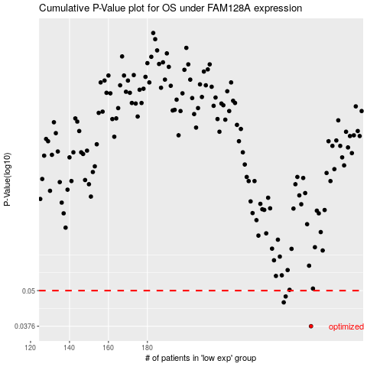

 |  |  |  |  |  | cases_OS | p_OS | rank | exp
 |  |  |  |  |  | 264 | 0.0376 | 204 | -0.032611085197
 |  |  |  |  |  | 250 | 0.0455 | 218 | -0.090032483198
 |  |  |  |  |  | 251 | 0.0477 | 200 | -0.081008802692
 |  |  |  |  |  |  | cases_RFS | p_RFS | rank | exp
 |  |  |  |  |  |  | 263 | 0.0376 | 26 | -0.042480060514
 |  |  |  |  |  |  | 249 | 0.0455 | 347 | -0.090825140008
 |  |  |  |  |  |  | 250 | 0.0477 | 218 | -0.090032483198

