FAM128B _multivariate
Reported by Tex Li-Hsing Chi. tex@gate.sinica.edu.tw 2019-08-20

Table 2. The clinicopathological features of HNSCC cohort and FAM128B expression. (Chi square test)
Cutoff at -0.23 (52.4%)
 |  | FAM128B expression |  | FAM128B expression |  | (Optimised)
 | Features | Low | (%) | High | (%) | Case no | P-value | Remark | Matthews
Gender | Female | 156 | 37.6 | 150 | 36.1 | 415 | 0.4338 | 0 | 0
2 | Male | 61 | 14.7 | 48 | 11.6
Age at diagnosis | <=65y | 146 | 35.2 | 128 | 30.8 | 415 | 0.6439 | 0 | 0
4 | >65y | 71 | 17.1 | 70 | 16.9
Clinical T Status | T1+T2 | 84 | 20.2 | 65 | 15.7 | 415 | 0.2522 | 0 | 0
6 | T3+T4 | 133 | 32 | 133 | 32
Clinical N Status | N0 | 108 | 26 | 108 | 26 | 415 | 0.3819 | 0 | 0
8 | N1-3 | 109 | 26.3 | 90 | 21.7
Clinical M Status | M0 | 217 | 52.3 | 195 | 47 | 415 | 0.1077 | 0 | 0
10 | M1 | 0 | 0 | 3 | 0.7
Clinical Stage | Stage I+II | 56 | 13.5 | 46 | 11.1 | 415 | 0.6212 | 0 | 0
12 | Stage III+IV | 161 | 38.8 | 152 | 36.6
Surgical Margin status | Negative | 167 | 40.2 | 151 | 36.4 | 415 | 0.9078 | 0 | 0
14 | Positive | 50 | 12 | 47 | 11.3
Tobacco Exposure | Low | 99 | 23.9 | 62 | 14.9 | 415 | 0.0034 | 1 | 0
16 | High | 118 | 28.4 | 136 | 32.8

Table 3. Univariate/Multivariate Cox's proportional hazards regression analyses on OS time of FAM128B gene expression in HNSCC

 |  | Univariate |  |  |  | Multivariate
 | Features | HR | CI95%(L) | CI95%(H) | P-value | HR | CI95%(L) | CI95%(H) | P-value
1 | Female | 1 |  |  |  | 1
Gender | Male | 1.157 | 0.843 | 1.587 | 0.367 | 1.208 | 0.863 | 1.689 | 0.27
11 | <=65y | 1 |  |  |  | 1
Age at diagnosis | >65y | 1.329 | 0.99 | 1.784 | 0.058 | 1.383 | 1.018 | 1.879 | 0.038
12 | T1+T2 | 1 |  |  |  | 1
Clinical T Status | T3+T4 | 1.409 | 1.028 | 1.931 | 0.033 | 2.151 | 1.138 | 4.066 | 0.018
13 | N0 | 1 |  |  |  | 1
Clinical N Status | N1-3 | 1.185 | 0.89 | 1.577 | 0.246 | 1.261 | 0.884 | 1.8 | 0.201
14 | M0 | 1 |  |  |  | 1
Clinical M Status | M1 | 4.097 | 1.009 | 16.644 | 0.049 | 8.058 | 1.741 | 37.293 | 0.008
15 | Stage I+II | 1 |  |  |  | 1
Clinical Stage | Stage III+IV | 1.245 | 0.882 | 1.759 | 0.213 | 0.505 | 0.236 | 1.082 | 0.079
16 | Negative | 1 |  |  |  | 1
Surgical Margin status | Positive | 1.591 | 1.155 | 2.191 | 0.004 | 1.664 | 1.204 | 2.301 | 0.002
17 | Low | 1 |  |  |  | 1
Tobacco Exposure | High | 1.364 | 1.008 | 1.844 | 0.044 | 1.402 | 1.014 | 1.94 | 0.041
18 | Low | 1 |  |  |  | 1
RNAseq(z-score) | High | 1.395 | 1.046 | 1.86 | 0.023 | 1.295 | 0.966 | 1.735 | 0.084

Table 4. Univariate/Multivariate Cox's proportional hazards regression analyses on RFS time of FAM128B gene expression in HNSCC

 |  | Univariate |  |  |  | Multivariate
 | Features | HR | CI95%(L) | CI95%(H) | P-value | HR | CI95%(L) | CI95%(H) | P-value
1 | Female | 1 |  |  |  | 1
Gender | Male | 1.157 | 0.843 | 1.587 | 0.367 | 1.208 | 0.863 | 1.689 | 0.27
11 | <=65y | 1 |  |  |  | 1
Age at diagnosis | >65y | 1.329 | 0.99 | 1.784 | 0.058 | 1.383 | 1.018 | 1.879 | 0.038
12 | T1+T2 | 1 |  |  |  | 1
Clinical T Status | T3+T4 | 1.409 | 1.028 | 1.931 | 0.033 | 2.151 | 1.138 | 4.066 | 0.018
13 | N0 | 1 |  |  |  | 1
Clinical N Status | N1-3 | 1.185 | 0.89 | 1.577 | 0.246 | 1.261 | 0.884 | 1.8 | 0.201
14 | M0 | 1 |  |  |  | 1
Clinical M Status | M1 | 4.097 | 1.009 | 16.644 | 0.049 | 8.058 | 1.741 | 37.293 | 0.008
15 | Stage I+II | 1 |  |  |  | 1
Clinical Stage | Stage III+IV | 1.245 | 0.882 | 1.759 | 0.213 | 0.505 | 0.236 | 1.082 | 0.079
16 | Negative | 1 |  |  |  | 1
Surgical Margin status | Positive | 1.591 | 1.155 | 2.191 | 0.004 | 1.664 | 1.204 | 2.301 | 0.002
17 | Low | 1 |  |  |  | 1
Tobacco Exposure | High | 1.364 | 1.008 | 1.844 | 0.044 | 1.402 | 1.014 | 1.94 | 0.041
18 | Low | 1 |  |  |  | 1
RNAseq(z-score) | High | 1.395 | 1.046 | 1.86 | 0.023 | 1.295 | 0.966 | 1.735 | 0.084

Kaplan-Meier survival estimate: Cutoff at -0.23 (52.4%)

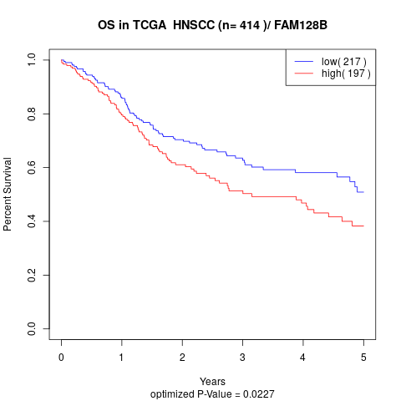

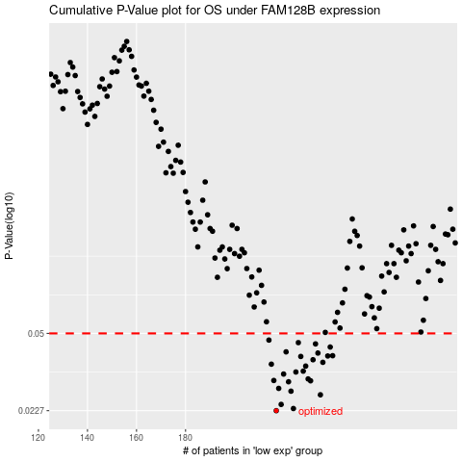

 |  |  |  |  |  | cases_OS | p_OS | rank | exp
 |  |  |  |  |  | 217 | 0.0227 | 375 | -0.22950181616
 |  |  |  |  |  | 224 | 0.0232 | 274 | -0.20151936298
 |  |  |  |  |  | 219 | 0.0242 | 204 | -0.22055443957
 |  |  |  |  |  | 235 | 0.0267 | 64 | -0.18734182822
 |  |  |  |  |  | 223 | 0.0277 | 39 | -0.20769338938
 |  |  |  |  |  | 218 | 0.0285 | 311 | -0.22728277821
 |  |  |  |  |  | 222 | 0.0305 | 22 | -0.20965989799
 |  |  |  |  |  | 231 | 0.0308 | 107 | -0.19179583745
 |  |  |  |  |  | 216 | 0.0309 | 140 | -0.23044601982
 |  |  |  |  |  | 230 | 0.0314 | 259 | -0.19423894836
 |  |  |  |  |  | 220 | 0.033 | 260 | -0.22000577388
 |  |  |  |  |  | 225 | 0.0337 | 364 | -0.20080940724
 |  |  |  |  |  | 228 | 0.034 | 218 | -0.19490166316
 |  |  |  |  |  | 229 | 0.0358 | 309 | -0.19463711394
 |  |  |  |  |  | 215 | 0.0365 | 47 | -0.23107440808
 |  |  |  |  |  | 236 | 0.0372 | 379 | -0.18696714333
 |  |  |  |  |  | 232 | 0.0382 | 48 | -0.19053620971
 |  |  |  |  |  | 227 | 0.0395 | 330 | -0.19603041395
 |  |  |  |  |  | 238 | 0.0397 | 256 | -0.18667844254
 |  |  |  |  |  | 240 | 0.0398 | 198 | -0.16575227511
 |  |  |  |  |  | 234 | 0.0409 | 232 | -0.18860391583
 |  |  |  |  |  | 221 | 0.0414 | 396 | -0.21488379465
 |  |  |  |  |  | 239 | 0.0435 | 393 | -0.17308932293
 |  |  |  |  |  | 233 | 0.0449 | 348 | -0.18871024986
 |  |  |  |  |  | 226 | 0.0455 | 269 | -0.19830110944
 |  |  |  |  |  | 214 | 0.0467 | 127 | -0.2311824752
 |  |  |  |  |  |  | cases_RFS | p_RFS | rank | exp
 |  |  |  |  |  |  | 216 | 0.0227 | 140 | -0.23044601982
 |  |  |  |  |  |  | 223 | 0.0232 | 39 | -0.20769338938
 |  |  |  |  |  |  | 218 | 0.0242 | 311 | -0.22728277821
 |  |  |  |  |  |  | 234 | 0.0267 | 232 | -0.18860391583
 |  |  |  |  |  |  | 222 | 0.0277 | 22 | -0.20965989799
 |  |  |  |  |  |  | 217 | 0.0285 | 375 | -0.22950181616
 |  |  |  |  |  |  | 221 | 0.0305 | 396 | -0.21488379465
 |  |  |  |  |  |  | 230 | 0.0308 | 259 | -0.19423894836
 |  |  |  |  |  |  | 215 | 0.0309 | 47 | -0.23107440808
 |  |  |  |  |  |  | 229 | 0.0314 | 309 | -0.19463711394
 |  |  |  |  |  |  | 219 | 0.033 | 204 | -0.22055443957
 |  |  |  |  |  |  | 224 | 0.0337 | 274 | -0.20151936298
 |  |  |  |  |  |  | 227 | 0.034 | 330 | -0.19603041395
 |  |  |  |  |  |  | 228 | 0.0358 | 218 | -0.19490166316
 |  |  |  |  |  |  | 214 | 0.0365 | 127 | -0.2311824752
 |  |  |  |  |  |  | 235 | 0.0372 | 64 | -0.18734182822
 |  |  |  |  |  |  | 231 | 0.0382 | 107 | -0.19179583745
 |  |  |  |  |  |  | 226 | 0.0395 | 269 | -0.19830110944
 |  |  |  |  |  |  | 237 | 0.0397 | 105 | -0.1867416168
 |  |  |  |  |  |  | 239 | 0.0398 | 393 | -0.17308932293
 |  |  |  |  |  |  | 233 | 0.0409 | 348 | -0.18871024986
 |  |  |  |  |  |  | 220 | 0.0414 | 260 | -0.22000577388
 |  |  |  |  |  |  | 238 | 0.0435 | 256 | -0.18667844254
 |  |  |  |  |  |  | 232 | 0.0449 | 48 | -0.19053620971
 |  |  |  |  |  |  | 225 | 0.0455 | 364 | -0.20080940724
 |  |  |  |  |  |  | 213 | 0.0467 | 31 | -0.23288700629

