FAM131C _multivariate
Reported by Tex Li-Hsing Chi. tex@gate.sinica.edu.tw 2019-08-20

Table 2. The clinicopathological features of HNSCC cohort and FAM131C expression. (Chi square test)
Cutoff at -0.318 (50.0%)
 |  | FAM131C expression |  | FAM131C expression |  | (Optimised)
 | Features | Low | (%) | High | (%) | Case no | P-value | Remark | Matthews
Gender | Female | 144 | 34.7 | 162 | 39 | 415 | 0.0697 | 0 | 0
2 | Male | 63 | 15.2 | 46 | 11.1
Age at diagnosis | <=65y | 139 | 33.5 | 135 | 32.5 | 415 | 0.7044 | 0 | 0
4 | >65y | 68 | 16.4 | 73 | 17.6
Clinical T Status | T1+T2 | 90 | 21.7 | 59 | 14.2 | 415 | 0.0019 | 1 | 0
6 | T3+T4 | 117 | 28.2 | 149 | 35.9
Clinical N Status | N0 | 114 | 27.5 | 102 | 24.6 | 415 | 0.2576 | 1 | 0
8 | N1-3 | 93 | 22.4 | 106 | 25.5
Clinical M Status | M0 | 206 | 49.6 | 206 | 49.6 | 415 | 1 | 0 | 0
10 | M1 | 1 | 0.2 | 2 | 0.5
Clinical Stage | Stage I+II | 66 | 15.9 | 36 | 8.7 | 415 | 9e-04 | 1 | 0
12 | Stage III+IV | 141 | 34 | 172 | 41.4
Surgical Margin status | Negative | 165 | 39.8 | 153 | 36.9 | 415 | 0.1639 | 0 | 0
14 | Positive | 42 | 10.1 | 55 | 13.3
Tobacco Exposure | Low | 96 | 23.1 | 65 | 15.7 | 415 | 0.0018 | 1 | 0
16 | High | 111 | 26.7 | 143 | 34.5

Table 3. Univariate/Multivariate Cox's proportional hazards regression analyses on OS time of FAM131C gene expression in HNSCC

 |  | Univariate |  |  |  | Multivariate
 | Features | HR | CI95%(L) | CI95%(H) | P-value | HR | CI95%(L) | CI95%(H) | P-value
1 | Female | 1 |  |  |  | 1
Gender | Male | 1.157 | 0.843 | 1.587 | 0.367 | 1.191 | 0.853 | 1.665 | 0.305
11 | <=65y | 1 |  |  |  | 1
Age at diagnosis | >65y | 1.329 | 0.99 | 1.784 | 0.058 | 1.415 | 1.039 | 1.928 | 0.028
12 | T1+T2 | 1 |  |  |  | 1
Clinical T Status | T3+T4 | 1.409 | 1.028 | 1.931 | 0.033 | 2.236 | 1.182 | 4.232 | 0.013
13 | N0 | 1 |  |  |  | 1
Clinical N Status | N1-3 | 1.185 | 0.89 | 1.577 | 0.246 | 1.248 | 0.875 | 1.782 | 0.222
14 | M0 | 1 |  |  |  | 1
Clinical M Status | M1 | 4.097 | 1.009 | 16.644 | 0.049 | 9.573 | 2.088 | 43.902 | 0.004
15 | Stage I+II | 1 |  |  |  | 1
Clinical Stage | Stage III+IV | 1.245 | 0.882 | 1.759 | 0.213 | 0.51 | 0.238 | 1.096 | 0.085
16 | Negative | 1 |  |  |  | 1
Surgical Margin status | Positive | 1.591 | 1.155 | 2.191 | 0.004 | 1.693 | 1.224 | 2.341 | 0.001
17 | Low | 1 |  |  |  | 1
Tobacco Exposure | High | 1.364 | 1.008 | 1.844 | 0.044 | 1.483 | 1.074 | 2.049 | 0.017
18 | Low | 1 |  |  |  | 1
RNAseq(z-score) | High | 1.007 | 0.757 | 1.341 | 0.96 | 0.868 | 0.644 | 1.17 | 0.354

Table 4. Univariate/Multivariate Cox's proportional hazards regression analyses on RFS time of FAM131C gene expression in HNSCC

 |  | Univariate |  |  |  | Multivariate
 | Features | HR | CI95%(L) | CI95%(H) | P-value | HR | CI95%(L) | CI95%(H) | P-value
1 | Female | 1 |  |  |  | 1
Gender | Male | 1.157 | 0.843 | 1.587 | 0.367 | 1.191 | 0.853 | 1.665 | 0.305
11 | <=65y | 1 |  |  |  | 1
Age at diagnosis | >65y | 1.329 | 0.99 | 1.784 | 0.058 | 1.415 | 1.039 | 1.928 | 0.028
12 | T1+T2 | 1 |  |  |  | 1
Clinical T Status | T3+T4 | 1.409 | 1.028 | 1.931 | 0.033 | 2.236 | 1.182 | 4.232 | 0.013
13 | N0 | 1 |  |  |  | 1
Clinical N Status | N1-3 | 1.185 | 0.89 | 1.577 | 0.246 | 1.248 | 0.875 | 1.782 | 0.222
14 | M0 | 1 |  |  |  | 1
Clinical M Status | M1 | 4.097 | 1.009 | 16.644 | 0.049 | 9.573 | 2.088 | 43.902 | 0.004
15 | Stage I+II | 1 |  |  |  | 1
Clinical Stage | Stage III+IV | 1.245 | 0.882 | 1.759 | 0.213 | 0.51 | 0.238 | 1.096 | 0.085
16 | Negative | 1 |  |  |  | 1
Surgical Margin status | Positive | 1.591 | 1.155 | 2.191 | 0.004 | 1.693 | 1.224 | 2.341 | 0.001
17 | Low | 1 |  |  |  | 1
Tobacco Exposure | High | 1.364 | 1.008 | 1.844 | 0.044 | 1.483 | 1.074 | 2.049 | 0.017
18 | Low | 1 |  |  |  | 1
RNAseq(z-score) | High | 1.007 | 0.757 | 1.341 | 0.96 | 0.868 | 0.644 | 1.17 | 0.354

Kaplan-Meier survival estimate: Cutoff at -0.318 (50.0%)



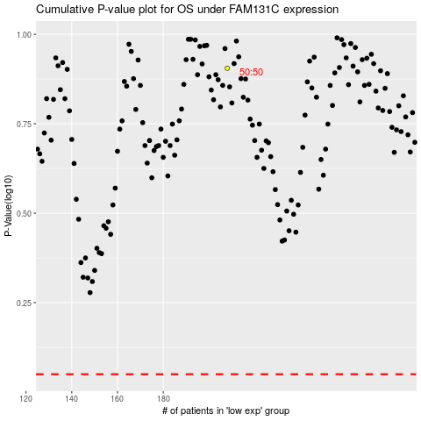

 |  |  |  |  |  | cases_OS | p_OS | rank | exp
 |  |  |  |  |  |  | cases_RFS | p_RFS | rank | exp

