FAM134A _multivariate
Reported by Tex Li-Hsing Chi. tex@gate.sinica.edu.tw 2019-08-20

Table 2. The clinicopathological features of HNSCC cohort and FAM134A expression. (Chi square test)
Cutoff at 0.182 (59.9%)
 |  | FAM134A expression |  | FAM134A expression |  | (Optimised)
 | Features | Low | (%) | High | (%) | Case no | P-value | Remark | Matthews
Gender | Female | 177 | 42.7 | 129 | 31.1 | 415 | 0.1649 | 0 | 0
2 | Male | 72 | 17.3 | 37 | 8.9
Age at diagnosis | <=65y | 154 | 37.1 | 120 | 28.9 | 415 | 0.0362 | 1 | 0
4 | >65y | 95 | 22.9 | 46 | 11.1
Clinical T Status | T1+T2 | 87 | 21 | 62 | 14.9 | 415 | 0.6915 | 0 | 0
6 | T3+T4 | 162 | 39 | 104 | 25.1
Clinical N Status | N0 | 131 | 31.6 | 85 | 20.5 | 415 | 0.8568 | 0 | 0
8 | N1-3 | 118 | 28.4 | 81 | 19.5
Clinical M Status | M0 | 246 | 59.3 | 166 | 40 | 415 | 0.2783 | 0 | 0
10 | M1 | 3 | 0.7 | 0 | 0
Clinical Stage | Stage I+II | 56 | 13.5 | 46 | 11.1 | 415 | 0.274 | 0 | 0
12 | Stage III+IV | 193 | 46.5 | 120 | 28.9
Surgical Margin status | Negative | 187 | 45.1 | 131 | 31.6 | 415 | 0.4081 | 0 | 0
14 | Positive | 62 | 14.9 | 35 | 8.4
Tobacco Exposure | Low | 100 | 24.1 | 61 | 14.7 | 415 | 0.5375 | 0 | 0
16 | High | 149 | 35.9 | 105 | 25.3

Table 3. Univariate/Multivariate Cox's proportional hazards regression analyses on OS time of FAM134A gene expression in HNSCC

 |  | Univariate |  |  |  | Multivariate
 | Features | HR | CI95%(L) | CI95%(H) | P-value | HR | CI95%(L) | CI95%(H) | P-value
1 | Female | 1 |  |  |  | 1
Gender | Male | 1.157 | 0.843 | 1.587 | 0.367 | 1.179 | 0.843 | 1.648 | 0.337
11 | <=65y | 1 |  |  |  | 1
Age at diagnosis | >65y | 1.329 | 0.99 | 1.784 | 0.058 | 1.363 | 1.002 | 1.855 | 0.048
12 | T1+T2 | 1 |  |  |  | 1
Clinical T Status | T3+T4 | 1.409 | 1.028 | 1.931 | 0.033 | 2.211 | 1.168 | 4.183 | 0.015
13 | N0 | 1 |  |  |  | 1
Clinical N Status | N1-3 | 1.185 | 0.89 | 1.577 | 0.246 | 1.267 | 0.888 | 1.808 | 0.193
14 | M0 | 1 |  |  |  | 1
Clinical M Status | M1 | 4.097 | 1.009 | 16.644 | 0.049 | 8.379 | 1.82 | 38.571 | 0.006
15 | Stage I+II | 1 |  |  |  | 1
Clinical Stage | Stage III+IV | 1.245 | 0.882 | 1.759 | 0.213 | 0.496 | 0.231 | 1.065 | 0.072
16 | Negative | 1 |  |  |  | 1
Surgical Margin status | Positive | 1.591 | 1.155 | 2.191 | 0.004 | 1.654 | 1.197 | 2.286 | 0.002
17 | Low | 1 |  |  |  | 1
Tobacco Exposure | High | 1.364 | 1.008 | 1.844 | 0.044 | 1.48 | 1.073 | 2.042 | 0.017
18 | Low | 1 |  |  |  | 1
RNAseq(z-score) | High | 0.737 | 0.546 | 0.996 | 0.047 | 0.757 | 0.558 | 1.028 | 0.075

Table 4. Univariate/Multivariate Cox's proportional hazards regression analyses on RFS time of FAM134A gene expression in HNSCC

 |  | Univariate |  |  |  | Multivariate
 | Features | HR | CI95%(L) | CI95%(H) | P-value | HR | CI95%(L) | CI95%(H) | P-value
1 | Female | 1 |  |  |  | 1
Gender | Male | 1.157 | 0.843 | 1.587 | 0.367 | 1.179 | 0.843 | 1.648 | 0.337
11 | <=65y | 1 |  |  |  | 1
Age at diagnosis | >65y | 1.329 | 0.99 | 1.784 | 0.058 | 1.363 | 1.002 | 1.855 | 0.048
12 | T1+T2 | 1 |  |  |  | 1
Clinical T Status | T3+T4 | 1.409 | 1.028 | 1.931 | 0.033 | 2.211 | 1.168 | 4.183 | 0.015
13 | N0 | 1 |  |  |  | 1
Clinical N Status | N1-3 | 1.185 | 0.89 | 1.577 | 0.246 | 1.267 | 0.888 | 1.808 | 0.193
14 | M0 | 1 |  |  |  | 1
Clinical M Status | M1 | 4.097 | 1.009 | 16.644 | 0.049 | 8.379 | 1.82 | 38.571 | 0.006
15 | Stage I+II | 1 |  |  |  | 1
Clinical Stage | Stage III+IV | 1.245 | 0.882 | 1.759 | 0.213 | 0.496 | 0.231 | 1.065 | 0.072
16 | Negative | 1 |  |  |  | 1
Surgical Margin status | Positive | 1.591 | 1.155 | 2.191 | 0.004 | 1.654 | 1.197 | 2.286 | 0.002
17 | Low | 1 |  |  |  | 1
Tobacco Exposure | High | 1.364 | 1.008 | 1.844 | 0.044 | 1.48 | 1.073 | 2.042 | 0.017
18 | Low | 1 |  |  |  | 1
RNAseq(z-score) | High | 0.737 | 0.546 | 0.996 | 0.047 | 0.757 | 0.558 | 1.028 | 0.075

Kaplan-Meier survival estimate: Cutoff at 0.182 (59.9%)



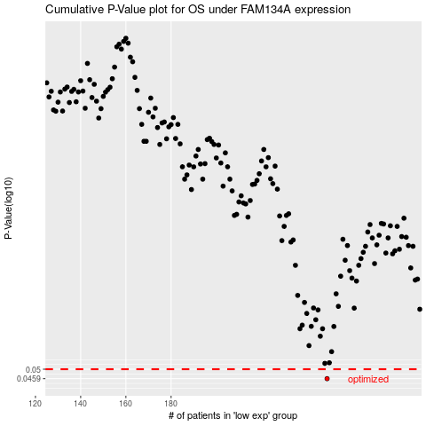

 |  |  |  |  |  | cases_OS | p_OS | rank | exp
 |  |  |  |  |  | 249 | 0.0459 | 156 | 0.18192313963
 |  |  |  |  |  |  | cases_RFS | p_RFS | rank | exp
 |  |  |  |  |  |  | 248 | 0.0459 | 55 | 0.17991425453

