FAM134C _multivariate
Reported by Tex Li-Hsing Chi. tex@gate.sinica.edu.tw 2019-08-20

Table 2. The clinicopathological features of HNSCC cohort and FAM134C expression. (Chi square test)
Cutoff at -0.277 (40.8%)
 |  | FAM134C expression |  | FAM134C expression |  | (Optimised)
 | Features | Low | (%) | High | (%) | Case no | P-value | Remark | Matthews
Gender | Female | 120 | 28.9 | 186 | 44.8 | 415 | 0.3505 | 0 | 0
2 | Male | 49 | 11.8 | 60 | 14.5
Age at diagnosis | <=65y | 114 | 27.5 | 160 | 38.6 | 415 | 0.6856 | 0 | 0
4 | >65y | 55 | 13.3 | 86 | 20.7
Clinical T Status | T1+T2 | 59 | 14.2 | 90 | 21.7 | 415 | 0.8063 | 0 | 0
6 | T3+T4 | 110 | 26.5 | 156 | 37.6
Clinical N Status | N0 | 82 | 19.8 | 134 | 32.3 | 415 | 0.2747 | 0 | 0
8 | N1-3 | 87 | 21 | 112 | 27
Clinical M Status | M0 | 169 | 40.7 | 243 | 58.6 | 415 | 0.2741 | 0 | 0
10 | M1 | 0 | 0 | 3 | 0.7
Clinical Stage | Stage I+II | 36 | 8.7 | 66 | 15.9 | 415 | 0.2424 | 0 | 0
12 | Stage III+IV | 133 | 32 | 180 | 43.4
Surgical Margin status | Negative | 128 | 30.8 | 190 | 45.8 | 415 | 0.7249 | 0 | 0
14 | Positive | 41 | 9.9 | 56 | 13.5
Tobacco Exposure | Low | 66 | 15.9 | 95 | 22.9 | 415 | 1 | 0 | 0
16 | High | 103 | 24.8 | 151 | 36.4

Table 3. Univariate/Multivariate Cox's proportional hazards regression analyses on OS time of FAM134C gene expression in HNSCC

 |  | Univariate |  |  |  | Multivariate
 | Features | HR | CI95%(L) | CI95%(H) | P-value | HR | CI95%(L) | CI95%(H) | P-value
1 | Female | 1 |  |  |  | 1
Gender | Male | 1.157 | 0.843 | 1.587 | 0.367 | 1.175 | 0.841 | 1.642 | 0.344
11 | <=65y | 1 |  |  |  | 1
Age at diagnosis | >65y | 1.329 | 0.99 | 1.784 | 0.058 | 1.436 | 1.055 | 1.955 | 0.021
12 | T1+T2 | 1 |  |  |  | 1
Clinical T Status | T3+T4 | 1.409 | 1.028 | 1.931 | 0.033 | 2.263 | 1.197 | 4.279 | 0.012
13 | N0 | 1 |  |  |  | 1
Clinical N Status | N1-3 | 1.185 | 0.89 | 1.577 | 0.246 | 1.244 | 0.872 | 1.774 | 0.228
14 | M0 | 1 |  |  |  | 1
Clinical M Status | M1 | 4.097 | 1.009 | 16.644 | 0.049 | 11.179 | 2.42 | 51.639 | 0.002
15 | Stage I+II | 1 |  |  |  | 1
Clinical Stage | Stage III+IV | 1.245 | 0.882 | 1.759 | 0.213 | 0.495 | 0.23 | 1.062 | 0.071
16 | Negative | 1 |  |  |  | 1
Surgical Margin status | Positive | 1.591 | 1.155 | 2.191 | 0.004 | 1.648 | 1.193 | 2.276 | 0.002
17 | Low | 1 |  |  |  | 1
Tobacco Exposure | High | 1.364 | 1.008 | 1.844 | 0.044 | 1.446 | 1.05 | 1.99 | 0.024
18 | Low | 1 |  |  |  | 1
RNAseq(z-score) | High | 0.745 | 0.558 | 0.995 | 0.046 | 0.711 | 0.531 | 0.953 | 0.022

Table 4. Univariate/Multivariate Cox's proportional hazards regression analyses on RFS time of FAM134C gene expression in HNSCC

 |  | Univariate |  |  |  | Multivariate
 | Features | HR | CI95%(L) | CI95%(H) | P-value | HR | CI95%(L) | CI95%(H) | P-value
1 | Female | 1 |  |  |  | 1
Gender | Male | 1.157 | 0.843 | 1.587 | 0.367 | 1.175 | 0.841 | 1.642 | 0.344
11 | <=65y | 1 |  |  |  | 1
Age at diagnosis | >65y | 1.329 | 0.99 | 1.784 | 0.058 | 1.436 | 1.055 | 1.955 | 0.021
12 | T1+T2 | 1 |  |  |  | 1
Clinical T Status | T3+T4 | 1.409 | 1.028 | 1.931 | 0.033 | 2.263 | 1.197 | 4.279 | 0.012
13 | N0 | 1 |  |  |  | 1
Clinical N Status | N1-3 | 1.185 | 0.89 | 1.577 | 0.246 | 1.244 | 0.872 | 1.774 | 0.228
14 | M0 | 1 |  |  |  | 1
Clinical M Status | M1 | 4.097 | 1.009 | 16.644 | 0.049 | 11.179 | 2.42 | 51.639 | 0.002
15 | Stage I+II | 1 |  |  |  | 1
Clinical Stage | Stage III+IV | 1.245 | 0.882 | 1.759 | 0.213 | 0.495 | 0.23 | 1.062 | 0.071
16 | Negative | 1 |  |  |  | 1
Surgical Margin status | Positive | 1.591 | 1.155 | 2.191 | 0.004 | 1.648 | 1.193 | 2.276 | 0.002
17 | Low | 1 |  |  |  | 1
Tobacco Exposure | High | 1.364 | 1.008 | 1.844 | 0.044 | 1.446 | 1.05 | 1.99 | 0.024
18 | Low | 1 |  |  |  | 1
RNAseq(z-score) | High | 0.745 | 0.558 | 0.995 | 0.046 | 0.711 | 0.531 | 0.953 | 0.022

Kaplan-Meier survival estimate: Cutoff at -0.277 (40.8%)



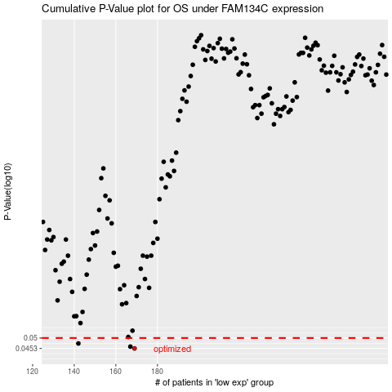

 |  |  |  |  |  | cases_OS | p_OS | rank | exp
 |  |  |  |  |  | 169 | 0.0453 | 177 | -0.27744991892
 |  |  |  |  |  | 167 | 0.0461 | 5 | -0.28204564846
 |  |  |  |  |  | 142 | 0.0475 | 158 | -0.35765152886
 |  |  |  |  |  |  | cases_RFS | p_RFS | rank | exp
 |  |  |  |  |  |  | 168 | 0.0453 | 82 | -0.28192856859
 |  |  |  |  |  |  | 166 | 0.0461 | 256 | -0.28336141967
 |  |  |  |  |  |  | 141 | 0.0475 | 284 | -0.35934402179

