FAM135A _multivariate
Reported by Tex Li-Hsing Chi. tex@gate.sinica.edu.tw 2019-08-20

Table 2. The clinicopathological features of HNSCC cohort and FAM135A expression. (Chi square test)
Cutoff at -0.302 (50.0%)
 |  | FAM135A expression |  | FAM135A expression |  | (Optimised)
 | Features | Low | (%) | High | (%) | Case no | P-value | Remark | Matthews
Gender | Female | 156 | 37.6 | 150 | 36.1 | 415 | 0.5222 | 0 | 0
2 | Male | 51 | 12.3 | 58 | 14
Age at diagnosis | <=65y | 130 | 31.3 | 144 | 34.7 | 415 | 0.2009 | 0 | 0
4 | >65y | 77 | 18.6 | 64 | 15.4
Clinical T Status | T1+T2 | 82 | 19.8 | 67 | 16.1 | 415 | 0.1417 | 0 | 0
6 | T3+T4 | 125 | 30.1 | 141 | 34
Clinical N Status | N0 | 108 | 26 | 108 | 26 | 415 | 1 | 0 | 0
8 | N1-3 | 99 | 23.9 | 100 | 24.1
Clinical M Status | M0 | 204 | 49.2 | 208 | 50.1 | 415 | 0.1232 | 0 | 0
10 | M1 | 3 | 0.7 | 0 | 0
Clinical Stage | Stage I+II | 58 | 14 | 44 | 10.6 | 415 | 0.131 | 0 | 0
12 | Stage III+IV | 149 | 35.9 | 164 | 39.5
Surgical Margin status | Negative | 156 | 37.6 | 162 | 39 | 415 | 0.5636 | 0 | 0
14 | Positive | 51 | 12.3 | 46 | 11.1
Tobacco Exposure | Low | 84 | 20.2 | 77 | 18.6 | 415 | 0.4816 | 0 | 0
16 | High | 123 | 29.6 | 131 | 31.6

Table 3. Univariate/Multivariate Cox's proportional hazards regression analyses on OS time of FAM135A gene expression in HNSCC

 |  | Univariate |  |  |  | Multivariate
 | Features | HR | CI95%(L) | CI95%(H) | P-value | HR | CI95%(L) | CI95%(H) | P-value
1 | Female | 1 |  |  |  | 1
Gender | Male | 1.157 | 0.843 | 1.587 | 0.367 | 1.204 | 0.861 | 1.684 | 0.279
11 | <=65y | 1 |  |  |  | 1
Age at diagnosis | >65y | 1.329 | 0.99 | 1.784 | 0.058 | 1.388 | 1.017 | 1.894 | 0.039
12 | T1+T2 | 1 |  |  |  | 1
Clinical T Status | T3+T4 | 1.409 | 1.028 | 1.931 | 0.033 | 2.199 | 1.162 | 4.16 | 0.015
13 | N0 | 1 |  |  |  | 1
Clinical N Status | N1-3 | 1.185 | 0.89 | 1.577 | 0.246 | 1.238 | 0.865 | 1.771 | 0.243
14 | M0 | 1 |  |  |  | 1
Clinical M Status | M1 | 4.097 | 1.009 | 16.644 | 0.049 | 9.318 | 2.016 | 43.065 | 0.004
15 | Stage I+II | 1 |  |  |  | 1
Clinical Stage | Stage III+IV | 1.245 | 0.882 | 1.759 | 0.213 | 0.507 | 0.235 | 1.091 | 0.082
16 | Negative | 1 |  |  |  | 1
Surgical Margin status | Positive | 1.591 | 1.155 | 2.191 | 0.004 | 1.672 | 1.21 | 2.311 | 0.002
17 | Low | 1 |  |  |  | 1
Tobacco Exposure | High | 1.364 | 1.008 | 1.844 | 0.044 | 1.455 | 1.055 | 2.005 | 0.022
18 | Low | 1 |  |  |  | 1
RNAseq(z-score) | High | 0.951 | 0.714 | 1.267 | 0.734 | 0.983 | 0.732 | 1.32 | 0.908

Table 4. Univariate/Multivariate Cox's proportional hazards regression analyses on RFS time of FAM135A gene expression in HNSCC

 |  | Univariate |  |  |  | Multivariate
 | Features | HR | CI95%(L) | CI95%(H) | P-value | HR | CI95%(L) | CI95%(H) | P-value
1 | Female | 1 |  |  |  | 1
Gender | Male | 1.157 | 0.843 | 1.587 | 0.367 | 1.204 | 0.861 | 1.684 | 0.279
11 | <=65y | 1 |  |  |  | 1
Age at diagnosis | >65y | 1.329 | 0.99 | 1.784 | 0.058 | 1.388 | 1.017 | 1.894 | 0.039
12 | T1+T2 | 1 |  |  |  | 1
Clinical T Status | T3+T4 | 1.409 | 1.028 | 1.931 | 0.033 | 2.199 | 1.162 | 4.16 | 0.015
13 | N0 | 1 |  |  |  | 1
Clinical N Status | N1-3 | 1.185 | 0.89 | 1.577 | 0.246 | 1.238 | 0.865 | 1.771 | 0.243
14 | M0 | 1 |  |  |  | 1
Clinical M Status | M1 | 4.097 | 1.009 | 16.644 | 0.049 | 9.318 | 2.016 | 43.065 | 0.004
15 | Stage I+II | 1 |  |  |  | 1
Clinical Stage | Stage III+IV | 1.245 | 0.882 | 1.759 | 0.213 | 0.507 | 0.235 | 1.091 | 0.082
16 | Negative | 1 |  |  |  | 1
Surgical Margin status | Positive | 1.591 | 1.155 | 2.191 | 0.004 | 1.672 | 1.21 | 2.311 | 0.002
17 | Low | 1 |  |  |  | 1
Tobacco Exposure | High | 1.364 | 1.008 | 1.844 | 0.044 | 1.455 | 1.055 | 2.005 | 0.022
18 | Low | 1 |  |  |  | 1
RNAseq(z-score) | High | 0.951 | 0.714 | 1.267 | 0.734 | 0.983 | 0.732 | 1.32 | 0.908

Kaplan-Meier survival estimate: Cutoff at -0.302 (50.0%)



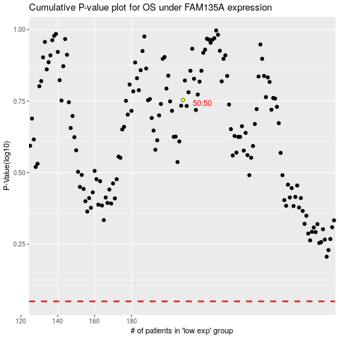

 |  |  |  |  |  | cases_OS | p_OS | rank | exp
 |  |  |  |  |  |  | cases_RFS | p_RFS | rank | exp

