FAM136A _multivariate
Reported by Tex Li-Hsing Chi. tex@gate.sinica.edu.tw 2019-08-20

Table 2. The clinicopathological features of HNSCC cohort and FAM136A expression. (Chi square test)
Cutoff at -0.168 (50.0%)
 |  | FAM136A expression |  | FAM136A expression |  | (Optimised)
 | Features | Low | (%) | High | (%) | Case no | P-value | Remark | Matthews
Gender | Female | 152 | 36.6 | 154 | 37.1 | 415 | 0.9766 | 0 | 0
2 | Male | 55 | 13.3 | 54 | 13
Age at diagnosis | <=65y | 141 | 34 | 133 | 32 | 415 | 0.4272 | 0 | 0
4 | >65y | 66 | 15.9 | 75 | 18.1
Clinical T Status | T1+T2 | 81 | 19.5 | 68 | 16.4 | 415 | 0.206 | 0 | 0
6 | T3+T4 | 126 | 30.4 | 140 | 33.7
Clinical N Status | N0 | 109 | 26.3 | 107 | 25.8 | 415 | 0.8812 | 0 | 0
8 | N1-3 | 98 | 23.6 | 101 | 24.3
Clinical M Status | M0 | 207 | 49.9 | 205 | 49.4 | 415 | 0.2482 | 0 | 0
10 | M1 | 0 | 0 | 3 | 0.7
Clinical Stage | Stage I+II | 57 | 13.7 | 45 | 10.8 | 415 | 0.1998 | 0 | 0
12 | Stage III+IV | 150 | 36.1 | 163 | 39.3
Surgical Margin status | Negative | 163 | 39.3 | 155 | 37.3 | 415 | 0.3537 | 0 | 0
14 | Positive | 44 | 10.6 | 53 | 12.8
Tobacco Exposure | Low | 86 | 20.7 | 75 | 18.1 | 415 | 0.2687 | 0 | 0
16 | High | 121 | 29.2 | 133 | 32

Table 3. Univariate/Multivariate Cox's proportional hazards regression analyses on OS time of FAM136A gene expression in HNSCC

 |  | Univariate |  |  |  | Multivariate
 | Features | HR | CI95%(L) | CI95%(H) | P-value | HR | CI95%(L) | CI95%(H) | P-value
1 | Female | 1 |  |  |  | 1
Gender | Male | 1.157 | 0.843 | 1.587 | 0.367 | 1.198 | 0.858 | 1.675 | 0.289
11 | <=65y | 1 |  |  |  | 1
Age at diagnosis | >65y | 1.329 | 0.99 | 1.784 | 0.058 | 1.373 | 1.009 | 1.868 | 0.044
12 | T1+T2 | 1 |  |  |  | 1
Clinical T Status | T3+T4 | 1.409 | 1.028 | 1.931 | 0.033 | 2.19 | 1.158 | 4.142 | 0.016
13 | N0 | 1 |  |  |  | 1
Clinical N Status | N1-3 | 1.185 | 0.89 | 1.577 | 0.246 | 1.245 | 0.872 | 1.778 | 0.227
14 | M0 | 1 |  |  |  | 1
Clinical M Status | M1 | 4.097 | 1.009 | 16.644 | 0.049 | 8.709 | 1.885 | 40.231 | 0.006
15 | Stage I+II | 1 |  |  |  | 1
Clinical Stage | Stage III+IV | 1.245 | 0.882 | 1.759 | 0.213 | 0.501 | 0.234 | 1.075 | 0.076
16 | Negative | 1 |  |  |  | 1
Surgical Margin status | Positive | 1.591 | 1.155 | 2.191 | 0.004 | 1.674 | 1.211 | 2.314 | 0.002
17 | Low | 1 |  |  |  | 1
Tobacco Exposure | High | 1.364 | 1.008 | 1.844 | 0.044 | 1.445 | 1.048 | 1.991 | 0.025
18 | Low | 1 |  |  |  | 1
RNAseq(z-score) | High | 1.233 | 0.924 | 1.645 | 0.155 | 1.156 | 0.863 | 1.549 | 0.33

Table 4. Univariate/Multivariate Cox's proportional hazards regression analyses on RFS time of FAM136A gene expression in HNSCC

 |  | Univariate |  |  |  | Multivariate
 | Features | HR | CI95%(L) | CI95%(H) | P-value | HR | CI95%(L) | CI95%(H) | P-value
1 | Female | 1 |  |  |  | 1
Gender | Male | 1.157 | 0.843 | 1.587 | 0.367 | 1.198 | 0.858 | 1.675 | 0.289
11 | <=65y | 1 |  |  |  | 1
Age at diagnosis | >65y | 1.329 | 0.99 | 1.784 | 0.058 | 1.373 | 1.009 | 1.868 | 0.044
12 | T1+T2 | 1 |  |  |  | 1
Clinical T Status | T3+T4 | 1.409 | 1.028 | 1.931 | 0.033 | 2.19 | 1.158 | 4.142 | 0.016
13 | N0 | 1 |  |  |  | 1
Clinical N Status | N1-3 | 1.185 | 0.89 | 1.577 | 0.246 | 1.245 | 0.872 | 1.778 | 0.227
14 | M0 | 1 |  |  |  | 1
Clinical M Status | M1 | 4.097 | 1.009 | 16.644 | 0.049 | 8.709 | 1.885 | 40.231 | 0.006
15 | Stage I+II | 1 |  |  |  | 1
Clinical Stage | Stage III+IV | 1.245 | 0.882 | 1.759 | 0.213 | 0.501 | 0.234 | 1.075 | 0.076
16 | Negative | 1 |  |  |  | 1
Surgical Margin status | Positive | 1.591 | 1.155 | 2.191 | 0.004 | 1.674 | 1.211 | 2.314 | 0.002
17 | Low | 1 |  |  |  | 1
Tobacco Exposure | High | 1.364 | 1.008 | 1.844 | 0.044 | 1.445 | 1.048 | 1.991 | 0.025
18 | Low | 1 |  |  |  | 1
RNAseq(z-score) | High | 1.233 | 0.924 | 1.645 | 0.155 | 1.156 | 0.863 | 1.549 | 0.33

Kaplan-Meier survival estimate: Cutoff at -0.168 (50.0%)



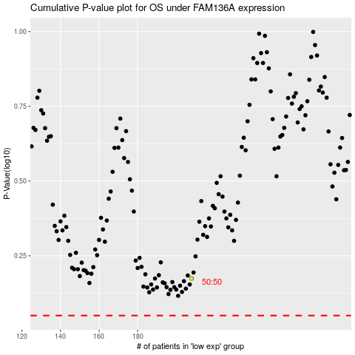

 |  |  |  |  |  | cases_OS | p_OS | rank | exp
 |  |  |  |  |  |  | cases_RFS | p_RFS | rank | exp

