FAM13AOS _multivariate
Reported by Tex Li-Hsing Chi. tex@gate.sinica.edu.tw 2019-08-20

Table 2. The clinicopathological features of HNSCC cohort and FAM13AOS expression. (Chi square test)
Cutoff at -0.118 (60.9%)
 |  | FAM13AOS expression |  | FAM13AOS expression |  | (Optimised)
 | Features | Low | (%) | High | (%) | Case no | P-value | Remark | Matthews
Gender | Female | 188 | 45.3 | 118 | 28.4 | 415 | 0.6998 | 0 | 0
2 | Male | 64 | 15.4 | 45 | 10.8
Age at diagnosis | <=65y | 167 | 40.2 | 107 | 25.8 | 415 | 0.9798 | 0 | 0
4 | >65y | 85 | 20.5 | 56 | 13.5
Clinical T Status | T1+T2 | 83 | 20 | 66 | 15.9 | 415 | 0.1438 | 0 | 0
6 | T3+T4 | 169 | 40.7 | 97 | 23.4
Clinical N Status | N0 | 124 | 29.9 | 92 | 22.2 | 415 | 0.1802 | 0 | 0
8 | N1-3 | 128 | 30.8 | 71 | 17.1
Clinical M Status | M0 | 251 | 60.5 | 161 | 38.8 | 415 | 0.5641 | 0 | 0
10 | M1 | 1 | 0.2 | 2 | 0.5
Clinical Stage | Stage I+II | 56 | 13.5 | 46 | 11.1 | 415 | 0.2043 | 0 | 0
12 | Stage III+IV | 196 | 47.2 | 117 | 28.2
Surgical Margin status | Negative | 201 | 48.4 | 117 | 28.2 | 415 | 0.0746 | 0 | 0
14 | Positive | 51 | 12.3 | 46 | 11.1
Tobacco Exposure | Low | 96 | 23.1 | 65 | 15.7 | 415 | 0.7573 | 0 | 0
16 | High | 156 | 37.6 | 98 | 23.6

Table 3. Univariate/Multivariate Cox's proportional hazards regression analyses on OS time of FAM13AOS gene expression in HNSCC

 |  | Univariate |  |  |  | Multivariate
 | Features | HR | CI95%(L) | CI95%(H) | P-value | HR | CI95%(L) | CI95%(H) | P-value
1 | Female | 1 |  |  |  | 1
Gender | Male | 1.157 | 0.843 | 1.587 | 0.367 | 1.203 | 0.861 | 1.682 | 0.279
11 | <=65y | 1 |  |  |  | 1
Age at diagnosis | >65y | 1.329 | 0.99 | 1.784 | 0.058 | 1.435 | 1.055 | 1.954 | 0.022
12 | T1+T2 | 1 |  |  |  | 1
Clinical T Status | T3+T4 | 1.409 | 1.028 | 1.931 | 0.033 | 2.118 | 1.12 | 4.005 | 0.021
13 | N0 | 1 |  |  |  | 1
Clinical N Status | N1-3 | 1.185 | 0.89 | 1.577 | 0.246 | 1.214 | 0.851 | 1.733 | 0.285
14 | M0 | 1 |  |  |  | 1
Clinical M Status | M1 | 4.097 | 1.009 | 16.644 | 0.049 | 10.049 | 2.189 | 46.137 | 0.003
15 | Stage I+II | 1 |  |  |  | 1
Clinical Stage | Stage III+IV | 1.245 | 0.882 | 1.759 | 0.213 | 0.497 | 0.231 | 1.067 | 0.073
16 | Negative | 1 |  |  |  | 1
Surgical Margin status | Positive | 1.591 | 1.155 | 2.191 | 0.004 | 1.744 | 1.26 | 2.415 | 0.001
17 | Low | 1 |  |  |  | 1
Tobacco Exposure | High | 1.364 | 1.008 | 1.844 | 0.044 | 1.486 | 1.076 | 2.053 | 0.016
18 | Low | 1 |  |  |  | 1
RNAseq(z-score) | High | 0.726 | 0.535 | 0.987 | 0.041 | 0.699 | 0.51 | 0.956 | 0.025

Table 4. Univariate/Multivariate Cox's proportional hazards regression analyses on RFS time of FAM13AOS gene expression in HNSCC

 |  | Univariate |  |  |  | Multivariate
 | Features | HR | CI95%(L) | CI95%(H) | P-value | HR | CI95%(L) | CI95%(H) | P-value
1 | Female | 1 |  |  |  | 1
Gender | Male | 1.157 | 0.843 | 1.587 | 0.367 | 1.203 | 0.861 | 1.682 | 0.279
11 | <=65y | 1 |  |  |  | 1
Age at diagnosis | >65y | 1.329 | 0.99 | 1.784 | 0.058 | 1.435 | 1.055 | 1.954 | 0.022
12 | T1+T2 | 1 |  |  |  | 1
Clinical T Status | T3+T4 | 1.409 | 1.028 | 1.931 | 0.033 | 2.118 | 1.12 | 4.005 | 0.021
13 | N0 | 1 |  |  |  | 1
Clinical N Status | N1-3 | 1.185 | 0.89 | 1.577 | 0.246 | 1.214 | 0.851 | 1.733 | 0.285
14 | M0 | 1 |  |  |  | 1
Clinical M Status | M1 | 4.097 | 1.009 | 16.644 | 0.049 | 10.049 | 2.189 | 46.137 | 0.003
15 | Stage I+II | 1 |  |  |  | 1
Clinical Stage | Stage III+IV | 1.245 | 0.882 | 1.759 | 0.213 | 0.497 | 0.231 | 1.067 | 0.073
16 | Negative | 1 |  |  |  | 1
Surgical Margin status | Positive | 1.591 | 1.155 | 2.191 | 0.004 | 1.744 | 1.26 | 2.415 | 0.001
17 | Low | 1 |  |  |  | 1
Tobacco Exposure | High | 1.364 | 1.008 | 1.844 | 0.044 | 1.486 | 1.076 | 2.053 | 0.016
18 | Low | 1 |  |  |  | 1
RNAseq(z-score) | High | 0.726 | 0.535 | 0.987 | 0.041 | 0.699 | 0.51 | 0.956 | 0.025

Kaplan-Meier survival estimate: Cutoff at -0.118 (60.9%)



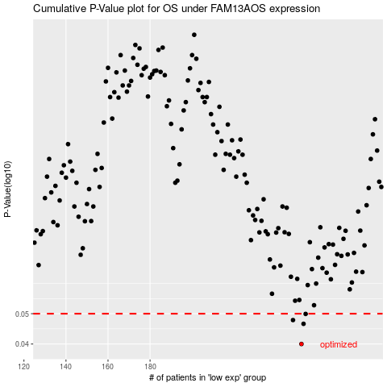

 |  |  |  |  |  | cases_OS | p_OS | rank | exp
 |  |  |  |  |  | 252 | 0.04 | 311 | -0.11777284755
 |  |  |  |  |  | 253 | 0.0464 | 46 | -0.11501040153
 |  |  |  |  |  | 248 | 0.0477 | 310 | -0.13483501418
 |  |  |  |  |  | 254 | 0.0499 | 151 | -0.11260465585
 |  |  |  |  |  |  | cases_RFS | p_RFS | rank | exp
 |  |  |  |  |  |  | 251 | 0.04 | 289 | -0.11951275258
 |  |  |  |  |  |  | 252 | 0.0464 | 311 | -0.11777284755
 |  |  |  |  |  |  | 247 | 0.0477 | 21 | -0.14192938776
 |  |  |  |  |  |  | 253 | 0.0499 | 46 | -0.11501040153

