FAM13B _multivariate
Reported by Tex Li-Hsing Chi. tex@gate.sinica.edu.tw 2019-08-20

Table 2. The clinicopathological features of HNSCC cohort and FAM13B expression. (Chi square test)
Cutoff at -0.323 (49.8%)
 |  | FAM13B expression |  | FAM13B expression |  | (Optimised)
 | Features | Low | (%) | High | (%) | Case no | P-value | Remark | Matthews
Gender | Female | 160 | 38.6 | 146 | 35.2 | 415 | 0.1254 | 0 | 0
2 | Male | 47 | 11.3 | 62 | 14.9
Age at diagnosis | <=65y | 135 | 32.5 | 139 | 33.5 | 415 | 0.8084 | 0 | 0
4 | >65y | 72 | 17.3 | 69 | 16.6
Clinical T Status | T1+T2 | 59 | 14.2 | 90 | 21.7 | 415 | 0.0024 | 1 | 0
6 | T3+T4 | 148 | 35.7 | 118 | 28.4
Clinical N Status | N0 | 105 | 25.3 | 111 | 26.7 | 415 | 0.6598 | 0 | 0
8 | N1-3 | 102 | 24.6 | 97 | 23.4
Clinical M Status | M0 | 206 | 49.6 | 206 | 49.6 | 415 | 1 | 0 | 0
10 | M1 | 1 | 0.2 | 2 | 0.5
Clinical Stage | Stage I+II | 42 | 10.1 | 60 | 14.5 | 415 | 0.0561 | 0 | 0
12 | Stage III+IV | 165 | 39.8 | 148 | 35.7
Surgical Margin status | Negative | 158 | 38.1 | 160 | 38.6 | 415 | 0.9081 | 0 | 0
14 | Positive | 49 | 11.8 | 48 | 11.6
Tobacco Exposure | Low | 72 | 17.3 | 89 | 21.4 | 415 | 0.1071 | 0 | 0
16 | High | 135 | 32.5 | 119 | 28.7

Table 3. Univariate/Multivariate Cox's proportional hazards regression analyses on OS time of FAM13B gene expression in HNSCC

 |  | Univariate |  |  |  | Multivariate
 | Features | HR | CI95%(L) | CI95%(H) | P-value | HR | CI95%(L) | CI95%(H) | P-value
1 | Female | 1 |  |  |  | 1
Gender | Male | 1.157 | 0.843 | 1.587 | 0.367 | 1.192 | 0.853 | 1.666 | 0.303
11 | <=65y | 1 |  |  |  | 1
Age at diagnosis | >65y | 1.329 | 0.99 | 1.784 | 0.058 | 1.4 | 1.03 | 1.904 | 0.032
12 | T1+T2 | 1 |  |  |  | 1
Clinical T Status | T3+T4 | 1.409 | 1.028 | 1.931 | 0.033 | 2.262 | 1.193 | 4.29 | 0.012
13 | N0 | 1 |  |  |  | 1
Clinical N Status | N1-3 | 1.185 | 0.89 | 1.577 | 0.246 | 1.243 | 0.871 | 1.774 | 0.23
14 | M0 | 1 |  |  |  | 1
Clinical M Status | M1 | 4.097 | 1.009 | 16.644 | 0.049 | 9.468 | 2.065 | 43.412 | 0.004
15 | Stage I+II | 1 |  |  |  | 1
Clinical Stage | Stage III+IV | 1.245 | 0.882 | 1.759 | 0.213 | 0.499 | 0.232 | 1.071 | 0.074
16 | Negative | 1 |  |  |  | 1
Surgical Margin status | Positive | 1.591 | 1.155 | 2.191 | 0.004 | 1.687 | 1.22 | 2.333 | 0.002
17 | Low | 1 |  |  |  | 1
Tobacco Exposure | High | 1.364 | 1.008 | 1.844 | 0.044 | 1.467 | 1.063 | 2.023 | 0.02
18 | Low | 1 |  |  |  | 1
RNAseq(z-score) | High | 1.04 | 0.781 | 1.385 | 0.79 | 1.141 | 0.852 | 1.528 | 0.376

Table 4. Univariate/Multivariate Cox's proportional hazards regression analyses on RFS time of FAM13B gene expression in HNSCC

 |  | Univariate |  |  |  | Multivariate
 | Features | HR | CI95%(L) | CI95%(H) | P-value | HR | CI95%(L) | CI95%(H) | P-value
1 | Female | 1 |  |  |  | 1
Gender | Male | 1.157 | 0.843 | 1.587 | 0.367 | 1.192 | 0.853 | 1.666 | 0.303
11 | <=65y | 1 |  |  |  | 1
Age at diagnosis | >65y | 1.329 | 0.99 | 1.784 | 0.058 | 1.4 | 1.03 | 1.904 | 0.032
12 | T1+T2 | 1 |  |  |  | 1
Clinical T Status | T3+T4 | 1.409 | 1.028 | 1.931 | 0.033 | 2.262 | 1.193 | 4.29 | 0.012
13 | N0 | 1 |  |  |  | 1
Clinical N Status | N1-3 | 1.185 | 0.89 | 1.577 | 0.246 | 1.243 | 0.871 | 1.774 | 0.23
14 | M0 | 1 |  |  |  | 1
Clinical M Status | M1 | 4.097 | 1.009 | 16.644 | 0.049 | 9.468 | 2.065 | 43.412 | 0.004
15 | Stage I+II | 1 |  |  |  | 1
Clinical Stage | Stage III+IV | 1.245 | 0.882 | 1.759 | 0.213 | 0.499 | 0.232 | 1.071 | 0.074
16 | Negative | 1 |  |  |  | 1
Surgical Margin status | Positive | 1.591 | 1.155 | 2.191 | 0.004 | 1.687 | 1.22 | 2.333 | 0.002
17 | Low | 1 |  |  |  | 1
Tobacco Exposure | High | 1.364 | 1.008 | 1.844 | 0.044 | 1.467 | 1.063 | 2.023 | 0.02
18 | Low | 1 |  |  |  | 1
RNAseq(z-score) | High | 1.04 | 0.781 | 1.385 | 0.79 | 1.141 | 0.852 | 1.528 | 0.376

Kaplan-Meier survival estimate: Cutoff at -0.323 (49.8%)

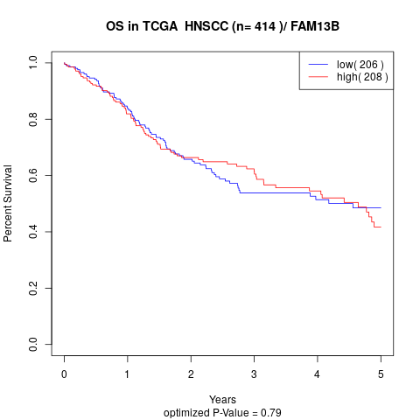

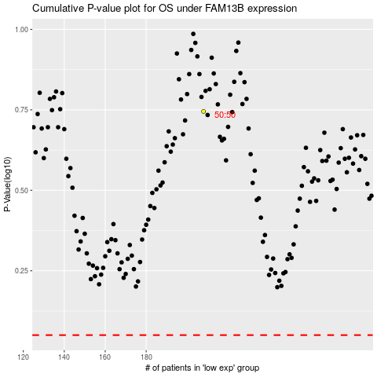

 |  |  |  |  |  | cases_OS | p_OS | rank | exp
 |  |  |  |  |  |  | cases_RFS | p_RFS | rank | exp

